LYPD3 _multivariate
Reported by Tex Li-Hsing Chi. tex@gate.sinica.edu.tw 2019-08-18

Table 2. The clinicopathological features of HNSCC cohort and LYPD3 expression. (Chi square test)
Cutoff at 0.172 (69.8%)
 |  | LYPD3 expression |  | LYPD3 expression |  | (Optimised)
 | Features | Low | (%) | High | (%) | Case no | P-value | Remark | Matthews
Gender | Female | 218 | 52.5 | 88 | 21.2 | 415 | 0.2851 | 0 | 0
2 | Male | 71 | 17.1 | 38 | 9.2
Age at diagnosis | <=65y | 190 | 45.8 | 84 | 20.2 | 415 | 0.9444 | 0 | 0
4 | >65y | 99 | 23.9 | 42 | 10.1
Clinical T Status | T1+T2 | 106 | 25.5 | 43 | 10.4 | 415 | 0.6988 | 0 | 0
6 | T3+T4 | 183 | 44.1 | 83 | 20
Clinical N Status | N0 | 146 | 35.2 | 70 | 16.9 | 415 | 0.4023 | 0 | 0
8 | N1-3 | 143 | 34.5 | 56 | 13.5
Clinical M Status | M0 | 287 | 69.2 | 125 | 30.1 | 415 | 1 | 0 | 0
10 | M1 | 2 | 0.5 | 1 | 0.2
Clinical Stage | Stage I+II | 68 | 16.4 | 34 | 8.2 | 415 | 0.5302 | 0 | 0
12 | Stage III+IV | 221 | 53.3 | 92 | 22.2
Surgical Margin status | Negative | 218 | 52.5 | 100 | 24.1 | 415 | 0.4495 | 0 | 0
14 | Positive | 71 | 17.1 | 26 | 6.3
Tobacco Exposure | Low | 106 | 25.5 | 55 | 13.3 | 415 | 0.1899 | 0 | 0
16 | High | 183 | 44.1 | 71 | 17.1

Table 3. Univariate/Multivariate Cox's proportional hazards regression analyses on OS time of LYPD3 gene expression in HNSCC

 |  | Univariate |  |  |  | Multivariate
 | Features | HR | CI95%(L) | CI95%(H) | P-value | HR | CI95%(L) | CI95%(H) | P-value
1 | Female | 1 |  |  |  | 1
Gender | Male | 1.157 | 0.843 | 1.587 | 0.367 | 1.233 | 0.883 | 1.723 | 0.219
11 | <=65y | 1 |  |  |  | 1
Age at diagnosis | >65y | 1.329 | 0.99 | 1.784 | 0.058 | 1.384 | 1.018 | 1.88 | 0.038
12 | T1+T2 | 1 |  |  |  | 1
Clinical T Status | T3+T4 | 1.409 | 1.028 | 1.931 | 0.033 | 2.306 | 1.219 | 4.362 | 0.01
13 | N0 | 1 |  |  |  | 1
Clinical N Status | N1-3 | 1.185 | 0.89 | 1.577 | 0.246 | 1.232 | 0.862 | 1.759 | 0.252
14 | M0 | 1 |  |  |  | 1
Clinical M Status | M1 | 4.097 | 1.009 | 16.644 | 0.049 | 10.138 | 2.208 | 46.548 | 0.003
15 | Stage I+II | 1 |  |  |  | 1
Clinical Stage | Stage III+IV | 1.245 | 0.882 | 1.759 | 0.213 | 0.481 | 0.224 | 1.034 | 0.061
16 | Negative | 1 |  |  |  | 1
Surgical Margin status | Positive | 1.591 | 1.155 | 2.191 | 0.004 | 1.653 | 1.196 | 2.284 | 0.002
17 | Low | 1 |  |  |  | 1
Tobacco Exposure | High | 1.364 | 1.008 | 1.844 | 0.044 | 1.427 | 1.036 | 1.964 | 0.029
18 | Low | 1 |  |  |  | 1
RNAseq(z-score) | High | 0.709 | 0.511 | 0.984 | 0.04 | 0.703 | 0.504 | 0.98 | 0.038

Table 4. Univariate/Multivariate Cox's proportional hazards regression analyses on RFS time of LYPD3 gene expression in HNSCC

 |  | Univariate |  |  |  | Multivariate
 | Features | HR | CI95%(L) | CI95%(H) | P-value | HR | CI95%(L) | CI95%(H) | P-value
1 | Female | 1 |  |  |  | 1
Gender | Male | 1.157 | 0.843 | 1.587 | 0.367 | 1.233 | 0.883 | 1.723 | 0.219
11 | <=65y | 1 |  |  |  | 1
Age at diagnosis | >65y | 1.329 | 0.99 | 1.784 | 0.058 | 1.384 | 1.018 | 1.88 | 0.038
12 | T1+T2 | 1 |  |  |  | 1
Clinical T Status | T3+T4 | 1.409 | 1.028 | 1.931 | 0.033 | 2.306 | 1.219 | 4.362 | 0.01
13 | N0 | 1 |  |  |  | 1
Clinical N Status | N1-3 | 1.185 | 0.89 | 1.577 | 0.246 | 1.232 | 0.862 | 1.759 | 0.252
14 | M0 | 1 |  |  |  | 1
Clinical M Status | M1 | 4.097 | 1.009 | 16.644 | 0.049 | 10.138 | 2.208 | 46.548 | 0.003
15 | Stage I+II | 1 |  |  |  | 1
Clinical Stage | Stage III+IV | 1.245 | 0.882 | 1.759 | 0.213 | 0.481 | 0.224 | 1.034 | 0.061
16 | Negative | 1 |  |  |  | 1
Surgical Margin status | Positive | 1.591 | 1.155 | 2.191 | 0.004 | 1.653 | 1.196 | 2.284 | 0.002
17 | Low | 1 |  |  |  | 1
Tobacco Exposure | High | 1.364 | 1.008 | 1.844 | 0.044 | 1.427 | 1.036 | 1.964 | 0.029
18 | Low | 1 |  |  |  | 1
RNAseq(z-score) | High | 0.709 | 0.511 | 0.984 | 0.04 | 0.703 | 0.504 | 0.98 | 0.038

Kaplan-Meier survival estimate: Cutoff at 0.172 (69.8%)



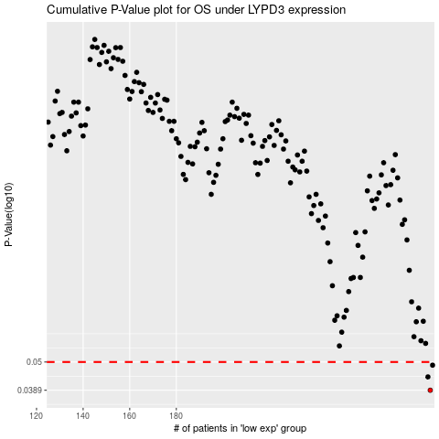

 |  |  |  |  |  | cases_OS | p_OS | rank | exp
 |  |  |  |  |  | 289 | 0.0389 | 151 | 0.17249142867
 |  |  |  |  |  | 288 | 0.0438 | 256 | 0.16976712273
 |  |  |  |  |  | 290 | 0.0486 | 69 | 0.17787686032
 |  |  |  |  |  |  | cases_RFS | p_RFS | rank | exp
 |  |  |  |  |  |  | 288 | 0.0389 | 256 | 0.16976712273
 |  |  |  |  |  |  | 287 | 0.0438 | 207 | 0.16889386551
 |  |  |  |  |  |  | 289 | 0.0486 | 151 | 0.17249142867

