LYPLA1 _multivariate
Reported by Tex Li-Hsing Chi. tex@gate.sinica.edu.tw 2019-08-18

Table 2. The clinicopathological features of HNSCC cohort and LYPLA1 expression. (Chi square test)
Cutoff at -0.127 (50.0%)
 |  | LYPLA1 expression |  | LYPLA1 expression |  | (Optimised)
 | Features | Low | (%) | High | (%) | Case no | P-value | Remark | Matthews
Gender | Female | 153 | 36.9 | 153 | 36.9 | 415 | 1 | 0 | 0
2 | Male | 54 | 13 | 55 | 13.3
Age at diagnosis | <=65y | 140 | 33.7 | 134 | 32.3 | 415 | 0.5574 | 0 | 0
4 | >65y | 67 | 16.1 | 74 | 17.8
Clinical T Status | T1+T2 | 72 | 17.3 | 77 | 18.6 | 415 | 0.7095 | 0 | 0
6 | T3+T4 | 135 | 32.5 | 131 | 31.6
Clinical N Status | N0 | 104 | 25.1 | 112 | 27 | 415 | 0.5243 | 0 | 0
8 | N1-3 | 103 | 24.8 | 96 | 23.1
Clinical M Status | M0 | 205 | 49.4 | 207 | 49.9 | 415 | 0.6232 | 0 | 0
10 | M1 | 2 | 0.5 | 1 | 0.2
Clinical Stage | Stage I+II | 42 | 10.1 | 60 | 14.5 | 415 | 0.0561 | 0 | 0
12 | Stage III+IV | 165 | 39.8 | 148 | 35.7
Surgical Margin status | Negative | 154 | 37.1 | 164 | 39.5 | 415 | 0.2984 | 0 | 0
14 | Positive | 53 | 12.8 | 44 | 10.6
Tobacco Exposure | Low | 74 | 17.8 | 87 | 21 | 415 | 0.227 | 0 | 0
16 | High | 133 | 32 | 121 | 29.2

Table 3. Univariate/Multivariate Cox's proportional hazards regression analyses on OS time of LYPLA1 gene expression in HNSCC

 |  | Univariate |  |  |  | Multivariate
 | Features | HR | CI95%(L) | CI95%(H) | P-value | HR | CI95%(L) | CI95%(H) | P-value
1 | Female | 1 |  |  |  | 1
Gender | Male | 1.157 | 0.843 | 1.587 | 0.367 | 1.199 | 0.858 | 1.674 | 0.288
11 | <=65y | 1 |  |  |  | 1
Age at diagnosis | >65y | 1.329 | 0.99 | 1.784 | 0.058 | 1.384 | 1.018 | 1.883 | 0.038
12 | T1+T2 | 1 |  |  |  | 1
Clinical T Status | T3+T4 | 1.409 | 1.028 | 1.931 | 0.033 | 2.226 | 1.175 | 4.215 | 0.014
13 | N0 | 1 |  |  |  | 1
Clinical N Status | N1-3 | 1.185 | 0.89 | 1.577 | 0.246 | 1.248 | 0.874 | 1.782 | 0.223
14 | M0 | 1 |  |  |  | 1
Clinical M Status | M1 | 4.097 | 1.009 | 16.644 | 0.049 | 9.282 | 2.023 | 42.592 | 0.004
15 | Stage I+II | 1 |  |  |  | 1
Clinical Stage | Stage III+IV | 1.245 | 0.882 | 1.759 | 0.213 | 0.488 | 0.225 | 1.059 | 0.07
16 | Negative | 1 |  |  |  | 1
Surgical Margin status | Positive | 1.591 | 1.155 | 2.191 | 0.004 | 1.668 | 1.207 | 2.306 | 0.002
17 | Low | 1 |  |  |  | 1
Tobacco Exposure | High | 1.364 | 1.008 | 1.844 | 0.044 | 1.444 | 1.047 | 1.991 | 0.025
18 | Low | 1 |  |  |  | 1
RNAseq(z-score) | High | 0.873 | 0.655 | 1.163 | 0.353 | 0.926 | 0.688 | 1.246 | 0.61

Table 4. Univariate/Multivariate Cox's proportional hazards regression analyses on RFS time of LYPLA1 gene expression in HNSCC

 |  | Univariate |  |  |  | Multivariate
 | Features | HR | CI95%(L) | CI95%(H) | P-value | HR | CI95%(L) | CI95%(H) | P-value
1 | Female | 1 |  |  |  | 1
Gender | Male | 1.157 | 0.843 | 1.587 | 0.367 | 1.199 | 0.858 | 1.674 | 0.288
11 | <=65y | 1 |  |  |  | 1
Age at diagnosis | >65y | 1.329 | 0.99 | 1.784 | 0.058 | 1.384 | 1.018 | 1.883 | 0.038
12 | T1+T2 | 1 |  |  |  | 1
Clinical T Status | T3+T4 | 1.409 | 1.028 | 1.931 | 0.033 | 2.226 | 1.175 | 4.215 | 0.014
13 | N0 | 1 |  |  |  | 1
Clinical N Status | N1-3 | 1.185 | 0.89 | 1.577 | 0.246 | 1.248 | 0.874 | 1.782 | 0.223
14 | M0 | 1 |  |  |  | 1
Clinical M Status | M1 | 4.097 | 1.009 | 16.644 | 0.049 | 9.282 | 2.023 | 42.592 | 0.004
15 | Stage I+II | 1 |  |  |  | 1
Clinical Stage | Stage III+IV | 1.245 | 0.882 | 1.759 | 0.213 | 0.488 | 0.225 | 1.059 | 0.07
16 | Negative | 1 |  |  |  | 1
Surgical Margin status | Positive | 1.591 | 1.155 | 2.191 | 0.004 | 1.668 | 1.207 | 2.306 | 0.002
17 | Low | 1 |  |  |  | 1
Tobacco Exposure | High | 1.364 | 1.008 | 1.844 | 0.044 | 1.444 | 1.047 | 1.991 | 0.025
18 | Low | 1 |  |  |  | 1
RNAseq(z-score) | High | 0.873 | 0.655 | 1.163 | 0.353 | 0.926 | 0.688 | 1.246 | 0.61

Kaplan-Meier survival estimate: Cutoff at -0.127 (50.0%)



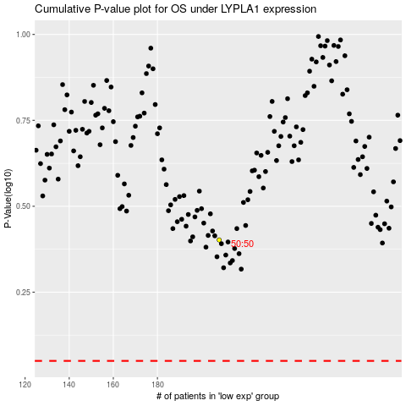

 |  |  |  |  |  | cases_OS | p_OS | rank | exp
 |  |  |  |  |  |  | cases_RFS | p_RFS | rank | exp

