LYPLA2 _multivariate
Reported by Tex Li-Hsing Chi. tex@gate.sinica.edu.tw 2019-08-18

Table 2. The clinicopathological features of HNSCC cohort and LYPLA2 expression. (Chi square test)
Cutoff at -0.229 (45.7%)
 |  | LYPLA2 expression |  | LYPLA2 expression |  | (Optimised)
 | Features | Low | (%) | High | (%) | Case no | P-value | Remark | Matthews
Gender | Female | 141 | 34 | 165 | 39.8 | 415 | 0.7983 | 0 | 0
2 | Male | 48 | 11.6 | 61 | 14.7
Age at diagnosis | <=65y | 124 | 29.9 | 150 | 36.1 | 415 | 0.9526 | 0 | 0
4 | >65y | 65 | 15.7 | 76 | 18.3
Clinical T Status | T1+T2 | 75 | 18.1 | 74 | 17.8 | 415 | 0.1723 | 0 | 0
6 | T3+T4 | 114 | 27.5 | 152 | 36.6
Clinical N Status | N0 | 105 | 25.3 | 111 | 26.7 | 415 | 0.2266 | 0 | 0
8 | N1-3 | 84 | 20.2 | 115 | 27.7
Clinical M Status | M0 | 189 | 45.5 | 223 | 53.7 | 415 | 0.2542 | 0 | 0
10 | M1 | 0 | 0 | 3 | 0.7
Clinical Stage | Stage I+II | 52 | 12.5 | 50 | 12 | 415 | 0.2479 | 0 | 0
12 | Stage III+IV | 137 | 33 | 176 | 42.4
Surgical Margin status | Negative | 145 | 34.9 | 173 | 41.7 | 415 | 1 | 0 | 0
14 | Positive | 44 | 10.6 | 53 | 12.8
Tobacco Exposure | Low | 69 | 16.6 | 92 | 22.2 | 415 | 0.4188 | 0 | 0
16 | High | 120 | 28.9 | 134 | 32.3

Table 3. Univariate/Multivariate Cox's proportional hazards regression analyses on OS time of LYPLA2 gene expression in HNSCC

 |  | Univariate |  |  |  | Multivariate
 | Features | HR | CI95%(L) | CI95%(H) | P-value | HR | CI95%(L) | CI95%(H) | P-value
1 | Female | 1 |  |  |  | 1
Gender | Male | 1.157 | 0.843 | 1.587 | 0.367 | 1.172 | 0.837 | 1.642 | 0.355
11 | <=65y | 1 |  |  |  | 1
Age at diagnosis | >65y | 1.329 | 0.99 | 1.784 | 0.058 | 1.395 | 1.026 | 1.898 | 0.034
12 | T1+T2 | 1 |  |  |  | 1
Clinical T Status | T3+T4 | 1.409 | 1.028 | 1.931 | 0.033 | 2.174 | 1.149 | 4.113 | 0.017
13 | N0 | 1 |  |  |  | 1
Clinical N Status | N1-3 | 1.185 | 0.89 | 1.577 | 0.246 | 1.213 | 0.85 | 1.731 | 0.287
14 | M0 | 1 |  |  |  | 1
Clinical M Status | M1 | 4.097 | 1.009 | 16.644 | 0.049 | 8.141 | 1.766 | 37.536 | 0.007
15 | Stage I+II | 1 |  |  |  | 1
Clinical Stage | Stage III+IV | 1.245 | 0.882 | 1.759 | 0.213 | 0.516 | 0.24 | 1.107 | 0.089
16 | Negative | 1 |  |  |  | 1
Surgical Margin status | Positive | 1.591 | 1.155 | 2.191 | 0.004 | 1.674 | 1.212 | 2.313 | 0.002
17 | Low | 1 |  |  |  | 1
Tobacco Exposure | High | 1.364 | 1.008 | 1.844 | 0.044 | 1.45 | 1.052 | 2 | 0.023
18 | Low | 1 |  |  |  | 1
RNAseq(z-score) | High | 1.413 | 1.056 | 1.891 | 0.02 | 1.362 | 1.015 | 1.829 | 0.04

Table 4. Univariate/Multivariate Cox's proportional hazards regression analyses on RFS time of LYPLA2 gene expression in HNSCC

 |  | Univariate |  |  |  | Multivariate
 | Features | HR | CI95%(L) | CI95%(H) | P-value | HR | CI95%(L) | CI95%(H) | P-value
1 | Female | 1 |  |  |  | 1
Gender | Male | 1.157 | 0.843 | 1.587 | 0.367 | 1.172 | 0.837 | 1.642 | 0.355
11 | <=65y | 1 |  |  |  | 1
Age at diagnosis | >65y | 1.329 | 0.99 | 1.784 | 0.058 | 1.395 | 1.026 | 1.898 | 0.034
12 | T1+T2 | 1 |  |  |  | 1
Clinical T Status | T3+T4 | 1.409 | 1.028 | 1.931 | 0.033 | 2.174 | 1.149 | 4.113 | 0.017
13 | N0 | 1 |  |  |  | 1
Clinical N Status | N1-3 | 1.185 | 0.89 | 1.577 | 0.246 | 1.213 | 0.85 | 1.731 | 0.287
14 | M0 | 1 |  |  |  | 1
Clinical M Status | M1 | 4.097 | 1.009 | 16.644 | 0.049 | 8.141 | 1.766 | 37.536 | 0.007
15 | Stage I+II | 1 |  |  |  | 1
Clinical Stage | Stage III+IV | 1.245 | 0.882 | 1.759 | 0.213 | 0.516 | 0.24 | 1.107 | 0.089
16 | Negative | 1 |  |  |  | 1
Surgical Margin status | Positive | 1.591 | 1.155 | 2.191 | 0.004 | 1.674 | 1.212 | 2.313 | 0.002
17 | Low | 1 |  |  |  | 1
Tobacco Exposure | High | 1.364 | 1.008 | 1.844 | 0.044 | 1.45 | 1.052 | 2 | 0.023
18 | Low | 1 |  |  |  | 1
RNAseq(z-score) | High | 1.413 | 1.056 | 1.891 | 0.02 | 1.362 | 1.015 | 1.829 | 0.04

Kaplan-Meier survival estimate: Cutoff at -0.229 (45.7%)

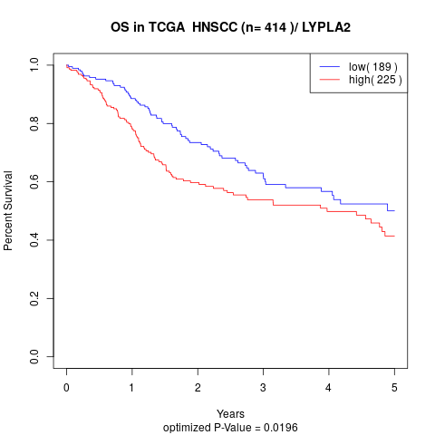

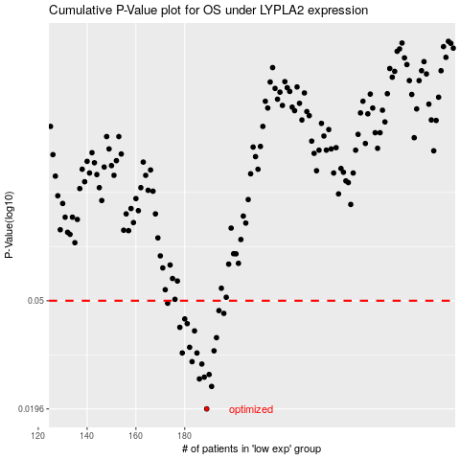

 |  |  |  |  |  | cases_OS | p_OS | rank | exp
 |  |  |  |  |  | 189 | 0.0196 | 52 | -0.22910650902
 |  |  |  |  |  | 191 | 0.0238 | 68 | -0.21888980586
 |  |  |  |  |  | 186 | 0.0254 | 278 | -0.23609879168
 |  |  |  |  |  | 188 | 0.0258 | 50 | -0.22957520142
 |  |  |  |  |  | 190 | 0.0264 | 331 | -0.2227123245
 |  |  |  |  |  | 187 | 0.0289 | 8 | -0.23603632712
 |  |  |  |  |  | 183 | 0.0295 | 208 | -0.25657592319
 |  |  |  |  |  | 179 | 0.0318 | 133 | -0.2697039953
 |  |  |  |  |  | 185 | 0.0318 | 192 | -0.2427699024
 |  |  |  |  |  | 192 | 0.0324 | 226 | -0.21437840724
 |  |  |  |  |  | 182 | 0.0334 | 353 | -0.26365565623
 |  |  |  |  |  | 193 | 0.0363 | 181 | -0.21020171454
 |  |  |  |  |  | 184 | 0.0385 | 164 | -0.24613736674
 |  |  |  |  |  | 178 | 0.0397 | 112 | -0.27014489098
 |  |  |  |  |  | 181 | 0.041 | 328 | -0.26432215307
 |  |  |  |  |  | 180 | 0.0427 | 246 | -0.26497948844
 |  |  |  |  |  | 196 | 0.0448 | 3 | -0.19171439154
 |  |  |  |  |  | 194 | 0.0459 | 248 | -0.20298518412
 |  |  |  |  |  | 173 | 0.0489 | 274 | -0.29280599167
 |  |  |  |  |  |  | cases_RFS | p_RFS | rank | exp
 |  |  |  |  |  |  | 188 | 0.0196 | 50 | -0.22957520142
 |  |  |  |  |  |  | 190 | 0.0238 | 331 | -0.2227123245
 |  |  |  |  |  |  | 185 | 0.0254 | 192 | -0.2427699024
 |  |  |  |  |  |  | 187 | 0.0258 | 8 | -0.23603632712
 |  |  |  |  |  |  | 189 | 0.0264 | 52 | -0.22910650902
 |  |  |  |  |  |  | 186 | 0.0289 | 278 | -0.23609879168
 |  |  |  |  |  |  | 182 | 0.0295 | 353 | -0.26365565623
 |  |  |  |  |  |  | 178 | 0.0318 | 112 | -0.27014489098
 |  |  |  |  |  |  | 184 | 0.0318 | 164 | -0.24613736674
 |  |  |  |  |  |  | 191 | 0.0324 | 68 | -0.21888980586
 |  |  |  |  |  |  | 181 | 0.0334 | 328 | -0.26432215307
 |  |  |  |  |  |  | 192 | 0.0363 | 226 | -0.21437840724
 |  |  |  |  |  |  | 183 | 0.0385 | 208 | -0.25657592319
 |  |  |  |  |  |  | 177 | 0.0397 | 184 | -0.28329930232
 |  |  |  |  |  |  | 180 | 0.041 | 246 | -0.26497948844
 |  |  |  |  |  |  | 179 | 0.0427 | 133 | -0.2697039953
 |  |  |  |  |  |  | 195 | 0.0448 | 149 | -0.19714412327
 |  |  |  |  |  |  | 193 | 0.0459 | 181 | -0.21020171454
 |  |  |  |  |  |  | 172 | 0.0489 | 299 | -0.29446713249

