LYPLAL1 _multivariate
Reported by Tex Li-Hsing Chi. tex@gate.sinica.edu.tw 2019-08-18

Table 2. The clinicopathological features of HNSCC cohort and LYPLAL1 expression. (Chi square test)
Cutoff at -0.291 (50.0%)
 |  | LYPLAL1 expression |  | LYPLAL1 expression |  | (Optimised)
 | Features | Low | (%) | High | (%) | Case no | P-value | Remark | Matthews
Gender | Female | 154 | 37.1 | 152 | 36.6 | 415 | 0.8463 | 0 | 0
2 | Male | 53 | 12.8 | 56 | 13.5
Age at diagnosis | <=65y | 132 | 31.8 | 142 | 34.2 | 415 | 0.3874 | 0 | 0
4 | >65y | 75 | 18.1 | 66 | 15.9
Clinical T Status | T1+T2 | 69 | 16.6 | 80 | 19.3 | 415 | 0.3239 | 0 | 0
6 | T3+T4 | 138 | 33.3 | 128 | 30.8
Clinical N Status | N0 | 108 | 26 | 108 | 26 | 415 | 1 | 0 | 0
8 | N1-3 | 99 | 23.9 | 100 | 24.1
Clinical M Status | M0 | 207 | 49.9 | 205 | 49.4 | 415 | 0.2482 | 0 | 0
10 | M1 | 0 | 0 | 3 | 0.7
Clinical Stage | Stage I+II | 50 | 12 | 52 | 12.5 | 415 | 0.9315 | 0 | 0
12 | Stage III+IV | 157 | 37.8 | 156 | 37.6
Surgical Margin status | Negative | 166 | 40 | 152 | 36.6 | 415 | 0.1042 | 0 | 0
14 | Positive | 41 | 9.9 | 56 | 13.5
Tobacco Exposure | Low | 78 | 18.8 | 83 | 20 | 415 | 0.6873 | 0 | 0
16 | High | 129 | 31.1 | 125 | 30.1

Table 3. Univariate/Multivariate Cox's proportional hazards regression analyses on OS time of LYPLAL1 gene expression in HNSCC

 |  | Univariate |  |  |  | Multivariate
 | Features | HR | CI95%(L) | CI95%(H) | P-value | HR | CI95%(L) | CI95%(H) | P-value
1 | Female | 1 |  |  |  | 1
Gender | Male | 1.157 | 0.843 | 1.587 | 0.367 | 1.24 | 0.884 | 1.739 | 0.212
11 | <=65y | 1 |  |  |  | 1
Age at diagnosis | >65y | 1.329 | 0.99 | 1.784 | 0.058 | 1.38 | 1.014 | 1.879 | 0.04
12 | T1+T2 | 1 |  |  |  | 1
Clinical T Status | T3+T4 | 1.409 | 1.028 | 1.931 | 0.033 | 2.188 | 1.158 | 4.135 | 0.016
13 | N0 | 1 |  |  |  | 1
Clinical N Status | N1-3 | 1.185 | 0.89 | 1.577 | 0.246 | 1.255 | 0.879 | 1.792 | 0.211
14 | M0 | 1 |  |  |  | 1
Clinical M Status | M1 | 4.097 | 1.009 | 16.644 | 0.049 | 10.479 | 2.265 | 48.473 | 0.003
15 | Stage I+II | 1 |  |  |  | 1
Clinical Stage | Stage III+IV | 1.245 | 0.882 | 1.759 | 0.213 | 0.507 | 0.236 | 1.089 | 0.081
16 | Negative | 1 |  |  |  | 1
Surgical Margin status | Positive | 1.591 | 1.155 | 2.191 | 0.004 | 1.725 | 1.244 | 2.392 | 0.001
17 | Low | 1 |  |  |  | 1
Tobacco Exposure | High | 1.364 | 1.008 | 1.844 | 0.044 | 1.477 | 1.069 | 2.04 | 0.018
18 | Low | 1 |  |  |  | 1
RNAseq(z-score) | High | 0.903 | 0.677 | 1.203 | 0.484 | 0.817 | 0.607 | 1.099 | 0.182

Table 4. Univariate/Multivariate Cox's proportional hazards regression analyses on RFS time of LYPLAL1 gene expression in HNSCC

 |  | Univariate |  |  |  | Multivariate
 | Features | HR | CI95%(L) | CI95%(H) | P-value | HR | CI95%(L) | CI95%(H) | P-value
1 | Female | 1 |  |  |  | 1
Gender | Male | 1.157 | 0.843 | 1.587 | 0.367 | 1.24 | 0.884 | 1.739 | 0.212
11 | <=65y | 1 |  |  |  | 1
Age at diagnosis | >65y | 1.329 | 0.99 | 1.784 | 0.058 | 1.38 | 1.014 | 1.879 | 0.04
12 | T1+T2 | 1 |  |  |  | 1
Clinical T Status | T3+T4 | 1.409 | 1.028 | 1.931 | 0.033 | 2.188 | 1.158 | 4.135 | 0.016
13 | N0 | 1 |  |  |  | 1
Clinical N Status | N1-3 | 1.185 | 0.89 | 1.577 | 0.246 | 1.255 | 0.879 | 1.792 | 0.211
14 | M0 | 1 |  |  |  | 1
Clinical M Status | M1 | 4.097 | 1.009 | 16.644 | 0.049 | 10.479 | 2.265 | 48.473 | 0.003
15 | Stage I+II | 1 |  |  |  | 1
Clinical Stage | Stage III+IV | 1.245 | 0.882 | 1.759 | 0.213 | 0.507 | 0.236 | 1.089 | 0.081
16 | Negative | 1 |  |  |  | 1
Surgical Margin status | Positive | 1.591 | 1.155 | 2.191 | 0.004 | 1.725 | 1.244 | 2.392 | 0.001
17 | Low | 1 |  |  |  | 1
Tobacco Exposure | High | 1.364 | 1.008 | 1.844 | 0.044 | 1.477 | 1.069 | 2.04 | 0.018
18 | Low | 1 |  |  |  | 1
RNAseq(z-score) | High | 0.903 | 0.677 | 1.203 | 0.484 | 0.817 | 0.607 | 1.099 | 0.182

Kaplan-Meier survival estimate: Cutoff at -0.291 (50.0%)



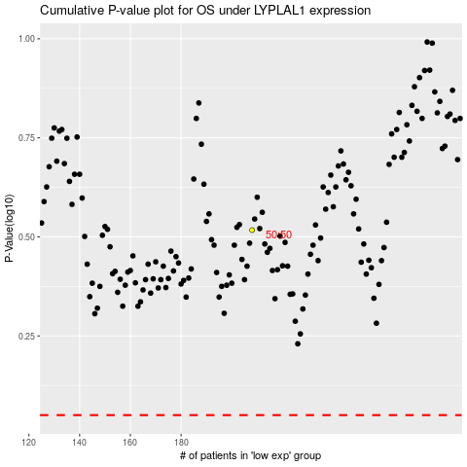

 |  |  |  |  |  | cases_OS | p_OS | rank | exp
 |  |  |  |  |  |  | cases_RFS | p_RFS | rank | exp

