LYRM1 _multivariate
Reported by Tex Li-Hsing Chi. tex@gate.sinica.edu.tw 2019-08-18

Table 2. The clinicopathological features of HNSCC cohort and LYRM1 expression. (Chi square test)
Cutoff at -0.109 (59.2%)
 |  | LYRM1 expression |  | LYRM1 expression |  | (Optimised)
 | Features | Low | (%) | High | (%) | Case no | P-value | Remark | Matthews
Gender | Female | 175 | 42.2 | 131 | 31.6 | 415 | 0.2427 | 0 | 0
2 | Male | 70 | 16.9 | 39 | 9.4
Age at diagnosis | <=65y | 157 | 37.8 | 117 | 28.2 | 415 | 0.3694 | 0 | 0
4 | >65y | 88 | 21.2 | 53 | 12.8
Clinical T Status | T1+T2 | 88 | 21.2 | 61 | 14.7 | 415 | 1 | 0 | 0
6 | T3+T4 | 157 | 37.8 | 109 | 26.3
Clinical N Status | N0 | 122 | 29.4 | 94 | 22.7 | 415 | 0.316 | 0 | 0
8 | N1-3 | 123 | 29.6 | 76 | 18.3
Clinical M Status | M0 | 242 | 58.3 | 170 | 41 | 415 | 0.2727 | 0 | 0
10 | M1 | 3 | 0.7 | 0 | 0
Clinical Stage | Stage I+II | 57 | 13.7 | 45 | 10.8 | 415 | 0.5288 | 0 | 0
12 | Stage III+IV | 188 | 45.3 | 125 | 30.1
Surgical Margin status | Negative | 186 | 44.8 | 132 | 31.8 | 415 | 0.7243 | 0 | 0
14 | Positive | 59 | 14.2 | 38 | 9.2
Tobacco Exposure | Low | 98 | 23.6 | 63 | 15.2 | 415 | 0.6087 | 0 | 0
16 | High | 147 | 35.4 | 107 | 25.8

Table 3. Univariate/Multivariate Cox's proportional hazards regression analyses on OS time of LYRM1 gene expression in HNSCC

 |  | Univariate |  |  |  | Multivariate
 | Features | HR | CI95%(L) | CI95%(H) | P-value | HR | CI95%(L) | CI95%(H) | P-value
1 | Female | 1 |  |  |  | 1
Gender | Male | 1.157 | 0.843 | 1.587 | 0.367 | 1.186 | 0.849 | 1.657 | 0.317
11 | <=65y | 1 |  |  |  | 1
Age at diagnosis | >65y | 1.329 | 0.99 | 1.784 | 0.058 | 1.379 | 1.013 | 1.877 | 0.041
12 | T1+T2 | 1 |  |  |  | 1
Clinical T Status | T3+T4 | 1.409 | 1.028 | 1.931 | 0.033 | 2.24 | 1.184 | 4.239 | 0.013
13 | N0 | 1 |  |  |  | 1
Clinical N Status | N1-3 | 1.185 | 0.89 | 1.577 | 0.246 | 1.221 | 0.855 | 1.744 | 0.272
14 | M0 | 1 |  |  |  | 1
Clinical M Status | M1 | 4.097 | 1.009 | 16.644 | 0.049 | 8.712 | 1.896 | 40.032 | 0.005
15 | Stage I+II | 1 |  |  |  | 1
Clinical Stage | Stage III+IV | 1.245 | 0.882 | 1.759 | 0.213 | 0.483 | 0.224 | 1.037 | 0.062
16 | Negative | 1 |  |  |  | 1
Surgical Margin status | Positive | 1.591 | 1.155 | 2.191 | 0.004 | 1.69 | 1.223 | 2.336 | 0.001
17 | Low | 1 |  |  |  | 1
Tobacco Exposure | High | 1.364 | 1.008 | 1.844 | 0.044 | 1.472 | 1.067 | 2.03 | 0.018
18 | Low | 1 |  |  |  | 1
RNAseq(z-score) | High | 0.735 | 0.545 | 0.993 | 0.045 | 0.761 | 0.561 | 1.032 | 0.079

Table 4. Univariate/Multivariate Cox's proportional hazards regression analyses on RFS time of LYRM1 gene expression in HNSCC

 |  | Univariate |  |  |  | Multivariate
 | Features | HR | CI95%(L) | CI95%(H) | P-value | HR | CI95%(L) | CI95%(H) | P-value
1 | Female | 1 |  |  |  | 1
Gender | Male | 1.157 | 0.843 | 1.587 | 0.367 | 1.186 | 0.849 | 1.657 | 0.317
11 | <=65y | 1 |  |  |  | 1
Age at diagnosis | >65y | 1.329 | 0.99 | 1.784 | 0.058 | 1.379 | 1.013 | 1.877 | 0.041
12 | T1+T2 | 1 |  |  |  | 1
Clinical T Status | T3+T4 | 1.409 | 1.028 | 1.931 | 0.033 | 2.24 | 1.184 | 4.239 | 0.013
13 | N0 | 1 |  |  |  | 1
Clinical N Status | N1-3 | 1.185 | 0.89 | 1.577 | 0.246 | 1.221 | 0.855 | 1.744 | 0.272
14 | M0 | 1 |  |  |  | 1
Clinical M Status | M1 | 4.097 | 1.009 | 16.644 | 0.049 | 8.712 | 1.896 | 40.032 | 0.005
15 | Stage I+II | 1 |  |  |  | 1
Clinical Stage | Stage III+IV | 1.245 | 0.882 | 1.759 | 0.213 | 0.483 | 0.224 | 1.037 | 0.062
16 | Negative | 1 |  |  |  | 1
Surgical Margin status | Positive | 1.591 | 1.155 | 2.191 | 0.004 | 1.69 | 1.223 | 2.336 | 0.001
17 | Low | 1 |  |  |  | 1
Tobacco Exposure | High | 1.364 | 1.008 | 1.844 | 0.044 | 1.472 | 1.067 | 2.03 | 0.018
18 | Low | 1 |  |  |  | 1
RNAseq(z-score) | High | 0.735 | 0.545 | 0.993 | 0.045 | 0.761 | 0.561 | 1.032 | 0.079

Kaplan-Meier survival estimate: Cutoff at -0.109 (59.2%)



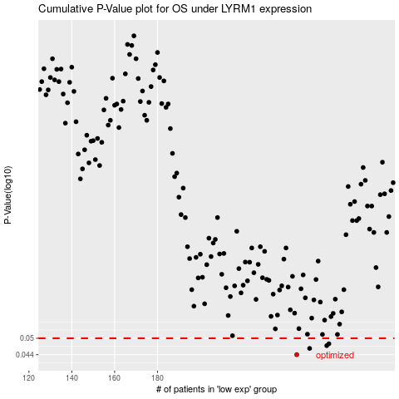

 |  |  |  |  |  | cases_OS | p_OS | rank | exp
 |  |  |  |  |  | 245 | 0.044 | 6 | -0.10881031111
 |  |  |  |  |  | 251 | 0.0462 | 193 | -0.093152124208
 |  |  |  |  |  | 259 | 0.0472 | 345 | -0.066672039141
 |  |  |  |  |  | 260 | 0.0479 | 165 | -0.063942195915
 |  |  |  |  |  |  | cases_RFS | p_RFS | rank | exp
 |  |  |  |  |  |  | 244 | 0.044 | 43 | -0.10950970608
 |  |  |  |  |  |  | 250 | 0.0462 | 211 | -0.094947972254
 |  |  |  |  |  |  | 258 | 0.0472 | 249 | -0.067895704997
 |  |  |  |  |  |  | 259 | 0.0479 | 345 | -0.066672039141

