LYRM2 _multivariate
Reported by Tex Li-Hsing Chi. tex@gate.sinica.edu.tw 2019-08-18

Table 2. The clinicopathological features of HNSCC cohort and LYRM2 expression. (Chi square test)
Cutoff at -0.206 (49.8%)
 |  | LYRM2 expression |  | LYRM2 expression |  | (Optimised)
 | Features | Low | (%) | High | (%) | Case no | P-value | Remark | Matthews
Gender | Female | 156 | 37.6 | 150 | 36.1 | 415 | 0.5222 | 0 | 0
2 | Male | 51 | 12.3 | 58 | 14
Age at diagnosis | <=65y | 136 | 32.8 | 138 | 33.3 | 415 | 0.9719 | 0 | 0
4 | >65y | 71 | 17.1 | 70 | 16.9
Clinical T Status | T1+T2 | 61 | 14.7 | 88 | 21.2 | 415 | 0.0087 | 1 | 0
6 | T3+T4 | 146 | 35.2 | 120 | 28.9
Clinical N Status | N0 | 104 | 25.1 | 112 | 27 | 415 | 0.5243 | 0 | 0
8 | N1-3 | 103 | 24.8 | 96 | 23.1
Clinical M Status | M0 | 206 | 49.6 | 206 | 49.6 | 415 | 1 | 0 | 0
10 | M1 | 1 | 0.2 | 2 | 0.5
Clinical Stage | Stage I+II | 44 | 10.6 | 58 | 14 | 415 | 0.1459 | 0 | 0
12 | Stage III+IV | 163 | 39.3 | 150 | 36.1
Surgical Margin status | Negative | 162 | 39 | 156 | 37.6 | 415 | 0.4867 | 0 | 0
14 | Positive | 45 | 10.8 | 52 | 12.5
Tobacco Exposure | Low | 77 | 18.6 | 84 | 20.2 | 415 | 0.5459 | 0 | 0
16 | High | 130 | 31.3 | 124 | 29.9

Table 3. Univariate/Multivariate Cox's proportional hazards regression analyses on OS time of LYRM2 gene expression in HNSCC

 |  | Univariate |  |  |  | Multivariate
 | Features | HR | CI95%(L) | CI95%(H) | P-value | HR | CI95%(L) | CI95%(H) | P-value
1 | Female | 1 |  |  |  | 1
Gender | Male | 1.157 | 0.843 | 1.587 | 0.367 | 1.197 | 0.856 | 1.672 | 0.293
11 | <=65y | 1 |  |  |  | 1
Age at diagnosis | >65y | 1.329 | 0.99 | 1.784 | 0.058 | 1.387 | 1.02 | 1.887 | 0.037
12 | T1+T2 | 1 |  |  |  | 1
Clinical T Status | T3+T4 | 1.409 | 1.028 | 1.931 | 0.033 | 2.246 | 1.178 | 4.283 | 0.014
13 | N0 | 1 |  |  |  | 1
Clinical N Status | N1-3 | 1.185 | 0.89 | 1.577 | 0.246 | 1.246 | 0.873 | 1.779 | 0.226
14 | M0 | 1 |  |  |  | 1
Clinical M Status | M1 | 4.097 | 1.009 | 16.644 | 0.049 | 9.375 | 2.045 | 42.986 | 0.004
15 | Stage I+II | 1 |  |  |  | 1
Clinical Stage | Stage III+IV | 1.245 | 0.882 | 1.759 | 0.213 | 0.496 | 0.23 | 1.07 | 0.074
16 | Negative | 1 |  |  |  | 1
Surgical Margin status | Positive | 1.591 | 1.155 | 2.191 | 0.004 | 1.674 | 1.211 | 2.313 | 0.002
17 | Low | 1 |  |  |  | 1
Tobacco Exposure | High | 1.364 | 1.008 | 1.844 | 0.044 | 1.447 | 1.05 | 1.995 | 0.024
18 | Low | 1 |  |  |  | 1
RNAseq(z-score) | High | 1.016 | 0.763 | 1.353 | 0.914 | 1.057 | 0.789 | 1.416 | 0.712

Table 4. Univariate/Multivariate Cox's proportional hazards regression analyses on RFS time of LYRM2 gene expression in HNSCC

 |  | Univariate |  |  |  | Multivariate
 | Features | HR | CI95%(L) | CI95%(H) | P-value | HR | CI95%(L) | CI95%(H) | P-value
1 | Female | 1 |  |  |  | 1
Gender | Male | 1.157 | 0.843 | 1.587 | 0.367 | 1.197 | 0.856 | 1.672 | 0.293
11 | <=65y | 1 |  |  |  | 1
Age at diagnosis | >65y | 1.329 | 0.99 | 1.784 | 0.058 | 1.387 | 1.02 | 1.887 | 0.037
12 | T1+T2 | 1 |  |  |  | 1
Clinical T Status | T3+T4 | 1.409 | 1.028 | 1.931 | 0.033 | 2.246 | 1.178 | 4.283 | 0.014
13 | N0 | 1 |  |  |  | 1
Clinical N Status | N1-3 | 1.185 | 0.89 | 1.577 | 0.246 | 1.246 | 0.873 | 1.779 | 0.226
14 | M0 | 1 |  |  |  | 1
Clinical M Status | M1 | 4.097 | 1.009 | 16.644 | 0.049 | 9.375 | 2.045 | 42.986 | 0.004
15 | Stage I+II | 1 |  |  |  | 1
Clinical Stage | Stage III+IV | 1.245 | 0.882 | 1.759 | 0.213 | 0.496 | 0.23 | 1.07 | 0.074
16 | Negative | 1 |  |  |  | 1
Surgical Margin status | Positive | 1.591 | 1.155 | 2.191 | 0.004 | 1.674 | 1.211 | 2.313 | 0.002
17 | Low | 1 |  |  |  | 1
Tobacco Exposure | High | 1.364 | 1.008 | 1.844 | 0.044 | 1.447 | 1.05 | 1.995 | 0.024
18 | Low | 1 |  |  |  | 1
RNAseq(z-score) | High | 1.016 | 0.763 | 1.353 | 0.914 | 1.057 | 0.789 | 1.416 | 0.712

Kaplan-Meier survival estimate: Cutoff at -0.206 (49.8%)

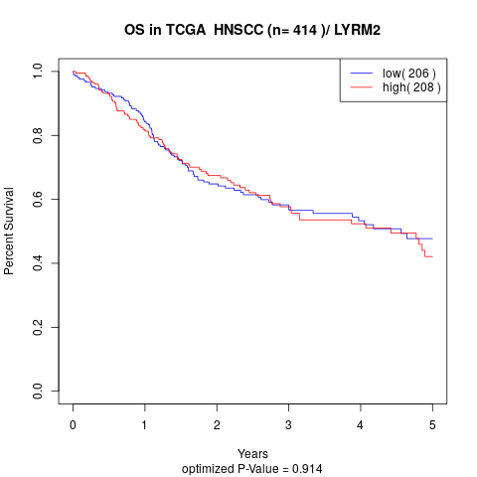

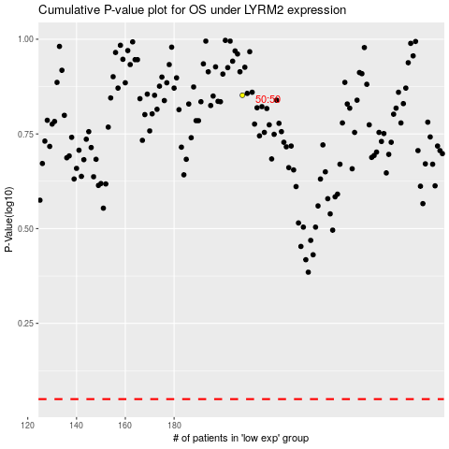

 |  |  |  |  |  | cases_OS | p_OS | rank | exp
 |  |  |  |  |  |  | cases_RFS | p_RFS | rank | exp

