LYRM4 _multivariate
Reported by Tex Li-Hsing Chi. tex@gate.sinica.edu.tw 2019-08-18

Table 2. The clinicopathological features of HNSCC cohort and LYRM4 expression. (Chi square test)
Cutoff at -0.266 (49.8%)
 |  | LYRM4 expression |  | LYRM4 expression |  | (Optimised)
 | Features | Low | (%) | High | (%) | Case no | P-value | Remark | Matthews
Gender | Female | 147 | 35.4 | 159 | 38.3 | 415 | 0.2523 | 0 | 0
2 | Male | 60 | 14.5 | 49 | 11.8
Age at diagnosis | <=65y | 133 | 32 | 141 | 34 | 415 | 0.5111 | 0 | 0
4 | >65y | 74 | 17.8 | 67 | 16.1
Clinical T Status | T1+T2 | 77 | 18.6 | 72 | 17.3 | 415 | 0.6556 | 0 | 0
6 | T3+T4 | 130 | 31.3 | 136 | 32.8
Clinical N Status | N0 | 107 | 25.8 | 109 | 26.3 | 415 | 0.9624 | 0 | 0
8 | N1-3 | 100 | 24.1 | 99 | 23.9
Clinical M Status | M0 | 205 | 49.4 | 207 | 49.9 | 415 | 0.6232 | 0 | 0
10 | M1 | 2 | 0.5 | 1 | 0.2
Clinical Stage | Stage I+II | 53 | 12.8 | 49 | 11.8 | 415 | 0.7113 | 0 | 0
12 | Stage III+IV | 154 | 37.1 | 159 | 38.3
Surgical Margin status | Negative | 169 | 40.7 | 149 | 35.9 | 415 | 0.0201 | 1 | 0
14 | Positive | 38 | 9.2 | 59 | 14.2
Tobacco Exposure | Low | 92 | 22.2 | 69 | 16.6 | 415 | 0.0206 | 1 | 0
16 | High | 115 | 27.7 | 139 | 33.5

Table 3. Univariate/Multivariate Cox's proportional hazards regression analyses on OS time of LYRM4 gene expression in HNSCC

 |  | Univariate |  |  |  | Multivariate
 | Features | HR | CI95%(L) | CI95%(H) | P-value | HR | CI95%(L) | CI95%(H) | P-value
1 | Female | 1 |  |  |  | 1
Gender | Male | 1.157 | 0.843 | 1.587 | 0.367 | 1.204 | 0.862 | 1.681 | 0.276
11 | <=65y | 1 |  |  |  | 1
Age at diagnosis | >65y | 1.329 | 0.99 | 1.784 | 0.058 | 1.383 | 1.017 | 1.882 | 0.039
12 | T1+T2 | 1 |  |  |  | 1
Clinical T Status | T3+T4 | 1.409 | 1.028 | 1.931 | 0.033 | 2.187 | 1.156 | 4.137 | 0.016
13 | N0 | 1 |  |  |  | 1
Clinical N Status | N1-3 | 1.185 | 0.89 | 1.577 | 0.246 | 1.237 | 0.867 | 1.764 | 0.241
14 | M0 | 1 |  |  |  | 1
Clinical M Status | M1 | 4.097 | 1.009 | 16.644 | 0.049 | 9.286 | 2.025 | 42.584 | 0.004
15 | Stage I+II | 1 |  |  |  | 1
Clinical Stage | Stage III+IV | 1.245 | 0.882 | 1.759 | 0.213 | 0.508 | 0.236 | 1.09 | 0.082
16 | Negative | 1 |  |  |  | 1
Surgical Margin status | Positive | 1.591 | 1.155 | 2.191 | 0.004 | 1.688 | 1.22 | 2.336 | 0.002
17 | Low | 1 |  |  |  | 1
Tobacco Exposure | High | 1.364 | 1.008 | 1.844 | 0.044 | 1.469 | 1.064 | 2.027 | 0.019
18 | Low | 1 |  |  |  | 1
RNAseq(z-score) | High | 0.944 | 0.709 | 1.259 | 0.697 | 0.91 | 0.68 | 1.218 | 0.526

Table 4. Univariate/Multivariate Cox's proportional hazards regression analyses on RFS time of LYRM4 gene expression in HNSCC

 |  | Univariate |  |  |  | Multivariate
 | Features | HR | CI95%(L) | CI95%(H) | P-value | HR | CI95%(L) | CI95%(H) | P-value
1 | Female | 1 |  |  |  | 1
Gender | Male | 1.157 | 0.843 | 1.587 | 0.367 | 1.204 | 0.862 | 1.681 | 0.276
11 | <=65y | 1 |  |  |  | 1
Age at diagnosis | >65y | 1.329 | 0.99 | 1.784 | 0.058 | 1.383 | 1.017 | 1.882 | 0.039
12 | T1+T2 | 1 |  |  |  | 1
Clinical T Status | T3+T4 | 1.409 | 1.028 | 1.931 | 0.033 | 2.187 | 1.156 | 4.137 | 0.016
13 | N0 | 1 |  |  |  | 1
Clinical N Status | N1-3 | 1.185 | 0.89 | 1.577 | 0.246 | 1.237 | 0.867 | 1.764 | 0.241
14 | M0 | 1 |  |  |  | 1
Clinical M Status | M1 | 4.097 | 1.009 | 16.644 | 0.049 | 9.286 | 2.025 | 42.584 | 0.004
15 | Stage I+II | 1 |  |  |  | 1
Clinical Stage | Stage III+IV | 1.245 | 0.882 | 1.759 | 0.213 | 0.508 | 0.236 | 1.09 | 0.082
16 | Negative | 1 |  |  |  | 1
Surgical Margin status | Positive | 1.591 | 1.155 | 2.191 | 0.004 | 1.688 | 1.22 | 2.336 | 0.002
17 | Low | 1 |  |  |  | 1
Tobacco Exposure | High | 1.364 | 1.008 | 1.844 | 0.044 | 1.469 | 1.064 | 2.027 | 0.019
18 | Low | 1 |  |  |  | 1
RNAseq(z-score) | High | 0.944 | 0.709 | 1.259 | 0.697 | 0.91 | 0.68 | 1.218 | 0.526

Kaplan-Meier survival estimate: Cutoff at -0.266 (49.8%)



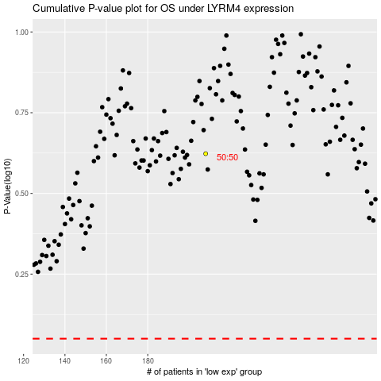

 |  |  |  |  |  | cases_OS | p_OS | rank | exp
 |  |  |  |  |  |  | cases_RFS | p_RFS | rank | exp

