LYRM5 _multivariate
Reported by Tex Li-Hsing Chi. tex@gate.sinica.edu.tw 2019-08-18

Table 2. The clinicopathological features of HNSCC cohort and LYRM5 expression. (Chi square test)
Cutoff at -0.235 (50.0%)
 |  | LYRM5 expression |  | LYRM5 expression |  | (Optimised)
 | Features | Low | (%) | High | (%) | Case no | P-value | Remark | Matthews
Gender | Female | 153 | 36.9 | 153 | 36.9 | 415 | 1 | 0 | 0
2 | Male | 54 | 13 | 55 | 13.3
Age at diagnosis | <=65y | 132 | 31.8 | 142 | 34.2 | 415 | 0.3874 | 0 | 0
4 | >65y | 75 | 18.1 | 66 | 15.9
Clinical T Status | T1+T2 | 67 | 16.1 | 82 | 19.8 | 415 | 0.1628 | 0 | 0
6 | T3+T4 | 140 | 33.7 | 126 | 30.4
Clinical N Status | N0 | 106 | 25.5 | 110 | 26.5 | 415 | 0.8075 | 0 | 0
8 | N1-3 | 101 | 24.3 | 98 | 23.6
Clinical M Status | M0 | 204 | 49.2 | 208 | 50.1 | 415 | 0.1232 | 0 | 0
10 | M1 | 3 | 0.7 | 0 | 0
Clinical Stage | Stage I+II | 49 | 11.8 | 53 | 12.8 | 415 | 0.7535 | 0 | 0
12 | Stage III+IV | 158 | 38.1 | 155 | 37.3
Surgical Margin status | Negative | 167 | 40.2 | 151 | 36.4 | 415 | 0.0632 | 0 | 0
14 | Positive | 40 | 9.6 | 57 | 13.7
Tobacco Exposure | Low | 80 | 19.3 | 81 | 19.5 | 415 | 1 | 0 | 0
16 | High | 127 | 30.6 | 127 | 30.6

Table 3. Univariate/Multivariate Cox's proportional hazards regression analyses on OS time of LYRM5 gene expression in HNSCC

 |  | Univariate |  |  |  | Multivariate
 | Features | HR | CI95%(L) | CI95%(H) | P-value | HR | CI95%(L) | CI95%(H) | P-value
1 | Female | 1 |  |  |  | 1
Gender | Male | 1.157 | 0.843 | 1.587 | 0.367 | 1.201 | 0.859 | 1.678 | 0.284
11 | <=65y | 1 |  |  |  | 1
Age at diagnosis | >65y | 1.329 | 0.99 | 1.784 | 0.058 | 1.383 | 1.016 | 1.884 | 0.04
12 | T1+T2 | 1 |  |  |  | 1
Clinical T Status | T3+T4 | 1.409 | 1.028 | 1.931 | 0.033 | 2.184 | 1.153 | 4.137 | 0.017
13 | N0 | 1 |  |  |  | 1
Clinical N Status | N1-3 | 1.185 | 0.89 | 1.577 | 0.246 | 1.235 | 0.865 | 1.764 | 0.245
14 | M0 | 1 |  |  |  | 1
Clinical M Status | M1 | 4.097 | 1.009 | 16.644 | 0.049 | 9.114 | 1.969 | 42.188 | 0.005
15 | Stage I+II | 1 |  |  |  | 1
Clinical Stage | Stage III+IV | 1.245 | 0.882 | 1.759 | 0.213 | 0.509 | 0.237 | 1.094 | 0.084
16 | Negative | 1 |  |  |  | 1
Surgical Margin status | Positive | 1.591 | 1.155 | 2.191 | 0.004 | 1.684 | 1.216 | 2.334 | 0.002
17 | Low | 1 |  |  |  | 1
Tobacco Exposure | High | 1.364 | 1.008 | 1.844 | 0.044 | 1.455 | 1.056 | 2.005 | 0.022
18 | Low | 1 |  |  |  | 1
RNAseq(z-score) | High | 0.926 | 0.695 | 1.233 | 0.599 | 0.948 | 0.707 | 1.272 | 0.723

Table 4. Univariate/Multivariate Cox's proportional hazards regression analyses on RFS time of LYRM5 gene expression in HNSCC

 |  | Univariate |  |  |  | Multivariate
 | Features | HR | CI95%(L) | CI95%(H) | P-value | HR | CI95%(L) | CI95%(H) | P-value
1 | Female | 1 |  |  |  | 1
Gender | Male | 1.157 | 0.843 | 1.587 | 0.367 | 1.201 | 0.859 | 1.678 | 0.284
11 | <=65y | 1 |  |  |  | 1
Age at diagnosis | >65y | 1.329 | 0.99 | 1.784 | 0.058 | 1.383 | 1.016 | 1.884 | 0.04
12 | T1+T2 | 1 |  |  |  | 1
Clinical T Status | T3+T4 | 1.409 | 1.028 | 1.931 | 0.033 | 2.184 | 1.153 | 4.137 | 0.017
13 | N0 | 1 |  |  |  | 1
Clinical N Status | N1-3 | 1.185 | 0.89 | 1.577 | 0.246 | 1.235 | 0.865 | 1.764 | 0.245
14 | M0 | 1 |  |  |  | 1
Clinical M Status | M1 | 4.097 | 1.009 | 16.644 | 0.049 | 9.114 | 1.969 | 42.188 | 0.005
15 | Stage I+II | 1 |  |  |  | 1
Clinical Stage | Stage III+IV | 1.245 | 0.882 | 1.759 | 0.213 | 0.509 | 0.237 | 1.094 | 0.084
16 | Negative | 1 |  |  |  | 1
Surgical Margin status | Positive | 1.591 | 1.155 | 2.191 | 0.004 | 1.684 | 1.216 | 2.334 | 0.002
17 | Low | 1 |  |  |  | 1
Tobacco Exposure | High | 1.364 | 1.008 | 1.844 | 0.044 | 1.455 | 1.056 | 2.005 | 0.022
18 | Low | 1 |  |  |  | 1
RNAseq(z-score) | High | 0.926 | 0.695 | 1.233 | 0.599 | 0.948 | 0.707 | 1.272 | 0.723

Kaplan-Meier survival estimate: Cutoff at -0.235 (50.0%)

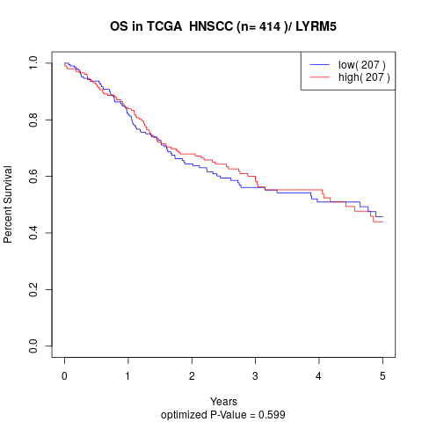

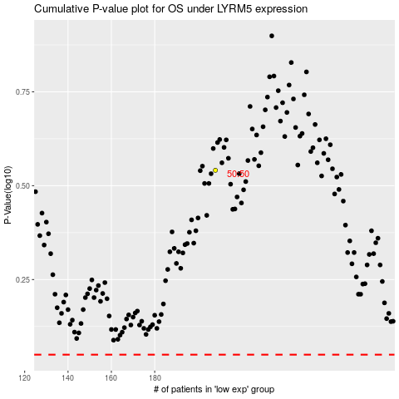

 |  |  |  |  |  | cases_OS | p_OS | rank | exp
 |  |  |  |  |  |  | cases_RFS | p_RFS | rank | exp

