LYRM7 _multivariate
Reported by Tex Li-Hsing Chi. tex@gate.sinica.edu.tw 2019-08-18

Table 2. The clinicopathological features of HNSCC cohort and LYRM7 expression. (Chi square test)
Cutoff at -0.288 (49.8%)
 |  | LYRM7 expression |  | LYRM7 expression |  | (Optimised)
 | Features | Low | (%) | High | (%) | Case no | P-value | Remark | Matthews
Gender | Female | 150 | 36.1 | 156 | 37.6 | 415 | 0.6344 | 0 | 0
2 | Male | 57 | 13.7 | 52 | 12.5
Age at diagnosis | <=65y | 124 | 29.9 | 150 | 36.1 | 415 | 0.0116 | 1 | 0
4 | >65y | 83 | 20 | 58 | 14
Clinical T Status | T1+T2 | 54 | 13 | 95 | 22.9 | 415 | 0 | 1 | 0
6 | T3+T4 | 153 | 36.9 | 113 | 27.2
Clinical N Status | N0 | 111 | 26.7 | 105 | 25.3 | 415 | 0.5875 | 0 | 0
8 | N1-3 | 96 | 23.1 | 103 | 24.8
Clinical M Status | M0 | 206 | 49.6 | 206 | 49.6 | 415 | 1 | 0 | 0
10 | M1 | 1 | 0.2 | 2 | 0.5
Clinical Stage | Stage I+II | 42 | 10.1 | 60 | 14.5 | 415 | 0.0561 | 0 | 0
12 | Stage III+IV | 165 | 39.8 | 148 | 35.7
Surgical Margin status | Negative | 160 | 38.6 | 158 | 38.1 | 415 | 0.8167 | 0 | 0
14 | Positive | 47 | 11.3 | 50 | 12
Tobacco Exposure | Low | 70 | 16.9 | 91 | 21.9 | 415 | 0.0439 | 1 | 0
16 | High | 137 | 33 | 117 | 28.2

Table 3. Univariate/Multivariate Cox's proportional hazards regression analyses on OS time of LYRM7 gene expression in HNSCC

 |  | Univariate |  |  |  | Multivariate
 | Features | HR | CI95%(L) | CI95%(H) | P-value | HR | CI95%(L) | CI95%(H) | P-value
1 | Female | 1 |  |  |  | 1
Gender | Male | 1.157 | 0.843 | 1.587 | 0.367 | 1.209 | 0.865 | 1.689 | 0.267
11 | <=65y | 1 |  |  |  | 1
Age at diagnosis | >65y | 1.329 | 0.99 | 1.784 | 0.058 | 1.422 | 1.041 | 1.943 | 0.027
12 | T1+T2 | 1 |  |  |  | 1
Clinical T Status | T3+T4 | 1.409 | 1.028 | 1.931 | 0.033 | 2.265 | 1.194 | 4.298 | 0.012
13 | N0 | 1 |  |  |  | 1
Clinical N Status | N1-3 | 1.185 | 0.89 | 1.577 | 0.246 | 1.229 | 0.861 | 1.754 | 0.257
14 | M0 | 1 |  |  |  | 1
Clinical M Status | M1 | 4.097 | 1.009 | 16.644 | 0.049 | 9.578 | 2.089 | 43.925 | 0.004
15 | Stage I+II | 1 |  |  |  | 1
Clinical Stage | Stage III+IV | 1.245 | 0.882 | 1.759 | 0.213 | 0.502 | 0.234 | 1.077 | 0.077
16 | Negative | 1 |  |  |  | 1
Surgical Margin status | Positive | 1.591 | 1.155 | 2.191 | 0.004 | 1.658 | 1.199 | 2.292 | 0.002
17 | Low | 1 |  |  |  | 1
Tobacco Exposure | High | 1.364 | 1.008 | 1.844 | 0.044 | 1.485 | 1.072 | 2.057 | 0.017
18 | Low | 1 |  |  |  | 1
RNAseq(z-score) | High | 0.958 | 0.719 | 1.277 | 0.769 | 1.127 | 0.832 | 1.526 | 0.44

Table 4. Univariate/Multivariate Cox's proportional hazards regression analyses on RFS time of LYRM7 gene expression in HNSCC

 |  | Univariate |  |  |  | Multivariate
 | Features | HR | CI95%(L) | CI95%(H) | P-value | HR | CI95%(L) | CI95%(H) | P-value
1 | Female | 1 |  |  |  | 1
Gender | Male | 1.157 | 0.843 | 1.587 | 0.367 | 1.209 | 0.865 | 1.689 | 0.267
11 | <=65y | 1 |  |  |  | 1
Age at diagnosis | >65y | 1.329 | 0.99 | 1.784 | 0.058 | 1.422 | 1.041 | 1.943 | 0.027
12 | T1+T2 | 1 |  |  |  | 1
Clinical T Status | T3+T4 | 1.409 | 1.028 | 1.931 | 0.033 | 2.265 | 1.194 | 4.298 | 0.012
13 | N0 | 1 |  |  |  | 1
Clinical N Status | N1-3 | 1.185 | 0.89 | 1.577 | 0.246 | 1.229 | 0.861 | 1.754 | 0.257
14 | M0 | 1 |  |  |  | 1
Clinical M Status | M1 | 4.097 | 1.009 | 16.644 | 0.049 | 9.578 | 2.089 | 43.925 | 0.004
15 | Stage I+II | 1 |  |  |  | 1
Clinical Stage | Stage III+IV | 1.245 | 0.882 | 1.759 | 0.213 | 0.502 | 0.234 | 1.077 | 0.077
16 | Negative | 1 |  |  |  | 1
Surgical Margin status | Positive | 1.591 | 1.155 | 2.191 | 0.004 | 1.658 | 1.199 | 2.292 | 0.002
17 | Low | 1 |  |  |  | 1
Tobacco Exposure | High | 1.364 | 1.008 | 1.844 | 0.044 | 1.485 | 1.072 | 2.057 | 0.017
18 | Low | 1 |  |  |  | 1
RNAseq(z-score) | High | 0.958 | 0.719 | 1.277 | 0.769 | 1.127 | 0.832 | 1.526 | 0.44

Kaplan-Meier survival estimate: Cutoff at -0.288 (49.8%)



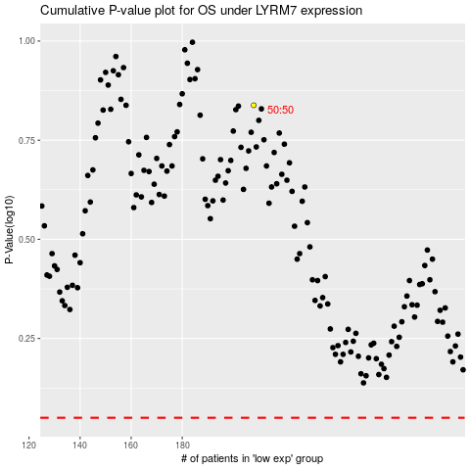

 |  |  |  |  |  | cases_OS | p_OS | rank | exp
 |  |  |  |  |  |  | cases_RFS | p_RFS | rank | exp

