LYSMD4 _multivariate
Reported by Tex Li-Hsing Chi. tex@gate.sinica.edu.tw 2019-08-18

Table 2. The clinicopathological features of HNSCC cohort and LYSMD4 expression. (Chi square test)
Cutoff at -0.286 (50.0%)
 |  | LYSMD4 expression |  | LYSMD4 expression |  | (Optimised)
 | Features | Low | (%) | High | (%) | Case no | P-value | Remark | Matthews
Gender | Female | 154 | 37.1 | 152 | 36.6 | 415 | 0.8463 | 0 | 0
2 | Male | 53 | 12.8 | 56 | 13.5
Age at diagnosis | <=65y | 136 | 32.8 | 138 | 33.3 | 415 | 0.9719 | 0 | 0
4 | >65y | 71 | 17.1 | 70 | 16.9
Clinical T Status | T1+T2 | 72 | 17.3 | 77 | 18.6 | 415 | 0.7095 | 0 | 0
6 | T3+T4 | 135 | 32.5 | 131 | 31.6
Clinical N Status | N0 | 87 | 21 | 129 | 31.1 | 415 | 1e-04 | 1 | 0
8 | N1-3 | 120 | 28.9 | 79 | 19
Clinical M Status | M0 | 207 | 49.9 | 205 | 49.4 | 415 | 0.2482 | 0 | 0
10 | M1 | 0 | 0 | 3 | 0.7
Clinical Stage | Stage I+II | 51 | 12.3 | 51 | 12.3 | 415 | 1 | 0 | 0
12 | Stage III+IV | 156 | 37.6 | 157 | 37.8
Surgical Margin status | Negative | 160 | 38.6 | 158 | 38.1 | 415 | 0.8167 | 0 | 0
14 | Positive | 47 | 11.3 | 50 | 12
Tobacco Exposure | Low | 75 | 18.1 | 86 | 20.7 | 415 | 0.3141 | 0 | 0
16 | High | 132 | 31.8 | 122 | 29.4

Table 3. Univariate/Multivariate Cox's proportional hazards regression analyses on OS time of LYSMD4 gene expression in HNSCC

 |  | Univariate |  |  |  | Multivariate
 | Features | HR | CI95%(L) | CI95%(H) | P-value | HR | CI95%(L) | CI95%(H) | P-value
1 | Female | 1 |  |  |  | 1
Gender | Male | 1.157 | 0.843 | 1.587 | 0.367 | 1.237 | 0.883 | 1.734 | 0.216
11 | <=65y | 1 |  |  |  | 1
Age at diagnosis | >65y | 1.329 | 0.99 | 1.784 | 0.058 | 1.38 | 1.015 | 1.876 | 0.04
12 | T1+T2 | 1 |  |  |  | 1
Clinical T Status | T3+T4 | 1.409 | 1.028 | 1.931 | 0.033 | 2.154 | 1.138 | 4.077 | 0.018
13 | N0 | 1 |  |  |  | 1
Clinical N Status | N1-3 | 1.185 | 0.89 | 1.577 | 0.246 | 1.166 | 0.804 | 1.691 | 0.419
14 | M0 | 1 |  |  |  | 1
Clinical M Status | M1 | 4.097 | 1.009 | 16.644 | 0.049 | 10.438 | 2.251 | 48.406 | 0.003
15 | Stage I+II | 1 |  |  |  | 1
Clinical Stage | Stage III+IV | 1.245 | 0.882 | 1.759 | 0.213 | 0.535 | 0.248 | 1.157 | 0.112
16 | Negative | 1 |  |  |  | 1
Surgical Margin status | Positive | 1.591 | 1.155 | 2.191 | 0.004 | 1.69 | 1.222 | 2.336 | 0.002
17 | Low | 1 |  |  |  | 1
Tobacco Exposure | High | 1.364 | 1.008 | 1.844 | 0.044 | 1.467 | 1.065 | 2.022 | 0.019
18 | Low | 1 |  |  |  | 1
RNAseq(z-score) | High | 0.863 | 0.647 | 1.151 | 0.315 | 0.839 | 0.617 | 1.139 | 0.26

Table 4. Univariate/Multivariate Cox's proportional hazards regression analyses on RFS time of LYSMD4 gene expression in HNSCC

 |  | Univariate |  |  |  | Multivariate
 | Features | HR | CI95%(L) | CI95%(H) | P-value | HR | CI95%(L) | CI95%(H) | P-value
1 | Female | 1 |  |  |  | 1
Gender | Male | 1.157 | 0.843 | 1.587 | 0.367 | 1.237 | 0.883 | 1.734 | 0.216
11 | <=65y | 1 |  |  |  | 1
Age at diagnosis | >65y | 1.329 | 0.99 | 1.784 | 0.058 | 1.38 | 1.015 | 1.876 | 0.04
12 | T1+T2 | 1 |  |  |  | 1
Clinical T Status | T3+T4 | 1.409 | 1.028 | 1.931 | 0.033 | 2.154 | 1.138 | 4.077 | 0.018
13 | N0 | 1 |  |  |  | 1
Clinical N Status | N1-3 | 1.185 | 0.89 | 1.577 | 0.246 | 1.166 | 0.804 | 1.691 | 0.419
14 | M0 | 1 |  |  |  | 1
Clinical M Status | M1 | 4.097 | 1.009 | 16.644 | 0.049 | 10.438 | 2.251 | 48.406 | 0.003
15 | Stage I+II | 1 |  |  |  | 1
Clinical Stage | Stage III+IV | 1.245 | 0.882 | 1.759 | 0.213 | 0.535 | 0.248 | 1.157 | 0.112
16 | Negative | 1 |  |  |  | 1
Surgical Margin status | Positive | 1.591 | 1.155 | 2.191 | 0.004 | 1.69 | 1.222 | 2.336 | 0.002
17 | Low | 1 |  |  |  | 1
Tobacco Exposure | High | 1.364 | 1.008 | 1.844 | 0.044 | 1.467 | 1.065 | 2.022 | 0.019
18 | Low | 1 |  |  |  | 1
RNAseq(z-score) | High | 0.863 | 0.647 | 1.151 | 0.315 | 0.839 | 0.617 | 1.139 | 0.26

Kaplan-Meier survival estimate: Cutoff at -0.286 (50.0%)



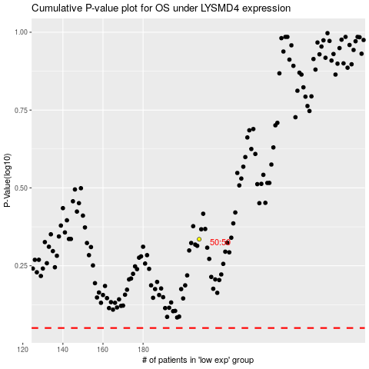

 |  |  |  |  |  | cases_OS | p_OS | rank | exp
 |  |  |  |  |  |  | cases_RFS | p_RFS | rank | exp

