LZTR1 _multivariate
Reported by Tex Li-Hsing Chi. tex@gate.sinica.edu.tw 2019-08-18

Table 2. The clinicopathological features of HNSCC cohort and LZTR1 expression. (Chi square test)
Cutoff at -0.24 (32.6%)
 |  | LZTR1 expression |  | LZTR1 expression |  | (Optimised)
 | Features | Low | (%) | High | (%) | Case no | P-value | Remark | Matthews
Gender | Female | 103 | 24.8 | 203 | 48.9 | 415 | 0.4813 | 0 | 0
2 | Male | 32 | 7.7 | 77 | 18.6
Age at diagnosis | <=65y | 92 | 22.2 | 182 | 43.9 | 415 | 0.6005 | 0 | 0
4 | >65y | 43 | 10.4 | 98 | 23.6
Clinical T Status | T1+T2 | 55 | 13.3 | 94 | 22.7 | 415 | 0.1878 | 0 | 0
6 | T3+T4 | 80 | 19.3 | 186 | 44.8
Clinical N Status | N0 | 67 | 16.1 | 149 | 35.9 | 415 | 0.562 | 0 | 0
8 | N1-3 | 68 | 16.4 | 131 | 31.6
Clinical M Status | M0 | 134 | 32.3 | 278 | 67 | 415 | 1 | 0 | 0
10 | M1 | 1 | 0.2 | 2 | 0.5
Clinical Stage | Stage I+II | 35 | 8.4 | 67 | 16.1 | 415 | 0.7482 | 0 | 0
12 | Stage III+IV | 100 | 24.1 | 213 | 51.3
Surgical Margin status | Negative | 101 | 24.3 | 217 | 52.3 | 415 | 0.5388 | 0 | 0
14 | Positive | 34 | 8.2 | 63 | 15.2
Tobacco Exposure | Low | 48 | 11.6 | 113 | 27.2 | 415 | 0.39 | 0 | 0
16 | High | 87 | 21 | 167 | 40.2

Table 3. Univariate/Multivariate Cox's proportional hazards regression analyses on OS time of LZTR1 gene expression in HNSCC

 |  | Univariate |  |  |  | Multivariate
 | Features | HR | CI95%(L) | CI95%(H) | P-value | HR | CI95%(L) | CI95%(H) | P-value
1 | Female | 1 |  |  |  | 1
Gender | Male | 1.157 | 0.843 | 1.587 | 0.367 | 1.195 | 0.857 | 1.668 | 0.294
11 | <=65y | 1 |  |  |  | 1
Age at diagnosis | >65y | 1.329 | 0.99 | 1.784 | 0.058 | 1.398 | 1.03 | 1.899 | 0.032
12 | T1+T2 | 1 |  |  |  | 1
Clinical T Status | T3+T4 | 1.409 | 1.028 | 1.931 | 0.033 | 2.322 | 1.225 | 4.402 | 0.01
13 | N0 | 1 |  |  |  | 1
Clinical N Status | N1-3 | 1.185 | 0.89 | 1.577 | 0.246 | 1.221 | 0.856 | 1.742 | 0.271
14 | M0 | 1 |  |  |  | 1
Clinical M Status | M1 | 4.097 | 1.009 | 16.644 | 0.049 | 10.374 | 2.257 | 47.686 | 0.003
15 | Stage I+II | 1 |  |  |  | 1
Clinical Stage | Stage III+IV | 1.245 | 0.882 | 1.759 | 0.213 | 0.476 | 0.221 | 1.025 | 0.058
16 | Negative | 1 |  |  |  | 1
Surgical Margin status | Positive | 1.591 | 1.155 | 2.191 | 0.004 | 1.671 | 1.209 | 2.309 | 0.002
17 | Low | 1 |  |  |  | 1
Tobacco Exposure | High | 1.364 | 1.008 | 1.844 | 0.044 | 1.417 | 1.028 | 1.954 | 0.033
18 | Low | 1 |  |  |  | 1
RNAseq(z-score) | High | 0.739 | 0.549 | 0.994 | 0.046 | 0.722 | 0.534 | 0.975 | 0.034

Table 4. Univariate/Multivariate Cox's proportional hazards regression analyses on RFS time of LZTR1 gene expression in HNSCC

 |  | Univariate |  |  |  | Multivariate
 | Features | HR | CI95%(L) | CI95%(H) | P-value | HR | CI95%(L) | CI95%(H) | P-value
1 | Female | 1 |  |  |  | 1
Gender | Male | 1.157 | 0.843 | 1.587 | 0.367 | 1.195 | 0.857 | 1.668 | 0.294
11 | <=65y | 1 |  |  |  | 1
Age at diagnosis | >65y | 1.329 | 0.99 | 1.784 | 0.058 | 1.398 | 1.03 | 1.899 | 0.032
12 | T1+T2 | 1 |  |  |  | 1
Clinical T Status | T3+T4 | 1.409 | 1.028 | 1.931 | 0.033 | 2.322 | 1.225 | 4.402 | 0.01
13 | N0 | 1 |  |  |  | 1
Clinical N Status | N1-3 | 1.185 | 0.89 | 1.577 | 0.246 | 1.221 | 0.856 | 1.742 | 0.271
14 | M0 | 1 |  |  |  | 1
Clinical M Status | M1 | 4.097 | 1.009 | 16.644 | 0.049 | 10.374 | 2.257 | 47.686 | 0.003
15 | Stage I+II | 1 |  |  |  | 1
Clinical Stage | Stage III+IV | 1.245 | 0.882 | 1.759 | 0.213 | 0.476 | 0.221 | 1.025 | 0.058
16 | Negative | 1 |  |  |  | 1
Surgical Margin status | Positive | 1.591 | 1.155 | 2.191 | 0.004 | 1.671 | 1.209 | 2.309 | 0.002
17 | Low | 1 |  |  |  | 1
Tobacco Exposure | High | 1.364 | 1.008 | 1.844 | 0.044 | 1.417 | 1.028 | 1.954 | 0.033
18 | Low | 1 |  |  |  | 1
RNAseq(z-score) | High | 0.739 | 0.549 | 0.994 | 0.046 | 0.722 | 0.534 | 0.975 | 0.034

Kaplan-Meier survival estimate: Cutoff at -0.24 (32.6%)



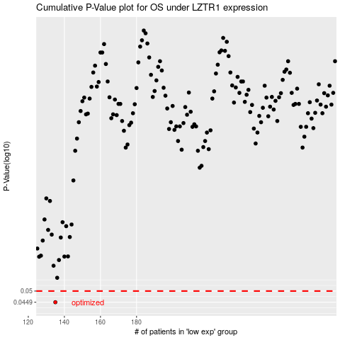

 |  |  |  |  |  | cases_OS | p_OS | rank | exp
 |  |  |  |  |  | 135 | 0.0449 | 152 | -0.23980716961
 |  |  |  |  |  |  | cases_RFS | p_RFS | rank | exp
 |  |  |  |  |  |  | 134 | 0.0449 | 394 | -0.2405889163

