MACC1 _multivariate
Reported by Tex Li-Hsing Chi. tex@gate.sinica.edu.tw 2019-08-18

Table 2. The clinicopathological features of HNSCC cohort and MACC1 expression. (Chi square test)
Cutoff at -0.578 (30.2%)
 |  | MACC1 expression |  | MACC1 expression |  | (Optimised)
 | Features | Low | (%) | High | (%) | Case no | P-value | Remark | Matthews
Gender | Female | 90 | 21.7 | 216 | 52 | 415 | 0.685 | 0 | 0
2 | Male | 35 | 8.4 | 74 | 17.8
Age at diagnosis | <=65y | 81 | 19.5 | 193 | 46.5 | 415 | 0.816 | 0 | 0
4 | >65y | 44 | 10.6 | 97 | 23.4
Clinical T Status | T1+T2 | 45 | 10.8 | 104 | 25.1 | 415 | 1 | 0 | 0
6 | T3+T4 | 80 | 19.3 | 186 | 44.8
Clinical N Status | N0 | 63 | 15.2 | 153 | 36.9 | 415 | 0.7383 | 0 | 0
8 | N1-3 | 62 | 14.9 | 137 | 33
Clinical M Status | M0 | 124 | 29.9 | 288 | 69.4 | 415 | 1 | 0 | 0
10 | M1 | 1 | 0.2 | 2 | 0.5
Clinical Stage | Stage I+II | 32 | 7.7 | 70 | 16.9 | 415 | 0.8469 | 0 | 0
12 | Stage III+IV | 93 | 22.4 | 220 | 53
Surgical Margin status | Negative | 88 | 21.2 | 230 | 55.4 | 415 | 0.0579 | 0 | 0
14 | Positive | 37 | 8.9 | 60 | 14.5
Tobacco Exposure | Low | 50 | 12 | 111 | 26.7 | 415 | 0.7432 | 0 | 0
16 | High | 75 | 18.1 | 179 | 43.1

Table 3. Univariate/Multivariate Cox's proportional hazards regression analyses on OS time of MACC1 gene expression in HNSCC

 |  | Univariate |  |  |  | Multivariate
 | Features | HR | CI95%(L) | CI95%(H) | P-value | HR | CI95%(L) | CI95%(H) | P-value
1 | Female | 1 |  |  |  | 1
Gender | Male | 1.157 | 0.843 | 1.587 | 0.367 | 1.227 | 0.878 | 1.714 | 0.23
11 | <=65y | 1 |  |  |  | 1
Age at diagnosis | >65y | 1.329 | 0.99 | 1.784 | 0.058 | 1.381 | 1.015 | 1.878 | 0.04
12 | T1+T2 | 1 |  |  |  | 1
Clinical T Status | T3+T4 | 1.409 | 1.028 | 1.931 | 0.033 | 2.147 | 1.136 | 4.059 | 0.019
13 | N0 | 1 |  |  |  | 1
Clinical N Status | N1-3 | 1.185 | 0.89 | 1.577 | 0.246 | 1.22 | 0.855 | 1.742 | 0.273
14 | M0 | 1 |  |  |  | 1
Clinical M Status | M1 | 4.097 | 1.009 | 16.644 | 0.049 | 8.832 | 1.923 | 40.56 | 0.005
15 | Stage I+II | 1 |  |  |  | 1
Clinical Stage | Stage III+IV | 1.245 | 0.882 | 1.759 | 0.213 | 0.533 | 0.248 | 1.146 | 0.107
16 | Negative | 1 |  |  |  | 1
Surgical Margin status | Positive | 1.591 | 1.155 | 2.191 | 0.004 | 1.605 | 1.159 | 2.222 | 0.004
17 | Low | 1 |  |  |  | 1
Tobacco Exposure | High | 1.364 | 1.008 | 1.844 | 0.044 | 1.483 | 1.076 | 2.045 | 0.016
18 | Low | 1 |  |  |  | 1
RNAseq(z-score) | High | 0.681 | 0.503 | 0.923 | 0.013 | 0.705 | 0.519 | 0.959 | 0.026

Table 4. Univariate/Multivariate Cox's proportional hazards regression analyses on RFS time of MACC1 gene expression in HNSCC

 |  | Univariate |  |  |  | Multivariate
 | Features | HR | CI95%(L) | CI95%(H) | P-value | HR | CI95%(L) | CI95%(H) | P-value
1 | Female | 1 |  |  |  | 1
Gender | Male | 1.157 | 0.843 | 1.587 | 0.367 | 1.227 | 0.878 | 1.714 | 0.23
11 | <=65y | 1 |  |  |  | 1
Age at diagnosis | >65y | 1.329 | 0.99 | 1.784 | 0.058 | 1.381 | 1.015 | 1.878 | 0.04
12 | T1+T2 | 1 |  |  |  | 1
Clinical T Status | T3+T4 | 1.409 | 1.028 | 1.931 | 0.033 | 2.147 | 1.136 | 4.059 | 0.019
13 | N0 | 1 |  |  |  | 1
Clinical N Status | N1-3 | 1.185 | 0.89 | 1.577 | 0.246 | 1.22 | 0.855 | 1.742 | 0.273
14 | M0 | 1 |  |  |  | 1
Clinical M Status | M1 | 4.097 | 1.009 | 16.644 | 0.049 | 8.832 | 1.923 | 40.56 | 0.005
15 | Stage I+II | 1 |  |  |  | 1
Clinical Stage | Stage III+IV | 1.245 | 0.882 | 1.759 | 0.213 | 0.533 | 0.248 | 1.146 | 0.107
16 | Negative | 1 |  |  |  | 1
Surgical Margin status | Positive | 1.591 | 1.155 | 2.191 | 0.004 | 1.605 | 1.159 | 2.222 | 0.004
17 | Low | 1 |  |  |  | 1
Tobacco Exposure | High | 1.364 | 1.008 | 1.844 | 0.044 | 1.483 | 1.076 | 2.045 | 0.016
18 | Low | 1 |  |  |  | 1
RNAseq(z-score) | High | 0.681 | 0.503 | 0.923 | 0.013 | 0.705 | 0.519 | 0.959 | 0.026

Kaplan-Meier survival estimate: Cutoff at -0.578 (30.2%)

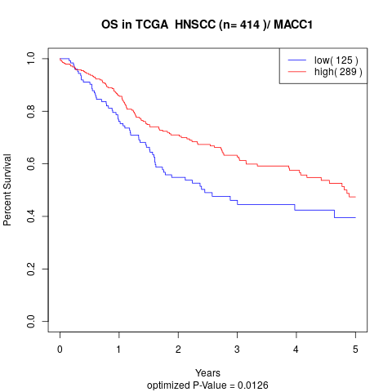

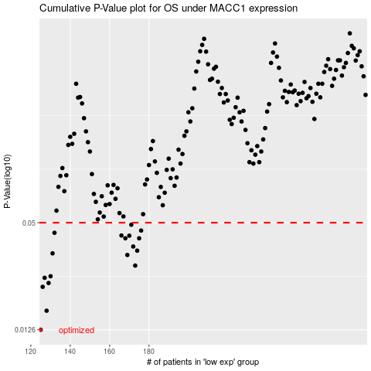

 |  |  |  |  |  | cases_OS | p_OS | rank | exp
 |  |  |  |  |  | 125 | 0.0126 | 272 | -0.57776727969
 |  |  |  |  |  | 128 | 0.0161 | 51 | -0.57353868273
 |  |  |  |  |  | 126 | 0.0219 | 197 | -0.5772095228
 |  |  |  |  |  | 129 | 0.023 | 313 | -0.57307526727
 |  |  |  |  |  | 127 | 0.0246 | 216 | -0.57407359131
 |  |  |  |  |  | 130 | 0.0251 | 141 | -0.57244951821
 |  |  |  |  |  | 173 | 0.0288 | 170 | -0.49816853451
 |  |  |  |  |  | 169 | 0.033 | 189 | -0.50742560379
 |  |  |  |  |  | 131 | 0.0337 | 75 | -0.5715324531
 |  |  |  |  |  | 174 | 0.0349 | 156 | -0.49786081928
 |  |  |  |  |  | 172 | 0.0368 | 404 | -0.49844381988
 |  |  |  |  |  | 168 | 0.0409 | 107 | -0.51243730839
 |  |  |  |  |  | 175 | 0.0409 | 331 | -0.49590268167
 |  |  |  |  |  | 170 | 0.0423 | 36 | -0.50594101598
 |  |  |  |  |  | 166 | 0.0424 | 49 | -0.5149480436
 |  |  |  |  |  | 132 | 0.0439 | 41 | -0.57102039284
 |  |  |  |  |  | 176 | 0.0452 | 84 | -0.49518295969
 |  |  |  |  |  | 171 | 0.0487 | 227 | -0.50037689804
 |  |  |  |  |  |  | cases_RFS | p_RFS | rank | exp
 |  |  |  |  |  |  |  | 0.0126 | 43 | -0.57789644639
 |  |  |  |  |  |  | 127 | 0.0161 | 216 | -0.57407359131
 |  |  |  |  |  |  | 125 | 0.0219 | 272 | -0.57776727969
 |  |  |  |  |  |  | 128 | 0.023 | 51 | -0.57353868273
 |  |  |  |  |  |  | 126 | 0.0246 | 197 | -0.5772095228
 |  |  |  |  |  |  | 129 | 0.0251 | 313 | -0.57307526727
 |  |  |  |  |  |  | 172 | 0.0288 | 404 | -0.49844381988
 |  |  |  |  |  |  | 168 | 0.033 | 107 | -0.51243730839
 |  |  |  |  |  |  | 130 | 0.0337 | 141 | -0.57244951821
 |  |  |  |  |  |  | 173 | 0.0349 | 170 | -0.49816853451
 |  |  |  |  |  |  | 171 | 0.0368 | 227 | -0.50037689804
 |  |  |  |  |  |  | 167 | 0.0409 | 138 | -0.51276953029
 |  |  |  |  |  |  | 174 | 0.0409 | 156 | -0.49786081928
 |  |  |  |  |  |  | 169 | 0.0423 | 189 | -0.50742560379
 |  |  |  |  |  |  | 165 | 0.0424 | 66 | -0.51530090269
 |  |  |  |  |  |  | 131 | 0.0439 | 75 | -0.5715324531
 |  |  |  |  |  |  | 175 | 0.0452 | 331 | -0.49590268167
 |  |  |  |  |  |  | 170 | 0.0487 | 36 | -0.50594101598

