MACROD1 _multivariate
Reported by Tex Li-Hsing Chi. tex@gate.sinica.edu.tw 2019-08-18

Table 2. The clinicopathological features of HNSCC cohort and MACROD1 expression. (Chi square test)
Cutoff at -0.302 (50.0%)
 |  | MACROD1 expression |  | MACROD1 expression |  | (Optimised)
 | Features | Low | (%) | High | (%) | Case no | P-value | Remark | Matthews
Gender | Female | 141 | 34 | 165 | 39.8 | 415 | 0.013 | 1 | 0
2 | Male | 66 | 15.9 | 43 | 10.4
Age at diagnosis | <=65y | 127 | 30.6 | 147 | 35.4 | 415 | 0.0573 | 0 | 0
4 | >65y | 80 | 19.3 | 61 | 14.7
Clinical T Status | T1+T2 | 75 | 18.1 | 74 | 17.8 | 415 | 0.9707 | 0 | 0
6 | T3+T4 | 132 | 31.8 | 134 | 32.3
Clinical N Status | N0 | 115 | 27.7 | 101 | 24.3 | 415 | 0.184 | 1 | 0
8 | N1-3 | 92 | 22.2 | 107 | 25.8
Clinical M Status | M0 | 205 | 49.4 | 207 | 49.9 | 415 | 0.6232 | 0 | 0
10 | M1 | 2 | 0.5 | 1 | 0.2
Clinical Stage | Stage I+II | 57 | 13.7 | 45 | 10.8 | 415 | 0.1998 | 0 | 0
12 | Stage III+IV | 150 | 36.1 | 163 | 39.3
Surgical Margin status | Negative | 163 | 39.3 | 155 | 37.3 | 415 | 0.3537 | 0 | 0
14 | Positive | 44 | 10.6 | 53 | 12.8
Tobacco Exposure | Low | 90 | 21.7 | 71 | 17.1 | 415 | 0.0559 | 0 | 0
16 | High | 117 | 28.2 | 137 | 33

Table 3. Univariate/Multivariate Cox's proportional hazards regression analyses on OS time of MACROD1 gene expression in HNSCC

 |  | Univariate |  |  |  | Multivariate
 | Features | HR | CI95%(L) | CI95%(H) | P-value | HR | CI95%(L) | CI95%(H) | P-value
1 | Female | 1 |  |  |  | 1
Gender | Male | 1.157 | 0.843 | 1.587 | 0.367 | 1.211 | 0.866 | 1.694 | 0.263
11 | <=65y | 1 |  |  |  | 1
Age at diagnosis | >65y | 1.329 | 0.99 | 1.784 | 0.058 | 1.401 | 1.03 | 1.905 | 0.032
12 | T1+T2 | 1 |  |  |  | 1
Clinical T Status | T3+T4 | 1.409 | 1.028 | 1.931 | 0.033 | 2.218 | 1.173 | 4.194 | 0.014
13 | N0 | 1 |  |  |  | 1
Clinical N Status | N1-3 | 1.185 | 0.89 | 1.577 | 0.246 | 1.228 | 0.86 | 1.755 | 0.259
14 | M0 | 1 |  |  |  | 1
Clinical M Status | M1 | 4.097 | 1.009 | 16.644 | 0.049 | 9.651 | 2.102 | 44.312 | 0.004
15 | Stage I+II | 1 |  |  |  | 1
Clinical Stage | Stage III+IV | 1.245 | 0.882 | 1.759 | 0.213 | 0.493 | 0.229 | 1.061 | 0.071
16 | Negative | 1 |  |  |  | 1
Surgical Margin status | Positive | 1.591 | 1.155 | 2.191 | 0.004 | 1.656 | 1.197 | 2.29 | 0.002
17 | Low | 1 |  |  |  | 1
Tobacco Exposure | High | 1.364 | 1.008 | 1.844 | 0.044 | 1.438 | 1.042 | 1.984 | 0.027
18 | Low | 1 |  |  |  | 1
RNAseq(z-score) | High | 1.161 | 0.871 | 1.547 | 0.308 | 1.118 | 0.83 | 1.507 | 0.462

Table 4. Univariate/Multivariate Cox's proportional hazards regression analyses on RFS time of MACROD1 gene expression in HNSCC

 |  | Univariate |  |  |  | Multivariate
 | Features | HR | CI95%(L) | CI95%(H) | P-value | HR | CI95%(L) | CI95%(H) | P-value
1 | Female | 1 |  |  |  | 1
Gender | Male | 1.157 | 0.843 | 1.587 | 0.367 | 1.211 | 0.866 | 1.694 | 0.263
11 | <=65y | 1 |  |  |  | 1
Age at diagnosis | >65y | 1.329 | 0.99 | 1.784 | 0.058 | 1.401 | 1.03 | 1.905 | 0.032
12 | T1+T2 | 1 |  |  |  | 1
Clinical T Status | T3+T4 | 1.409 | 1.028 | 1.931 | 0.033 | 2.218 | 1.173 | 4.194 | 0.014
13 | N0 | 1 |  |  |  | 1
Clinical N Status | N1-3 | 1.185 | 0.89 | 1.577 | 0.246 | 1.228 | 0.86 | 1.755 | 0.259
14 | M0 | 1 |  |  |  | 1
Clinical M Status | M1 | 4.097 | 1.009 | 16.644 | 0.049 | 9.651 | 2.102 | 44.312 | 0.004
15 | Stage I+II | 1 |  |  |  | 1
Clinical Stage | Stage III+IV | 1.245 | 0.882 | 1.759 | 0.213 | 0.493 | 0.229 | 1.061 | 0.071
16 | Negative | 1 |  |  |  | 1
Surgical Margin status | Positive | 1.591 | 1.155 | 2.191 | 0.004 | 1.656 | 1.197 | 2.29 | 0.002
17 | Low | 1 |  |  |  | 1
Tobacco Exposure | High | 1.364 | 1.008 | 1.844 | 0.044 | 1.438 | 1.042 | 1.984 | 0.027
18 | Low | 1 |  |  |  | 1
RNAseq(z-score) | High | 1.161 | 0.871 | 1.547 | 0.308 | 1.118 | 0.83 | 1.507 | 0.462

Kaplan-Meier survival estimate: Cutoff at -0.302 (50.0%)



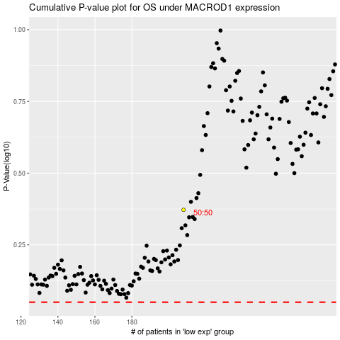

 |  |  |  |  |  | cases_OS | p_OS | rank | exp
 |  |  |  |  |  |  | cases_RFS | p_RFS | rank | exp

