MAD1L1 _multivariate
Reported by Tex Li-Hsing Chi. tex@gate.sinica.edu.tw 2019-08-18

Table 2. The clinicopathological features of HNSCC cohort and MAD1L1 expression. (Chi square test)
Cutoff at -0.271 (45.7%)
 |  | MAD1L1 expression |  | MAD1L1 expression |  | (Optimised)
 | Features | Low | (%) | High | (%) | Case no | P-value | Remark | Matthews
Gender | Female | 134 | 32.3 | 172 | 41.4 | 415 | 0.2102 | 0 | 0
2 | Male | 56 | 13.5 | 53 | 12.8
Age at diagnosis | <=65y | 122 | 29.4 | 152 | 36.6 | 415 | 0.54 | 0 | 0
4 | >65y | 68 | 16.4 | 73 | 17.6
Clinical T Status | T1+T2 | 78 | 18.8 | 71 | 17.1 | 415 | 0.0566 | 0 | 0
6 | T3+T4 | 112 | 27 | 154 | 37.1
Clinical N Status | N0 | 104 | 25.1 | 112 | 27 | 415 | 0.3634 | 0 | 0
8 | N1-3 | 86 | 20.7 | 113 | 27.2
Clinical M Status | M0 | 190 | 45.8 | 222 | 53.5 | 415 | 0.2535 | 0 | 0
10 | M1 | 0 | 0 | 3 | 0.7
Clinical Stage | Stage I+II | 56 | 13.5 | 46 | 11.1 | 415 | 0.044 | 1 | 0
12 | Stage III+IV | 134 | 32.3 | 179 | 43.1
Surgical Margin status | Negative | 146 | 35.2 | 172 | 41.4 | 415 | 1 | 0 | 0
14 | Positive | 44 | 10.6 | 53 | 12.8
Tobacco Exposure | Low | 70 | 16.9 | 91 | 21.9 | 415 | 0.48 | 0 | 0
16 | High | 120 | 28.9 | 134 | 32.3

Table 3. Univariate/Multivariate Cox's proportional hazards regression analyses on OS time of MAD1L1 gene expression in HNSCC

 |  | Univariate |  |  |  | Multivariate
 | Features | HR | CI95%(L) | CI95%(H) | P-value | HR | CI95%(L) | CI95%(H) | P-value
1 | Female | 1 |  |  |  | 1
Gender | Male | 1.157 | 0.843 | 1.587 | 0.367 | 1.2 | 0.857 | 1.68 | 0.288
11 | <=65y | 1 |  |  |  | 1
Age at diagnosis | >65y | 1.329 | 0.99 | 1.784 | 0.058 | 1.402 | 1.032 | 1.905 | 0.031
12 | T1+T2 | 1 |  |  |  | 1
Clinical T Status | T3+T4 | 1.409 | 1.028 | 1.931 | 0.033 | 2.16 | 1.142 | 4.084 | 0.018
13 | N0 | 1 |  |  |  | 1
Clinical N Status | N1-3 | 1.185 | 0.89 | 1.577 | 0.246 | 1.235 | 0.865 | 1.762 | 0.246
14 | M0 | 1 |  |  |  | 1
Clinical M Status | M1 | 4.097 | 1.009 | 16.644 | 0.049 | 8.322 | 1.806 | 38.354 | 0.007
15 | Stage I+II | 1 |  |  |  | 1
Clinical Stage | Stage III+IV | 1.245 | 0.882 | 1.759 | 0.213 | 0.502 | 0.234 | 1.078 | 0.077
16 | Negative | 1 |  |  |  | 1
Surgical Margin status | Positive | 1.591 | 1.155 | 2.191 | 0.004 | 1.633 | 1.181 | 2.258 | 0.003
17 | Low | 1 |  |  |  | 1
Tobacco Exposure | High | 1.364 | 1.008 | 1.844 | 0.044 | 1.484 | 1.075 | 2.048 | 0.016
18 | Low | 1 |  |  |  | 1
RNAseq(z-score) | High | 1.347 | 1.007 | 1.801 | 0.045 | 1.295 | 0.965 | 1.738 | 0.085

Table 4. Univariate/Multivariate Cox's proportional hazards regression analyses on RFS time of MAD1L1 gene expression in HNSCC

 |  | Univariate |  |  |  | Multivariate
 | Features | HR | CI95%(L) | CI95%(H) | P-value | HR | CI95%(L) | CI95%(H) | P-value
1 | Female | 1 |  |  |  | 1
Gender | Male | 1.157 | 0.843 | 1.587 | 0.367 | 1.2 | 0.857 | 1.68 | 0.288
11 | <=65y | 1 |  |  |  | 1
Age at diagnosis | >65y | 1.329 | 0.99 | 1.784 | 0.058 | 1.402 | 1.032 | 1.905 | 0.031
12 | T1+T2 | 1 |  |  |  | 1
Clinical T Status | T3+T4 | 1.409 | 1.028 | 1.931 | 0.033 | 2.16 | 1.142 | 4.084 | 0.018
13 | N0 | 1 |  |  |  | 1
Clinical N Status | N1-3 | 1.185 | 0.89 | 1.577 | 0.246 | 1.235 | 0.865 | 1.762 | 0.246
14 | M0 | 1 |  |  |  | 1
Clinical M Status | M1 | 4.097 | 1.009 | 16.644 | 0.049 | 8.322 | 1.806 | 38.354 | 0.007
15 | Stage I+II | 1 |  |  |  | 1
Clinical Stage | Stage III+IV | 1.245 | 0.882 | 1.759 | 0.213 | 0.502 | 0.234 | 1.078 | 0.077
16 | Negative | 1 |  |  |  | 1
Surgical Margin status | Positive | 1.591 | 1.155 | 2.191 | 0.004 | 1.633 | 1.181 | 2.258 | 0.003
17 | Low | 1 |  |  |  | 1
Tobacco Exposure | High | 1.364 | 1.008 | 1.844 | 0.044 | 1.484 | 1.075 | 2.048 | 0.016
18 | Low | 1 |  |  |  | 1
RNAseq(z-score) | High | 1.347 | 1.007 | 1.801 | 0.045 | 1.295 | 0.965 | 1.738 | 0.085

Kaplan-Meier survival estimate: Cutoff at -0.271 (45.7%)



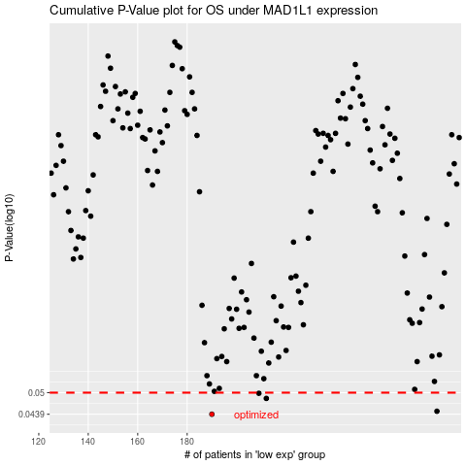

 |  |  |  |  |  | cases_OS | p_OS | rank | exp
 |  |  |  |  |  | 190 | 0.0439 | 142 | -0.27078228766
 |  |  |  |  |  | 281 | 0.0447 | 283 | 0.056153344948
 |  |  |  |  |  | 212 | 0.0483 | 206 | -0.21452691102
 |  |  |  |  |  | 209 | 0.0498 | 54 | -0.22729857384
 |  |  |  |  |  |  | cases_RFS | p_RFS | rank | exp
 |  |  |  |  |  |  | 189 | 0.0439 | 164 | -0.2715108332
 |  |  |  |  |  |  | 280 | 0.0447 | 162 | 0.054381147875
 |  |  |  |  |  |  | 211 | 0.0483 | 309 | -0.2209405244
 |  |  |  |  |  |  | 208 | 0.0498 | 388 | -0.23428683528

