MAD2L1BP _multivariate
Reported by Tex Li-Hsing Chi. tex@gate.sinica.edu.tw 2019-08-18

Table 2. The clinicopathological features of HNSCC cohort and MAD2L1BP expression. (Chi square test)
Cutoff at -0.055 (58.5%)
 |  | MAD2L1BP expression |  | MAD2L1BP expression |  | (Optimised)
 | Features | Low | (%) | High | (%) | Case no | P-value | Remark | Matthews
Gender | Female | 173 | 41.7 | 133 | 32 | 415 | 0.2639 | 0 | 0
2 | Male | 69 | 16.6 | 40 | 9.6
Age at diagnosis | <=65y | 154 | 37.1 | 120 | 28.9 | 415 | 0.2672 | 0 | 0
4 | >65y | 88 | 21.2 | 53 | 12.8
Clinical T Status | T1+T2 | 86 | 20.7 | 63 | 15.2 | 415 | 0.936 | 0 | 0
6 | T3+T4 | 156 | 37.6 | 110 | 26.5
Clinical N Status | N0 | 139 | 33.5 | 77 | 18.6 | 415 | 0.0124 | 1 | 0
8 | N1-3 | 103 | 24.8 | 96 | 23.1
Clinical M Status | M0 | 240 | 57.8 | 172 | 41.4 | 415 | 1 | 0 | 0
10 | M1 | 2 | 0.5 | 1 | 0.2
Clinical Stage | Stage I+II | 63 | 15.2 | 39 | 9.4 | 415 | 0.4849 | 0 | 0
12 | Stage III+IV | 179 | 43.1 | 134 | 32.3
Surgical Margin status | Negative | 190 | 45.8 | 128 | 30.8 | 415 | 0.2919 | 0 | 0
14 | Positive | 52 | 12.5 | 45 | 10.8
Tobacco Exposure | Low | 101 | 24.3 | 60 | 14.5 | 415 | 0.1538 | 0 | 0
16 | High | 141 | 34 | 113 | 27.2

Table 3. Univariate/Multivariate Cox's proportional hazards regression analyses on OS time of MAD2L1BP gene expression in HNSCC

 |  | Univariate |  |  |  | Multivariate
 | Features | HR | CI95%(L) | CI95%(H) | P-value | HR | CI95%(L) | CI95%(H) | P-value
1 | Female | 1 |  |  |  | 1
Gender | Male | 1.157 | 0.843 | 1.587 | 0.367 | 1.208 | 0.864 | 1.688 | 0.269
11 | <=65y | 1 |  |  |  | 1
Age at diagnosis | >65y | 1.329 | 0.99 | 1.784 | 0.058 | 1.406 | 1.033 | 1.912 | 0.03
12 | T1+T2 | 1 |  |  |  | 1
Clinical T Status | T3+T4 | 1.409 | 1.028 | 1.931 | 0.033 | 2.245 | 1.186 | 4.248 | 0.013
13 | N0 | 1 |  |  |  | 1
Clinical N Status | N1-3 | 1.185 | 0.89 | 1.577 | 0.246 | 1.195 | 0.836 | 1.708 | 0.328
14 | M0 | 1 |  |  |  | 1
Clinical M Status | M1 | 4.097 | 1.009 | 16.644 | 0.049 | 9.718 | 2.117 | 44.611 | 0.003
15 | Stage I+II | 1 |  |  |  | 1
Clinical Stage | Stage III+IV | 1.245 | 0.882 | 1.759 | 0.213 | 0.505 | 0.235 | 1.085 | 0.08
16 | Negative | 1 |  |  |  | 1
Surgical Margin status | Positive | 1.591 | 1.155 | 2.191 | 0.004 | 1.662 | 1.202 | 2.297 | 0.002
17 | Low | 1 |  |  |  | 1
Tobacco Exposure | High | 1.364 | 1.008 | 1.844 | 0.044 | 1.458 | 1.058 | 2.011 | 0.021
18 | Low | 1 |  |  |  | 1
RNAseq(z-score) | High | 1.338 | 1 | 1.79 | 0.05 | 1.336 | 0.996 | 1.793 | 0.053

Table 4. Univariate/Multivariate Cox's proportional hazards regression analyses on RFS time of MAD2L1BP gene expression in HNSCC

 |  | Univariate |  |  |  | Multivariate
 | Features | HR | CI95%(L) | CI95%(H) | P-value | HR | CI95%(L) | CI95%(H) | P-value
1 | Female | 1 |  |  |  | 1
Gender | Male | 1.157 | 0.843 | 1.587 | 0.367 | 1.208 | 0.864 | 1.688 | 0.269
11 | <=65y | 1 |  |  |  | 1
Age at diagnosis | >65y | 1.329 | 0.99 | 1.784 | 0.058 | 1.406 | 1.033 | 1.912 | 0.03
12 | T1+T2 | 1 |  |  |  | 1
Clinical T Status | T3+T4 | 1.409 | 1.028 | 1.931 | 0.033 | 2.245 | 1.186 | 4.248 | 0.013
13 | N0 | 1 |  |  |  | 1
Clinical N Status | N1-3 | 1.185 | 0.89 | 1.577 | 0.246 | 1.195 | 0.836 | 1.708 | 0.328
14 | M0 | 1 |  |  |  | 1
Clinical M Status | M1 | 4.097 | 1.009 | 16.644 | 0.049 | 9.718 | 2.117 | 44.611 | 0.003
15 | Stage I+II | 1 |  |  |  | 1
Clinical Stage | Stage III+IV | 1.245 | 0.882 | 1.759 | 0.213 | 0.505 | 0.235 | 1.085 | 0.08
16 | Negative | 1 |  |  |  | 1
Surgical Margin status | Positive | 1.591 | 1.155 | 2.191 | 0.004 | 1.662 | 1.202 | 2.297 | 0.002
17 | Low | 1 |  |  |  | 1
Tobacco Exposure | High | 1.364 | 1.008 | 1.844 | 0.044 | 1.458 | 1.058 | 2.011 | 0.021
18 | Low | 1 |  |  |  | 1
RNAseq(z-score) | High | 1.338 | 1 | 1.79 | 0.05 | 1.336 | 0.996 | 1.793 | 0.053

Kaplan-Meier survival estimate: Cutoff at -0.055 (58.5%)



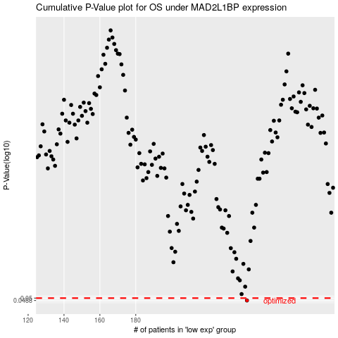

 |  |  |  |  |  | cases_OS | p_OS | rank | exp
 |  |  |  |  |  | 242 | 0.0488 | 264 | -0.055094872527
 |  |  |  |  |  |  | cases_RFS | p_RFS | rank | exp
 |  |  |  |  |  |  | 241 | 0.0488 | 103 | -0.063170811657

