MAD2L2 _multivariate
Reported by Tex Li-Hsing Chi. tex@gate.sinica.edu.tw 2019-08-18

Table 2. The clinicopathological features of HNSCC cohort and MAD2L2 expression. (Chi square test)
Cutoff at -0.46 (32.4%)
 |  | MAD2L2 expression |  | MAD2L2 expression |  | (Optimised)
 | Features | Low | (%) | High | (%) | Case no | P-value | Remark | Matthews
Gender | Female | 94 | 22.7 | 212 | 51.1 | 415 | 0.2299 | 0 | 0
2 | Male | 41 | 9.9 | 68 | 16.4
Age at diagnosis | <=65y | 82 | 19.8 | 192 | 46.3 | 415 | 0.1423 | 0 | 0
4 | >65y | 53 | 12.8 | 88 | 21.2
Clinical T Status | T1+T2 | 52 | 12.5 | 97 | 23.4 | 415 | 0.5081 | 0 | 0
6 | T3+T4 | 83 | 20 | 183 | 44.1
Clinical N Status | N0 | 77 | 18.6 | 139 | 33.5 | 415 | 0.191 | 0 | 0
8 | N1-3 | 58 | 14 | 141 | 34
Clinical M Status | M0 | 135 | 32.5 | 277 | 66.7 | 415 | 0.5541 | 0 | 0
10 | M1 | 0 | 0 | 3 | 0.7
Clinical Stage | Stage I+II | 30 | 7.2 | 72 | 17.3 | 415 | 0.5142 | 0 | 0
12 | Stage III+IV | 105 | 25.3 | 208 | 50.1
Surgical Margin status | Negative | 102 | 24.6 | 216 | 52 | 415 | 0.7123 | 0 | 0
14 | Positive | 33 | 8 | 64 | 15.4
Tobacco Exposure | Low | 60 | 14.5 | 101 | 24.3 | 415 | 0.1077 | 0 | 0
16 | High | 75 | 18.1 | 179 | 43.1

Table 3. Univariate/Multivariate Cox's proportional hazards regression analyses on OS time of MAD2L2 gene expression in HNSCC

 |  | Univariate |  |  |  | Multivariate
 | Features | HR | CI95%(L) | CI95%(H) | P-value | HR | CI95%(L) | CI95%(H) | P-value
1 | Female | 1 |  |  |  | 1
Gender | Male | 1.157 | 0.843 | 1.587 | 0.367 | 1.206 | 0.864 | 1.685 | 0.27
11 | <=65y | 1 |  |  |  | 1
Age at diagnosis | >65y | 1.329 | 0.99 | 1.784 | 0.058 | 1.405 | 1.033 | 1.91 | 0.03
12 | T1+T2 | 1 |  |  |  | 1
Clinical T Status | T3+T4 | 1.409 | 1.028 | 1.931 | 0.033 | 2.049 | 1.078 | 3.893 | 0.029
13 | N0 | 1 |  |  |  | 1
Clinical N Status | N1-3 | 1.185 | 0.89 | 1.577 | 0.246 | 1.173 | 0.817 | 1.683 | 0.388
14 | M0 | 1 |  |  |  | 1
Clinical M Status | M1 | 4.097 | 1.009 | 16.644 | 0.049 | 8.266 | 1.791 | 38.16 | 0.007
15 | Stage I+II | 1 |  |  |  | 1
Clinical Stage | Stage III+IV | 1.245 | 0.882 | 1.759 | 0.213 | 0.567 | 0.261 | 1.229 | 0.151
16 | Negative | 1 |  |  |  | 1
Surgical Margin status | Positive | 1.591 | 1.155 | 2.191 | 0.004 | 1.66 | 1.202 | 2.293 | 0.002
17 | Low | 1 |  |  |  | 1
Tobacco Exposure | High | 1.364 | 1.008 | 1.844 | 0.044 | 1.418 | 1.029 | 1.955 | 0.033
18 | Low | 1 |  |  |  | 1
RNAseq(z-score) | High | 1.417 | 1.028 | 1.955 | 0.033 | 1.315 | 0.943 | 1.832 | 0.106

Table 4. Univariate/Multivariate Cox's proportional hazards regression analyses on RFS time of MAD2L2 gene expression in HNSCC

 |  | Univariate |  |  |  | Multivariate
 | Features | HR | CI95%(L) | CI95%(H) | P-value | HR | CI95%(L) | CI95%(H) | P-value
1 | Female | 1 |  |  |  | 1
Gender | Male | 1.157 | 0.843 | 1.587 | 0.367 | 1.206 | 0.864 | 1.685 | 0.27
11 | <=65y | 1 |  |  |  | 1
Age at diagnosis | >65y | 1.329 | 0.99 | 1.784 | 0.058 | 1.405 | 1.033 | 1.91 | 0.03
12 | T1+T2 | 1 |  |  |  | 1
Clinical T Status | T3+T4 | 1.409 | 1.028 | 1.931 | 0.033 | 2.049 | 1.078 | 3.893 | 0.029
13 | N0 | 1 |  |  |  | 1
Clinical N Status | N1-3 | 1.185 | 0.89 | 1.577 | 0.246 | 1.173 | 0.817 | 1.683 | 0.388
14 | M0 | 1 |  |  |  | 1
Clinical M Status | M1 | 4.097 | 1.009 | 16.644 | 0.049 | 8.266 | 1.791 | 38.16 | 0.007
15 | Stage I+II | 1 |  |  |  | 1
Clinical Stage | Stage III+IV | 1.245 | 0.882 | 1.759 | 0.213 | 0.567 | 0.261 | 1.229 | 0.151
16 | Negative | 1 |  |  |  | 1
Surgical Margin status | Positive | 1.591 | 1.155 | 2.191 | 0.004 | 1.66 | 1.202 | 2.293 | 0.002
17 | Low | 1 |  |  |  | 1
Tobacco Exposure | High | 1.364 | 1.008 | 1.844 | 0.044 | 1.418 | 1.029 | 1.955 | 0.033
18 | Low | 1 |  |  |  | 1
RNAseq(z-score) | High | 1.417 | 1.028 | 1.955 | 0.033 | 1.315 | 0.943 | 1.832 | 0.106

Kaplan-Meier survival estimate: Cutoff at -0.46 (32.4%)

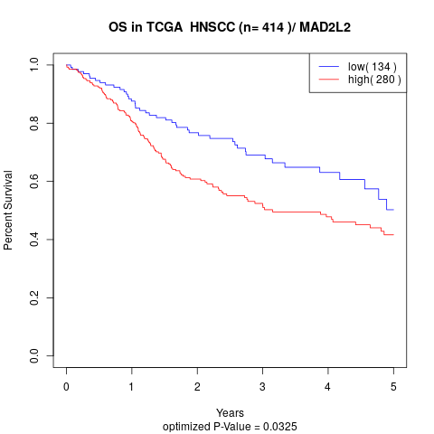

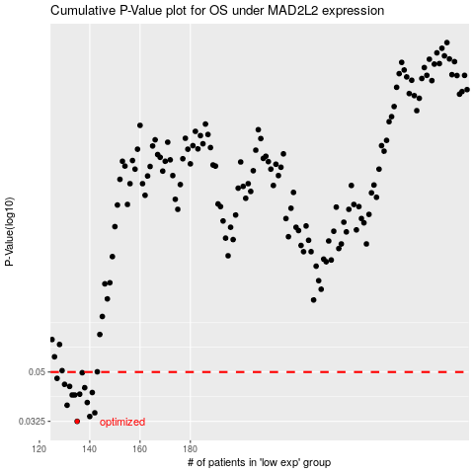

 |  |  |  |  |  | cases_OS | p_OS | rank | exp
 |  |  |  |  |  | 135 | 0.0325 | 410 | -0.45999568677
 |  |  |  |  |  | 140 | 0.0339 | 338 | -0.45363918977
 |  |  |  |  |  | 142 | 0.035 | 370 | -0.44903548773
 |  |  |  |  |  | 131 | 0.0374 | 322 | -0.4714958011
 |  |  |  |  |  | 139 | 0.0383 | 408 | -0.45429021629
 |  |  |  |  |  | 134 | 0.0409 | 165 | -0.46341616589
 |  |  |  |  |  | 133 | 0.0409 | 333 | -0.46425975813
 |  |  |  |  |  | 136 | 0.0412 | 82 | -0.45726462544
 |  |  |  |  |  | 141 | 0.0418 | 234 | -0.45210455471
 |  |  |  |  |  | 138 | 0.0436 | 104 | -0.45619109185
 |  |  |  |  |  | 132 | 0.0441 | 384 | -0.46649924873
 |  |  |  |  |  | 130 | 0.0449 | 392 | -0.47225631383
 |  |  |  |  |  | 127 | 0.0473 | 88 | -0.47648808777
 |  |  |  |  |  | 137 | 0.0497 | 294 | -0.45637390741
 |  |  |  |  |  |  | cases_RFS | p_RFS | rank | exp
 |  |  |  |  |  |  | 134 | 0.0325 | 165 | -0.46341616589
 |  |  |  |  |  |  | 139 | 0.0339 | 408 | -0.45429021629
 |  |  |  |  |  |  | 141 | 0.035 | 234 | -0.45210455471
 |  |  |  |  |  |  | 130 | 0.0374 | 392 | -0.47225631383
 |  |  |  |  |  |  | 138 | 0.0383 | 104 | -0.45619109185
 |  |  |  |  |  |  | 133 | 0.0409 | 333 | -0.46425975813
 |  |  |  |  |  |  | 132 | 0.0409 | 384 | -0.46649924873
 |  |  |  |  |  |  | 135 | 0.0412 | 410 | -0.45999568677
 |  |  |  |  |  |  | 140 | 0.0418 | 338 | -0.45363918977
 |  |  |  |  |  |  | 137 | 0.0436 | 294 | -0.45637390741
 |  |  |  |  |  |  | 131 | 0.0441 | 322 | -0.4714958011
 |  |  |  |  |  |  | 129 | 0.0449 | 309 | -0.47502820396
 |  |  |  |  |  |  | 126 | 0.0473 | 89 | -0.47753643344
 |  |  |  |  |  |  | 136 | 0.0497 | 82 | -0.45726462544

