MADD _multivariate
Reported by Tex Li-Hsing Chi. tex@gate.sinica.edu.tw 2019-08-18

Table 2. The clinicopathological features of HNSCC cohort and MADD expression. (Chi square test)
Cutoff at -0.166 (49.8%)
 |  | MADD expression |  | MADD expression |  | (Optimised)
 | Features | Low | (%) | High | (%) | Case no | P-value | Remark | Matthews
Gender | Female | 149 | 35.9 | 157 | 37.8 | 415 | 0.4848 | 0 | 0
2 | Male | 58 | 14 | 51 | 12.3
Age at diagnosis | <=65y | 142 | 34.2 | 132 | 31.8 | 415 | 0.3167 | 0 | 0
4 | >65y | 65 | 15.7 | 76 | 18.3
Clinical T Status | T1+T2 | 61 | 14.7 | 88 | 21.2 | 415 | 0.0087 | 1 | 0
6 | T3+T4 | 146 | 35.2 | 120 | 28.9
Clinical N Status | N0 | 99 | 23.9 | 117 | 28.2 | 415 | 0.1054 | 0 | 0
8 | N1-3 | 108 | 26 | 91 | 21.9
Clinical M Status | M0 | 204 | 49.2 | 208 | 50.1 | 415 | 0.1232 | 0 | 0
10 | M1 | 3 | 0.7 | 0 | 0
Clinical Stage | Stage I+II | 42 | 10.1 | 60 | 14.5 | 415 | 0.0561 | 0 | 0
12 | Stage III+IV | 165 | 39.8 | 148 | 35.7
Surgical Margin status | Negative | 163 | 39.3 | 155 | 37.3 | 415 | 0.3537 | 0 | 0
14 | Positive | 44 | 10.6 | 53 | 12.8
Tobacco Exposure | Low | 76 | 18.3 | 85 | 20.5 | 415 | 0.4207 | 0 | 0
16 | High | 131 | 31.6 | 123 | 29.6

Table 3. Univariate/Multivariate Cox's proportional hazards regression analyses on OS time of MADD gene expression in HNSCC

 |  | Univariate |  |  |  | Multivariate
 | Features | HR | CI95%(L) | CI95%(H) | P-value | HR | CI95%(L) | CI95%(H) | P-value
1 | Female | 1 |  |  |  | 1
Gender | Male | 1.157 | 0.843 | 1.587 | 0.367 | 1.186 | 0.848 | 1.659 | 0.32
11 | <=65y | 1 |  |  |  | 1
Age at diagnosis | >65y | 1.329 | 0.99 | 1.784 | 0.058 | 1.4 | 1.03 | 1.903 | 0.032
12 | T1+T2 | 1 |  |  |  | 1
Clinical T Status | T3+T4 | 1.409 | 1.028 | 1.931 | 0.033 | 2.155 | 1.138 | 4.081 | 0.018
13 | N0 | 1 |  |  |  | 1
Clinical N Status | N1-3 | 1.185 | 0.89 | 1.577 | 0.246 | 1.231 | 0.862 | 1.757 | 0.253
14 | M0 | 1 |  |  |  | 1
Clinical M Status | M1 | 4.097 | 1.009 | 16.644 | 0.049 | 8.714 | 1.883 | 40.324 | 0.006
15 | Stage I+II | 1 |  |  |  | 1
Clinical Stage | Stage III+IV | 1.245 | 0.882 | 1.759 | 0.213 | 0.507 | 0.236 | 1.088 | 0.081
16 | Negative | 1 |  |  |  | 1
Surgical Margin status | Positive | 1.591 | 1.155 | 2.191 | 0.004 | 1.693 | 1.223 | 2.342 | 0.001
17 | Low | 1 |  |  |  | 1
Tobacco Exposure | High | 1.364 | 1.008 | 1.844 | 0.044 | 1.447 | 1.05 | 1.995 | 0.024
18 | Low | 1 |  |  |  | 1
RNAseq(z-score) | High | 0.844 | 0.633 | 1.124 | 0.246 | 0.879 | 0.654 | 1.18 | 0.39

Table 4. Univariate/Multivariate Cox's proportional hazards regression analyses on RFS time of MADD gene expression in HNSCC

 |  | Univariate |  |  |  | Multivariate
 | Features | HR | CI95%(L) | CI95%(H) | P-value | HR | CI95%(L) | CI95%(H) | P-value
1 | Female | 1 |  |  |  | 1
Gender | Male | 1.157 | 0.843 | 1.587 | 0.367 | 1.186 | 0.848 | 1.659 | 0.32
11 | <=65y | 1 |  |  |  | 1
Age at diagnosis | >65y | 1.329 | 0.99 | 1.784 | 0.058 | 1.4 | 1.03 | 1.903 | 0.032
12 | T1+T2 | 1 |  |  |  | 1
Clinical T Status | T3+T4 | 1.409 | 1.028 | 1.931 | 0.033 | 2.155 | 1.138 | 4.081 | 0.018
13 | N0 | 1 |  |  |  | 1
Clinical N Status | N1-3 | 1.185 | 0.89 | 1.577 | 0.246 | 1.231 | 0.862 | 1.757 | 0.253
14 | M0 | 1 |  |  |  | 1
Clinical M Status | M1 | 4.097 | 1.009 | 16.644 | 0.049 | 8.714 | 1.883 | 40.324 | 0.006
15 | Stage I+II | 1 |  |  |  | 1
Clinical Stage | Stage III+IV | 1.245 | 0.882 | 1.759 | 0.213 | 0.507 | 0.236 | 1.088 | 0.081
16 | Negative | 1 |  |  |  | 1
Surgical Margin status | Positive | 1.591 | 1.155 | 2.191 | 0.004 | 1.693 | 1.223 | 2.342 | 0.001
17 | Low | 1 |  |  |  | 1
Tobacco Exposure | High | 1.364 | 1.008 | 1.844 | 0.044 | 1.447 | 1.05 | 1.995 | 0.024
18 | Low | 1 |  |  |  | 1
RNAseq(z-score) | High | 0.844 | 0.633 | 1.124 | 0.246 | 0.879 | 0.654 | 1.18 | 0.39

Kaplan-Meier survival estimate: Cutoff at -0.166 (49.8%)



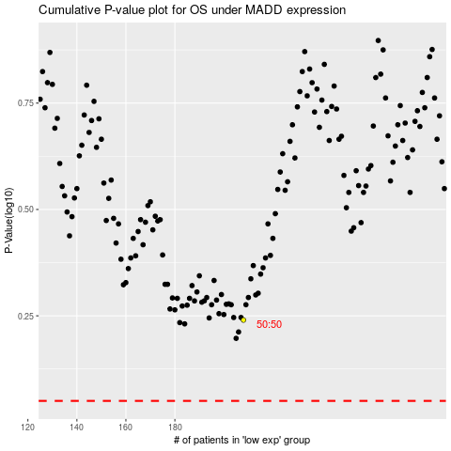

 |  |  |  |  |  | cases_OS | p_OS | rank | exp
 |  |  |  |  |  |  | cases_RFS | p_RFS | rank | exp

