MAF1 _multivariate
Reported by Tex Li-Hsing Chi. tex@gate.sinica.edu.tw 2019-08-18

Table 2. The clinicopathological features of HNSCC cohort and MAF1 expression. (Chi square test)
Cutoff at -0.166 (50.0%)
 |  | MAF1 expression |  | MAF1 expression |  | (Optimised)
 | Features | Low | (%) | High | (%) | Case no | P-value | Remark | Matthews
Gender | Female | 145 | 34.9 | 161 | 38.8 | 415 | 0.1116 | 0 | 0
2 | Male | 62 | 14.9 | 47 | 11.3
Age at diagnosis | <=65y | 138 | 33.3 | 136 | 32.8 | 415 | 0.8634 | 0 | 0
4 | >65y | 69 | 16.6 | 72 | 17.3
Clinical T Status | T1+T2 | 80 | 19.3 | 69 | 16.6 | 415 | 0.2891 | 0 | 0
6 | T3+T4 | 127 | 30.6 | 139 | 33.5
Clinical N Status | N0 | 117 | 28.2 | 99 | 23.9 | 415 | 0.0852 | 1 | 0
8 | N1-3 | 90 | 21.7 | 109 | 26.3
Clinical M Status | M0 | 207 | 49.9 | 205 | 49.4 | 415 | 0.2482 | 0 | 0
10 | M1 | 0 | 0 | 3 | 0.7
Clinical Stage | Stage I+II | 58 | 14 | 44 | 10.6 | 415 | 0.131 | 0 | 0
12 | Stage III+IV | 149 | 35.9 | 164 | 39.5
Surgical Margin status | Negative | 153 | 36.9 | 165 | 39.8 | 415 | 0.2036 | 0 | 0
14 | Positive | 54 | 13 | 43 | 10.4
Tobacco Exposure | Low | 84 | 20.2 | 77 | 18.6 | 415 | 0.4816 | 0 | 0
16 | High | 123 | 29.6 | 131 | 31.6

Table 3. Univariate/Multivariate Cox's proportional hazards regression analyses on OS time of MAF1 gene expression in HNSCC

 |  | Univariate |  |  |  | Multivariate
 | Features | HR | CI95%(L) | CI95%(H) | P-value | HR | CI95%(L) | CI95%(H) | P-value
1 | Female | 1 |  |  |  | 1
Gender | Male | 1.157 | 0.843 | 1.587 | 0.367 | 1.194 | 0.855 | 1.669 | 0.298
11 | <=65y | 1 |  |  |  | 1
Age at diagnosis | >65y | 1.329 | 0.99 | 1.784 | 0.058 | 1.394 | 1.025 | 1.895 | 0.034
12 | T1+T2 | 1 |  |  |  | 1
Clinical T Status | T3+T4 | 1.409 | 1.028 | 1.931 | 0.033 | 2.233 | 1.178 | 4.232 | 0.014
13 | N0 | 1 |  |  |  | 1
Clinical N Status | N1-3 | 1.185 | 0.89 | 1.577 | 0.246 | 1.253 | 0.877 | 1.791 | 0.216
14 | M0 | 1 |  |  |  | 1
Clinical M Status | M1 | 4.097 | 1.009 | 16.644 | 0.049 | 9.883 | 2.133 | 45.792 | 0.003
15 | Stage I+II | 1 |  |  |  | 1
Clinical Stage | Stage III+IV | 1.245 | 0.882 | 1.759 | 0.213 | 0.496 | 0.231 | 1.068 | 0.073
16 | Negative | 1 |  |  |  | 1
Surgical Margin status | Positive | 1.591 | 1.155 | 2.191 | 0.004 | 1.672 | 1.21 | 2.311 | 0.002
17 | Low | 1 |  |  |  | 1
Tobacco Exposure | High | 1.364 | 1.008 | 1.844 | 0.044 | 1.454 | 1.056 | 2.004 | 0.022
18 | Low | 1 |  |  |  | 1
RNAseq(z-score) | High | 0.972 | 0.728 | 1.296 | 0.846 | 0.921 | 0.688 | 1.235 | 0.583

Table 4. Univariate/Multivariate Cox's proportional hazards regression analyses on RFS time of MAF1 gene expression in HNSCC

 |  | Univariate |  |  |  | Multivariate
 | Features | HR | CI95%(L) | CI95%(H) | P-value | HR | CI95%(L) | CI95%(H) | P-value
1 | Female | 1 |  |  |  | 1
Gender | Male | 1.157 | 0.843 | 1.587 | 0.367 | 1.194 | 0.855 | 1.669 | 0.298
11 | <=65y | 1 |  |  |  | 1
Age at diagnosis | >65y | 1.329 | 0.99 | 1.784 | 0.058 | 1.394 | 1.025 | 1.895 | 0.034
12 | T1+T2 | 1 |  |  |  | 1
Clinical T Status | T3+T4 | 1.409 | 1.028 | 1.931 | 0.033 | 2.233 | 1.178 | 4.232 | 0.014
13 | N0 | 1 |  |  |  | 1
Clinical N Status | N1-3 | 1.185 | 0.89 | 1.577 | 0.246 | 1.253 | 0.877 | 1.791 | 0.216
14 | M0 | 1 |  |  |  | 1
Clinical M Status | M1 | 4.097 | 1.009 | 16.644 | 0.049 | 9.883 | 2.133 | 45.792 | 0.003
15 | Stage I+II | 1 |  |  |  | 1
Clinical Stage | Stage III+IV | 1.245 | 0.882 | 1.759 | 0.213 | 0.496 | 0.231 | 1.068 | 0.073
16 | Negative | 1 |  |  |  | 1
Surgical Margin status | Positive | 1.591 | 1.155 | 2.191 | 0.004 | 1.672 | 1.21 | 2.311 | 0.002
17 | Low | 1 |  |  |  | 1
Tobacco Exposure | High | 1.364 | 1.008 | 1.844 | 0.044 | 1.454 | 1.056 | 2.004 | 0.022
18 | Low | 1 |  |  |  | 1
RNAseq(z-score) | High | 0.972 | 0.728 | 1.296 | 0.846 | 0.921 | 0.688 | 1.235 | 0.583

Kaplan-Meier survival estimate: Cutoff at -0.166 (50.0%)

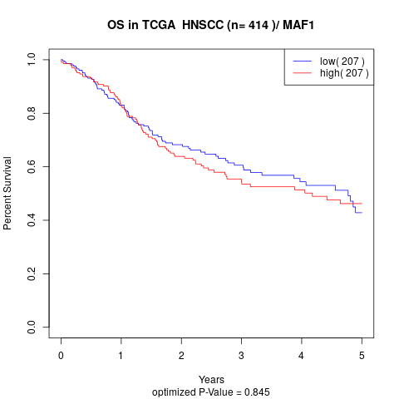

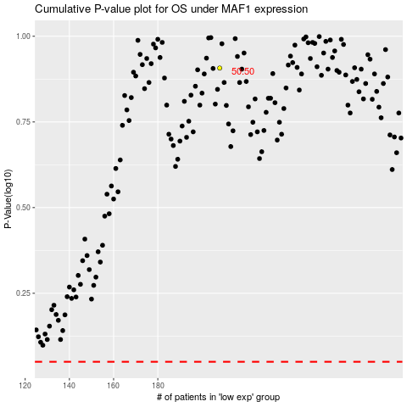

 |  |  |  |  |  | cases_OS | p_OS | rank | exp
 |  |  |  |  |  |  | cases_RFS | p_RFS | rank | exp

