MAFG _multivariate
Reported by Tex Li-Hsing Chi. tex@gate.sinica.edu.tw 2019-08-18

Table 2. The clinicopathological features of HNSCC cohort and MAFG expression. (Chi square test)
Cutoff at -0.195 (50.0%)
 |  | MAFG expression |  | MAFG expression |  | (Optimised)
 | Features | Low | (%) | High | (%) | Case no | P-value | Remark | Matthews
Gender | Female | 145 | 34.9 | 161 | 38.8 | 415 | 0.1116 | 0 | 0
2 | Male | 62 | 14.9 | 47 | 11.3
Age at diagnosis | <=65y | 129 | 31.1 | 145 | 34.9 | 415 | 0.1372 | 0 | 0
4 | >65y | 78 | 18.8 | 63 | 15.2
Clinical T Status | T1+T2 | 79 | 19 | 70 | 16.9 | 415 | 0.3924 | 0 | 0
6 | T3+T4 | 128 | 30.8 | 138 | 33.3
Clinical N Status | N0 | 113 | 27.2 | 103 | 24.8 | 415 | 0.3495 | 1 | 0
8 | N1-3 | 94 | 22.7 | 105 | 25.3
Clinical M Status | M0 | 205 | 49.4 | 207 | 49.9 | 415 | 0.6232 | 0 | 0
10 | M1 | 2 | 0.5 | 1 | 0.2
Clinical Stage | Stage I+II | 54 | 13 | 48 | 11.6 | 415 | 0.5498 | 0 | 0
12 | Stage III+IV | 153 | 36.9 | 160 | 38.6
Surgical Margin status | Negative | 161 | 38.8 | 157 | 37.8 | 415 | 0.6429 | 0 | 0
14 | Positive | 46 | 11.1 | 51 | 12.3
Tobacco Exposure | Low | 104 | 25.1 | 57 | 13.7 | 415 | 0 | 1 | 0
16 | High | 103 | 24.8 | 151 | 36.4

Table 3. Univariate/Multivariate Cox's proportional hazards regression analyses on OS time of MAFG gene expression in HNSCC

 |  | Univariate |  |  |  | Multivariate
 | Features | HR | CI95%(L) | CI95%(H) | P-value | HR | CI95%(L) | CI95%(H) | P-value
1 | Female | 1 |  |  |  | 1
Gender | Male | 1.157 | 0.843 | 1.587 | 0.367 | 1.209 | 0.864 | 1.691 | 0.268
11 | <=65y | 1 |  |  |  | 1
Age at diagnosis | >65y | 1.329 | 0.99 | 1.784 | 0.058 | 1.393 | 1.025 | 1.894 | 0.034
12 | T1+T2 | 1 |  |  |  | 1
Clinical T Status | T3+T4 | 1.409 | 1.028 | 1.931 | 0.033 | 2.192 | 1.159 | 4.146 | 0.016
13 | N0 | 1 |  |  |  | 1
Clinical N Status | N1-3 | 1.185 | 0.89 | 1.577 | 0.246 | 1.237 | 0.867 | 1.765 | 0.242
14 | M0 | 1 |  |  |  | 1
Clinical M Status | M1 | 4.097 | 1.009 | 16.644 | 0.049 | 9.603 | 2.089 | 44.133 | 0.004
15 | Stage I+II | 1 |  |  |  | 1
Clinical Stage | Stage III+IV | 1.245 | 0.882 | 1.759 | 0.213 | 0.506 | 0.236 | 1.085 | 0.08
16 | Negative | 1 |  |  |  | 1
Surgical Margin status | Positive | 1.591 | 1.155 | 2.191 | 0.004 | 1.673 | 1.211 | 2.312 | 0.002
17 | Low | 1 |  |  |  | 1
Tobacco Exposure | High | 1.364 | 1.008 | 1.844 | 0.044 | 1.432 | 1.033 | 1.986 | 0.031
18 | Low | 1 |  |  |  | 1
RNAseq(z-score) | High | 1.115 | 0.834 | 1.49 | 0.462 | 1.071 | 0.792 | 1.447 | 0.656

Table 4. Univariate/Multivariate Cox's proportional hazards regression analyses on RFS time of MAFG gene expression in HNSCC

 |  | Univariate |  |  |  | Multivariate
 | Features | HR | CI95%(L) | CI95%(H) | P-value | HR | CI95%(L) | CI95%(H) | P-value
1 | Female | 1 |  |  |  | 1
Gender | Male | 1.157 | 0.843 | 1.587 | 0.367 | 1.209 | 0.864 | 1.691 | 0.268
11 | <=65y | 1 |  |  |  | 1
Age at diagnosis | >65y | 1.329 | 0.99 | 1.784 | 0.058 | 1.393 | 1.025 | 1.894 | 0.034
12 | T1+T2 | 1 |  |  |  | 1
Clinical T Status | T3+T4 | 1.409 | 1.028 | 1.931 | 0.033 | 2.192 | 1.159 | 4.146 | 0.016
13 | N0 | 1 |  |  |  | 1
Clinical N Status | N1-3 | 1.185 | 0.89 | 1.577 | 0.246 | 1.237 | 0.867 | 1.765 | 0.242
14 | M0 | 1 |  |  |  | 1
Clinical M Status | M1 | 4.097 | 1.009 | 16.644 | 0.049 | 9.603 | 2.089 | 44.133 | 0.004
15 | Stage I+II | 1 |  |  |  | 1
Clinical Stage | Stage III+IV | 1.245 | 0.882 | 1.759 | 0.213 | 0.506 | 0.236 | 1.085 | 0.08
16 | Negative | 1 |  |  |  | 1
Surgical Margin status | Positive | 1.591 | 1.155 | 2.191 | 0.004 | 1.673 | 1.211 | 2.312 | 0.002
17 | Low | 1 |  |  |  | 1
Tobacco Exposure | High | 1.364 | 1.008 | 1.844 | 0.044 | 1.432 | 1.033 | 1.986 | 0.031
18 | Low | 1 |  |  |  | 1
RNAseq(z-score) | High | 1.115 | 0.834 | 1.49 | 0.462 | 1.071 | 0.792 | 1.447 | 0.656

Kaplan-Meier survival estimate: Cutoff at -0.195 (50.0%)



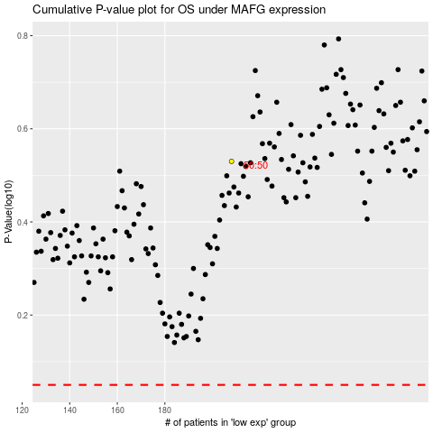

 |  |  |  |  |  | cases_OS | p_OS | rank | exp
 |  |  |  |  |  |  | cases_RFS | p_RFS | rank | exp

