MAGEA11 _multivariate
Reported by Tex Li-Hsing Chi. tex@gate.sinica.edu.tw 2019-08-18

Table 2. The clinicopathological features of HNSCC cohort and MAGEA11 expression. (Chi square test)
Cutoff at -0.483 (49.8%)
 |  | MAGEA11 expression |  | MAGEA11 expression |  | (Optimised)
 | Features | Low | (%) | High | (%) | Case no | P-value | Remark | Matthews
Gender | Female | 154 | 37.1 | 152 | 36.6 | 415 | 0.8463 | 0 | 0
2 | Male | 53 | 12.8 | 56 | 13.5
Age at diagnosis | <=65y | 141 | 34 | 133 | 32 | 415 | 0.4272 | 0 | 0
4 | >65y | 66 | 15.9 | 75 | 18.1
Clinical T Status | T1+T2 | 89 | 21.4 | 60 | 14.5 | 415 | 0.0037 | 1 | 0
6 | T3+T4 | 118 | 28.4 | 148 | 35.7
Clinical N Status | N0 | 93 | 22.4 | 123 | 29.6 | 415 | 0.0051 | 1 | 0
8 | N1-3 | 114 | 27.5 | 85 | 20.5
Clinical M Status | M0 | 206 | 49.6 | 206 | 49.6 | 415 | 1 | 0 | 0
10 | M1 | 1 | 0.2 | 2 | 0.5
Clinical Stage | Stage I+II | 55 | 13.3 | 47 | 11.3 | 415 | 0.4087 | 0 | 0
12 | Stage III+IV | 152 | 36.6 | 161 | 38.8
Surgical Margin status | Negative | 160 | 38.6 | 158 | 38.1 | 415 | 0.8167 | 0 | 0
14 | Positive | 47 | 11.3 | 50 | 12
Tobacco Exposure | Low | 83 | 20 | 78 | 18.8 | 415 | 0.6152 | 0 | 0
16 | High | 124 | 29.9 | 130 | 31.3

Table 3. Univariate/Multivariate Cox's proportional hazards regression analyses on OS time of MAGEA11 gene expression in HNSCC

 |  | Univariate |  |  |  | Multivariate
 | Features | HR | CI95%(L) | CI95%(H) | P-value | HR | CI95%(L) | CI95%(H) | P-value
1 | Female | 1 |  |  |  | 1
Gender | Male | 1.157 | 0.843 | 1.587 | 0.367 | 1.209 | 0.866 | 1.689 | 0.265
11 | <=65y | 1 |  |  |  | 1
Age at diagnosis | >65y | 1.329 | 0.99 | 1.784 | 0.058 | 1.393 | 1.025 | 1.895 | 0.034
12 | T1+T2 | 1 |  |  |  | 1
Clinical T Status | T3+T4 | 1.409 | 1.028 | 1.931 | 0.033 | 2.278 | 1.202 | 4.321 | 0.012
13 | N0 | 1 |  |  |  | 1
Clinical N Status | N1-3 | 1.185 | 0.89 | 1.577 | 0.246 | 1.199 | 0.837 | 1.718 | 0.323
14 | M0 | 1 |  |  |  | 1
Clinical M Status | M1 | 4.097 | 1.009 | 16.644 | 0.049 | 10.369 | 2.245 | 47.896 | 0.003
15 | Stage I+II | 1 |  |  |  | 1
Clinical Stage | Stage III+IV | 1.245 | 0.882 | 1.759 | 0.213 | 0.504 | 0.235 | 1.083 | 0.079
16 | Negative | 1 |  |  |  | 1
Surgical Margin status | Positive | 1.591 | 1.155 | 2.191 | 0.004 | 1.709 | 1.234 | 2.365 | 0.001
17 | Low | 1 |  |  |  | 1
Tobacco Exposure | High | 1.364 | 1.008 | 1.844 | 0.044 | 1.452 | 1.054 | 2.001 | 0.022
18 | Low | 1 |  |  |  | 1
RNAseq(z-score) | High | 0.914 | 0.685 | 1.22 | 0.54 | 0.83 | 0.617 | 1.115 | 0.216

Table 4. Univariate/Multivariate Cox's proportional hazards regression analyses on RFS time of MAGEA11 gene expression in HNSCC

 |  | Univariate |  |  |  | Multivariate
 | Features | HR | CI95%(L) | CI95%(H) | P-value | HR | CI95%(L) | CI95%(H) | P-value
1 | Female | 1 |  |  |  | 1
Gender | Male | 1.157 | 0.843 | 1.587 | 0.367 | 1.209 | 0.866 | 1.689 | 0.265
11 | <=65y | 1 |  |  |  | 1
Age at diagnosis | >65y | 1.329 | 0.99 | 1.784 | 0.058 | 1.393 | 1.025 | 1.895 | 0.034
12 | T1+T2 | 1 |  |  |  | 1
Clinical T Status | T3+T4 | 1.409 | 1.028 | 1.931 | 0.033 | 2.278 | 1.202 | 4.321 | 0.012
13 | N0 | 1 |  |  |  | 1
Clinical N Status | N1-3 | 1.185 | 0.89 | 1.577 | 0.246 | 1.199 | 0.837 | 1.718 | 0.323
14 | M0 | 1 |  |  |  | 1
Clinical M Status | M1 | 4.097 | 1.009 | 16.644 | 0.049 | 10.369 | 2.245 | 47.896 | 0.003
15 | Stage I+II | 1 |  |  |  | 1
Clinical Stage | Stage III+IV | 1.245 | 0.882 | 1.759 | 0.213 | 0.504 | 0.235 | 1.083 | 0.079
16 | Negative | 1 |  |  |  | 1
Surgical Margin status | Positive | 1.591 | 1.155 | 2.191 | 0.004 | 1.709 | 1.234 | 2.365 | 0.001
17 | Low | 1 |  |  |  | 1
Tobacco Exposure | High | 1.364 | 1.008 | 1.844 | 0.044 | 1.452 | 1.054 | 2.001 | 0.022
18 | Low | 1 |  |  |  | 1
RNAseq(z-score) | High | 0.914 | 0.685 | 1.22 | 0.54 | 0.83 | 0.617 | 1.115 | 0.216

Kaplan-Meier survival estimate: Cutoff at -0.483 (49.8%)



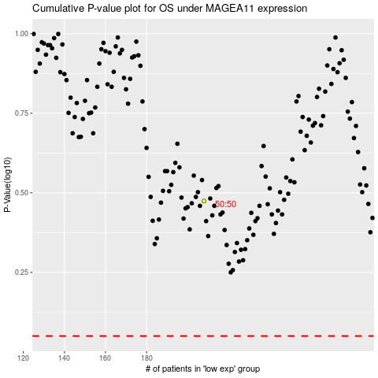

 |  |  |  |  |  | cases_OS | p_OS | rank | exp
 |  |  |  |  |  |  | cases_RFS | p_RFS | rank | exp

