MAGEA2 _multivariate
Reported by Tex Li-Hsing Chi. tex@gate.sinica.edu.tw 2019-08-18

Table 2. The clinicopathological features of HNSCC cohort and MAGEA2 expression. (Chi square test)
Cutoff at -0.385 (49.8%)
 |  | MAGEA2 expression |  | MAGEA2 expression |  | (Optimised)
 | Features | Low | (%) | High | (%) | Case no | P-value | Remark | Matthews
Gender | Female | 159 | 38.3 | 147 | 35.4 | 415 | 0.1905 | 0 | 0
2 | Male | 48 | 11.6 | 61 | 14.7
Age at diagnosis | <=65y | 143 | 34.5 | 131 | 31.6 | 415 | 0.2269 | 0 | 0
4 | >65y | 64 | 15.4 | 77 | 18.6
Clinical T Status | T1+T2 | 91 | 21.9 | 58 | 14 | 415 | 9e-04 | 1 | 0
6 | T3+T4 | 116 | 28 | 150 | 36.1
Clinical N Status | N0 | 101 | 24.3 | 115 | 27.7 | 415 | 0.2201 | 0 | 0
8 | N1-3 | 106 | 25.5 | 93 | 22.4
Clinical M Status | M0 | 206 | 49.6 | 206 | 49.6 | 415 | 1 | 0 | 0
10 | M1 | 1 | 0.2 | 2 | 0.5
Clinical Stage | Stage I+II | 55 | 13.3 | 47 | 11.3 | 415 | 0.4087 | 0 | 0
12 | Stage III+IV | 152 | 36.6 | 161 | 38.8
Surgical Margin status | Negative | 156 | 37.6 | 162 | 39 | 415 | 0.5636 | 0 | 0
14 | Positive | 51 | 12.3 | 46 | 11.1
Tobacco Exposure | Low | 83 | 20 | 78 | 18.8 | 415 | 0.6152 | 0 | 0
16 | High | 124 | 29.9 | 130 | 31.3

Table 3. Univariate/Multivariate Cox's proportional hazards regression analyses on OS time of MAGEA2 gene expression in HNSCC

 |  | Univariate |  |  |  | Multivariate
 | Features | HR | CI95%(L) | CI95%(H) | P-value | HR | CI95%(L) | CI95%(H) | P-value
1 | Female | 1 |  |  |  | 1
Gender | Male | 1.157 | 0.843 | 1.587 | 0.367 | 1.233 | 0.881 | 1.727 | 0.222
11 | <=65y | 1 |  |  |  | 1
Age at diagnosis | >65y | 1.329 | 0.99 | 1.784 | 0.058 | 1.385 | 1.019 | 1.882 | 0.037
12 | T1+T2 | 1 |  |  |  | 1
Clinical T Status | T3+T4 | 1.409 | 1.028 | 1.931 | 0.033 | 2.328 | 1.224 | 4.43 | 0.01
13 | N0 | 1 |  |  |  | 1
Clinical N Status | N1-3 | 1.185 | 0.89 | 1.577 | 0.246 | 1.229 | 0.861 | 1.753 | 0.256
14 | M0 | 1 |  |  |  | 1
Clinical M Status | M1 | 4.097 | 1.009 | 16.644 | 0.049 | 10.488 | 2.265 | 48.569 | 0.003
15 | Stage I+II | 1 |  |  |  | 1
Clinical Stage | Stage III+IV | 1.245 | 0.882 | 1.759 | 0.213 | 0.488 | 0.227 | 1.049 | 0.066
16 | Negative | 1 |  |  |  | 1
Surgical Margin status | Positive | 1.591 | 1.155 | 2.191 | 0.004 | 1.689 | 1.222 | 2.334 | 0.002
17 | Low | 1 |  |  |  | 1
Tobacco Exposure | High | 1.364 | 1.008 | 1.844 | 0.044 | 1.475 | 1.07 | 2.033 | 0.018
18 | Low | 1 |  |  |  | 1
RNAseq(z-score) | High | 0.957 | 0.719 | 1.274 | 0.764 | 0.835 | 0.622 | 1.12 | 0.228

Table 4. Univariate/Multivariate Cox's proportional hazards regression analyses on RFS time of MAGEA2 gene expression in HNSCC

 |  | Univariate |  |  |  | Multivariate
 | Features | HR | CI95%(L) | CI95%(H) | P-value | HR | CI95%(L) | CI95%(H) | P-value
1 | Female | 1 |  |  |  | 1
Gender | Male | 1.157 | 0.843 | 1.587 | 0.367 | 1.233 | 0.881 | 1.727 | 0.222
11 | <=65y | 1 |  |  |  | 1
Age at diagnosis | >65y | 1.329 | 0.99 | 1.784 | 0.058 | 1.385 | 1.019 | 1.882 | 0.037
12 | T1+T2 | 1 |  |  |  | 1
Clinical T Status | T3+T4 | 1.409 | 1.028 | 1.931 | 0.033 | 2.328 | 1.224 | 4.43 | 0.01
13 | N0 | 1 |  |  |  | 1
Clinical N Status | N1-3 | 1.185 | 0.89 | 1.577 | 0.246 | 1.229 | 0.861 | 1.753 | 0.256
14 | M0 | 1 |  |  |  | 1
Clinical M Status | M1 | 4.097 | 1.009 | 16.644 | 0.049 | 10.488 | 2.265 | 48.569 | 0.003
15 | Stage I+II | 1 |  |  |  | 1
Clinical Stage | Stage III+IV | 1.245 | 0.882 | 1.759 | 0.213 | 0.488 | 0.227 | 1.049 | 0.066
16 | Negative | 1 |  |  |  | 1
Surgical Margin status | Positive | 1.591 | 1.155 | 2.191 | 0.004 | 1.689 | 1.222 | 2.334 | 0.002
17 | Low | 1 |  |  |  | 1
Tobacco Exposure | High | 1.364 | 1.008 | 1.844 | 0.044 | 1.475 | 1.07 | 2.033 | 0.018
18 | Low | 1 |  |  |  | 1
RNAseq(z-score) | High | 0.957 | 0.719 | 1.274 | 0.764 | 0.835 | 0.622 | 1.12 | 0.228

Kaplan-Meier survival estimate: Cutoff at -0.385 (49.8%)



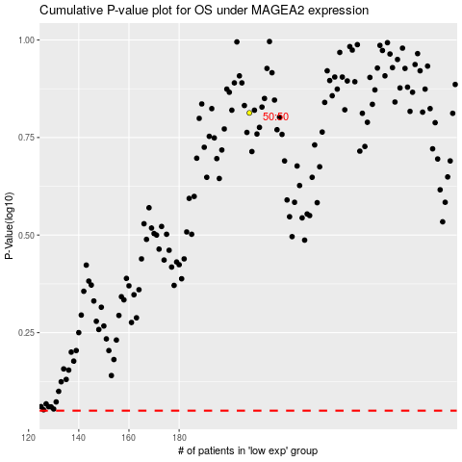

 |  |  |  |  |  | cases_OS | p_OS | rank | exp
 |  |  |  |  |  |  | cases_RFS | p_RFS | rank | exp

