MAGEA3 _multivariate
Reported by Tex Li-Hsing Chi. tex@gate.sinica.edu.tw 2019-08-18

Table 2. The clinicopathological features of HNSCC cohort and MAGEA3 expression. (Chi square test)
Cutoff at -0.556 (49.8%)
 |  | MAGEA3 expression |  | MAGEA3 expression |  | (Optimised)
 | Features | Low | (%) | High | (%) | Case no | P-value | Remark | Matthews
Gender | Female | 161 | 38.8 | 145 | 34.9 | 415 | 0.0792 | 0 | 0
2 | Male | 46 | 11.1 | 63 | 15.2
Age at diagnosis | <=65y | 140 | 33.7 | 134 | 32.3 | 415 | 0.5574 | 0 | 0
4 | >65y | 67 | 16.1 | 74 | 17.8
Clinical T Status | T1+T2 | 85 | 20.5 | 64 | 15.4 | 415 | 0.0372 | 1 | 0
6 | T3+T4 | 122 | 29.4 | 144 | 34.7
Clinical N Status | N0 | 98 | 23.6 | 118 | 28.4 | 415 | 0.0694 | 0 | 0
8 | N1-3 | 109 | 26.3 | 90 | 21.7
Clinical M Status | M0 | 206 | 49.6 | 206 | 49.6 | 415 | 1 | 0 | 0
10 | M1 | 1 | 0.2 | 2 | 0.5
Clinical Stage | Stage I+II | 52 | 12.5 | 50 | 12 | 415 | 0.8871 | 0 | 0
12 | Stage III+IV | 155 | 37.3 | 158 | 38.1
Surgical Margin status | Negative | 152 | 36.6 | 166 | 40 | 415 | 0.1329 | 0 | 0
14 | Positive | 55 | 13.3 | 42 | 10.1
Tobacco Exposure | Low | 85 | 20.5 | 76 | 18.3 | 415 | 0.3655 | 0 | 0
16 | High | 122 | 29.4 | 132 | 31.8

Table 3. Univariate/Multivariate Cox's proportional hazards regression analyses on OS time of MAGEA3 gene expression in HNSCC

 |  | Univariate |  |  |  | Multivariate
 | Features | HR | CI95%(L) | CI95%(H) | P-value | HR | CI95%(L) | CI95%(H) | P-value
1 | Female | 1 |  |  |  | 1
Gender | Male | 1.157 | 0.843 | 1.587 | 0.367 | 1.194 | 0.849 | 1.679 | 0.309
11 | <=65y | 1 |  |  |  | 1
Age at diagnosis | >65y | 1.329 | 0.99 | 1.784 | 0.058 | 1.395 | 1.025 | 1.899 | 0.034
12 | T1+T2 | 1 |  |  |  | 1
Clinical T Status | T3+T4 | 1.409 | 1.028 | 1.931 | 0.033 | 2.19 | 1.156 | 4.152 | 0.016
13 | N0 | 1 |  |  |  | 1
Clinical N Status | N1-3 | 1.185 | 0.89 | 1.577 | 0.246 | 1.246 | 0.871 | 1.782 | 0.229
14 | M0 | 1 |  |  |  | 1
Clinical M Status | M1 | 4.097 | 1.009 | 16.644 | 0.049 | 9.257 | 2.002 | 42.811 | 0.004
15 | Stage I+II | 1 |  |  |  | 1
Clinical Stage | Stage III+IV | 1.245 | 0.882 | 1.759 | 0.213 | 0.505 | 0.235 | 1.085 | 0.08
16 | Negative | 1 |  |  |  | 1
Surgical Margin status | Positive | 1.591 | 1.155 | 2.191 | 0.004 | 1.671 | 1.209 | 2.309 | 0.002
17 | Low | 1 |  |  |  | 1
Tobacco Exposure | High | 1.364 | 1.008 | 1.844 | 0.044 | 1.448 | 1.049 | 1.999 | 0.025
18 | Low | 1 |  |  |  | 1
RNAseq(z-score) | High | 1.109 | 0.832 | 1.478 | 0.479 | 1.029 | 0.764 | 1.388 | 0.849

Table 4. Univariate/Multivariate Cox's proportional hazards regression analyses on RFS time of MAGEA3 gene expression in HNSCC

 |  | Univariate |  |  |  | Multivariate
 | Features | HR | CI95%(L) | CI95%(H) | P-value | HR | CI95%(L) | CI95%(H) | P-value
1 | Female | 1 |  |  |  | 1
Gender | Male | 1.157 | 0.843 | 1.587 | 0.367 | 1.194 | 0.849 | 1.679 | 0.309
11 | <=65y | 1 |  |  |  | 1
Age at diagnosis | >65y | 1.329 | 0.99 | 1.784 | 0.058 | 1.395 | 1.025 | 1.899 | 0.034
12 | T1+T2 | 1 |  |  |  | 1
Clinical T Status | T3+T4 | 1.409 | 1.028 | 1.931 | 0.033 | 2.19 | 1.156 | 4.152 | 0.016
13 | N0 | 1 |  |  |  | 1
Clinical N Status | N1-3 | 1.185 | 0.89 | 1.577 | 0.246 | 1.246 | 0.871 | 1.782 | 0.229
14 | M0 | 1 |  |  |  | 1
Clinical M Status | M1 | 4.097 | 1.009 | 16.644 | 0.049 | 9.257 | 2.002 | 42.811 | 0.004
15 | Stage I+II | 1 |  |  |  | 1
Clinical Stage | Stage III+IV | 1.245 | 0.882 | 1.759 | 0.213 | 0.505 | 0.235 | 1.085 | 0.08
16 | Negative | 1 |  |  |  | 1
Surgical Margin status | Positive | 1.591 | 1.155 | 2.191 | 0.004 | 1.671 | 1.209 | 2.309 | 0.002
17 | Low | 1 |  |  |  | 1
Tobacco Exposure | High | 1.364 | 1.008 | 1.844 | 0.044 | 1.448 | 1.049 | 1.999 | 0.025
18 | Low | 1 |  |  |  | 1
RNAseq(z-score) | High | 1.109 | 0.832 | 1.478 | 0.479 | 1.029 | 0.764 | 1.388 | 0.849

Kaplan-Meier survival estimate: Cutoff at -0.556 (49.8%)



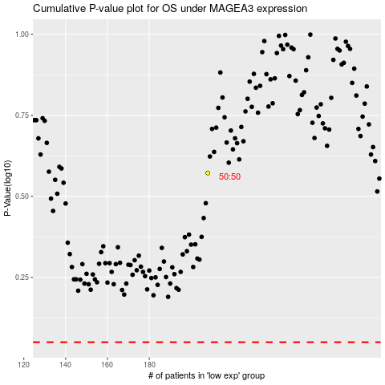

 |  |  |  |  |  | cases_OS | p_OS | rank | exp
 |  |  |  |  |  |  | cases_RFS | p_RFS | rank | exp

