MAGEA4 _multivariate
Reported by Tex Li-Hsing Chi. tex@gate.sinica.edu.tw 2019-08-18

Table 2. The clinicopathological features of HNSCC cohort and MAGEA4 expression. (Chi square test)
Cutoff at -0.417 (39.6%)
 |  | MAGEA4 expression |  | MAGEA4 expression |  | (Optimised)
 | Features | Low | (%) | High | (%) | Case no | P-value | Remark | Matthews
Gender | Female | 126 | 30.4 | 180 | 43.4 | 415 | 0.2966 | 0 | 0
2 | Male | 38 | 9.2 | 71 | 17.1
Age at diagnosis | <=65y | 119 | 28.7 | 155 | 37.3 | 415 | 0.0303 | 1 | 0
4 | >65y | 45 | 10.8 | 96 | 23.1
Clinical T Status | T1+T2 | 64 | 15.4 | 85 | 20.5 | 415 | 0.3338 | 0 | 0
6 | T3+T4 | 100 | 24.1 | 166 | 40
Clinical N Status | N0 | 79 | 19 | 137 | 33 | 415 | 0.239 | 0 | 0
8 | N1-3 | 85 | 20.5 | 114 | 27.5
Clinical M Status | M0 | 163 | 39.3 | 249 | 60 | 415 | 1 | 0 | 0
10 | M1 | 1 | 0.2 | 2 | 0.5
Clinical Stage | Stage I+II | 39 | 9.4 | 63 | 15.2 | 415 | 0.8505 | 0 | 0
12 | Stage III+IV | 125 | 30.1 | 188 | 45.3
Surgical Margin status | Negative | 128 | 30.8 | 190 | 45.8 | 415 | 0.6357 | 0 | 0
14 | Positive | 36 | 8.7 | 61 | 14.7
Tobacco Exposure | Low | 78 | 18.8 | 83 | 20 | 415 | 0.0039 | 1 | 0
16 | High | 86 | 20.7 | 168 | 40.5

Table 3. Univariate/Multivariate Cox's proportional hazards regression analyses on OS time of MAGEA4 gene expression in HNSCC

 |  | Univariate |  |  |  | Multivariate
 | Features | HR | CI95%(L) | CI95%(H) | P-value | HR | CI95%(L) | CI95%(H) | P-value
1 | Female | 1 |  |  |  | 1
Gender | Male | 1.157 | 0.843 | 1.587 | 0.367 | 1.167 | 0.834 | 1.633 | 0.368
11 | <=65y | 1 |  |  |  | 1
Age at diagnosis | >65y | 1.329 | 0.99 | 1.784 | 0.058 | 1.358 | 0.998 | 1.848 | 0.052
12 | T1+T2 | 1 |  |  |  | 1
Clinical T Status | T3+T4 | 1.409 | 1.028 | 1.931 | 0.033 | 2.144 | 1.133 | 4.058 | 0.019
13 | N0 | 1 |  |  |  | 1
Clinical N Status | N1-3 | 1.185 | 0.89 | 1.577 | 0.246 | 1.267 | 0.887 | 1.809 | 0.193
14 | M0 | 1 |  |  |  | 1
Clinical M Status | M1 | 4.097 | 1.009 | 16.644 | 0.049 | 8.579 | 1.86 | 39.565 | 0.006
15 | Stage I+II | 1 |  |  |  | 1
Clinical Stage | Stage III+IV | 1.245 | 0.882 | 1.759 | 0.213 | 0.519 | 0.242 | 1.114 | 0.092
16 | Negative | 1 |  |  |  | 1
Surgical Margin status | Positive | 1.591 | 1.155 | 2.191 | 0.004 | 1.62 | 1.17 | 2.245 | 0.004
17 | Low | 1 |  |  |  | 1
Tobacco Exposure | High | 1.364 | 1.008 | 1.844 | 0.044 | 1.39 | 1.004 | 1.925 | 0.047
18 | Low | 1 |  |  |  | 1
RNAseq(z-score) | High | 1.447 | 1.066 | 1.963 | 0.018 | 1.248 | 0.907 | 1.718 | 0.174

Table 4. Univariate/Multivariate Cox's proportional hazards regression analyses on RFS time of MAGEA4 gene expression in HNSCC

 |  | Univariate |  |  |  | Multivariate
 | Features | HR | CI95%(L) | CI95%(H) | P-value | HR | CI95%(L) | CI95%(H) | P-value
1 | Female | 1 |  |  |  | 1
Gender | Male | 1.157 | 0.843 | 1.587 | 0.367 | 1.167 | 0.834 | 1.633 | 0.368
11 | <=65y | 1 |  |  |  | 1
Age at diagnosis | >65y | 1.329 | 0.99 | 1.784 | 0.058 | 1.358 | 0.998 | 1.848 | 0.052
12 | T1+T2 | 1 |  |  |  | 1
Clinical T Status | T3+T4 | 1.409 | 1.028 | 1.931 | 0.033 | 2.144 | 1.133 | 4.058 | 0.019
13 | N0 | 1 |  |  |  | 1
Clinical N Status | N1-3 | 1.185 | 0.89 | 1.577 | 0.246 | 1.267 | 0.887 | 1.809 | 0.193
14 | M0 | 1 |  |  |  | 1
Clinical M Status | M1 | 4.097 | 1.009 | 16.644 | 0.049 | 8.579 | 1.86 | 39.565 | 0.006
15 | Stage I+II | 1 |  |  |  | 1
Clinical Stage | Stage III+IV | 1.245 | 0.882 | 1.759 | 0.213 | 0.519 | 0.242 | 1.114 | 0.092
16 | Negative | 1 |  |  |  | 1
Surgical Margin status | Positive | 1.591 | 1.155 | 2.191 | 0.004 | 1.62 | 1.17 | 2.245 | 0.004
17 | Low | 1 |  |  |  | 1
Tobacco Exposure | High | 1.364 | 1.008 | 1.844 | 0.044 | 1.39 | 1.004 | 1.925 | 0.047
18 | Low | 1 |  |  |  | 1
RNAseq(z-score) | High | 1.447 | 1.066 | 1.963 | 0.018 | 1.248 | 0.907 | 1.718 | 0.174

Kaplan-Meier survival estimate: Cutoff at -0.417 (39.6%)

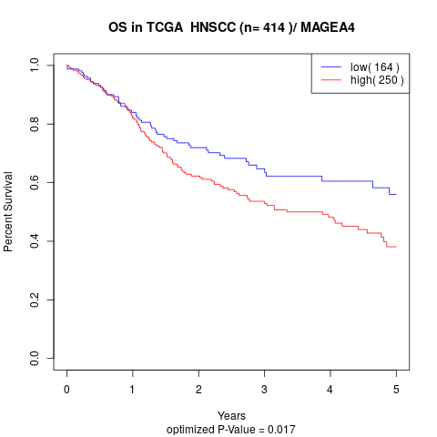

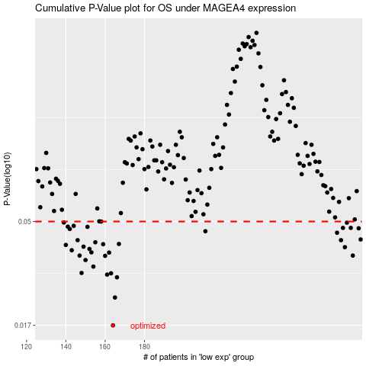

 |  |  |  |  |  | cases_OS | p_OS | rank | exp
 |  |  |  |  |  | 164 | 0.017 | 361 | -0.41733373995
 |  |  |  |  |  | 165 | 0.0227 | 76 | -0.41733123451
 |  |  |  |  |  | 166 | 0.028 | 43 | -0.41732431473
 |  |  |  |  |  | 161 | 0.0288 | 202 | -0.41739613734
 |  |  |  |  |  | 163 | 0.0292 | 219 | -0.41734169373
 |  |  |  |  |  | 148 | 0.0293 | 390 | -0.41781713082
 |  |  |  |  |  | 154 | 0.0313 | 185 | -0.41767213344
 |  |  |  |  |  | 150 | 0.0335 | 115 | -0.41776980584
 |  |  |  |  |  | 160 | 0.035 | 324 | -0.41748573665
 |  |  |  |  |  | 147 | 0.0351 | 170 | -0.41784636095
 |  |  |  |  |  | 286 | 0.0351 | 370 | -0.15571870663
 |  |  |  |  |  | 162 | 0.0362 | 347 | -0.41738551905
 |  |  |  |  |  | 153 | 0.0363 | 305 | -0.41772347508
 |  |  |  |  |  | 143 | 0.0371 | 86 | -0.41789591299
 |  |  |  |  |  | 152 | 0.0376 | 315 | -0.41772796897
 |  |  |  |  |  | 282 | 0.0383 | 263 | -0.200796068
 |  |  |  |  |  | 149 | 0.0385 | 382 | -0.41777338504
 |  |  |  |  |  | 140 | 0.0392 | 82 | -0.41793957923
 |  |  |  |  |  | 159 | 0.0395 | 309 | -0.41760778738
 |  |  |  |  |  | 167 | 0.0396 | 78 | -0.41731421343
 |  |  |  |  |  | 155 | 0.0403 | 250 | -0.41766358313
 |  |  |  |  |  | 280 | 0.0412 | 275 | -0.22720746314
 |  |  |  |  |  | 146 | 0.0412 | 337 | -0.41787085859
 |  |  |  |  |  | 290 | 0.0415 | 245 | -0.13609240122
 |  |  |  |  |  | 278 | 0.0445 | 222 | -0.24403081737
 |  |  |  |  |  | 211 | 0.0452 | 88 | -0.4126367556
 |  |  |  |  |  | 142 | 0.0463 | 151 | -0.41790132156
 |  |  |  |  |  | 289 | 0.0466 | 147 | -0.14388869453
 |  |  |  |  |  | 285 | 0.0468 | 109 | -0.16144996053
 |  |  |  |  |  | 281 | 0.0468 | 234 | -0.21524645231
 |  |  |  |  |  | 151 | 0.0473 | 189 | -0.41775206891
 |  |  |  |  |  | 141 | 0.0474 | 172 | -0.41791368968
 |  |  |  |  |  | 144 | 0.0478 | 85 | -0.41788374371
 |  |  |  |  |  | 283 | 0.0494 | 117 | -0.17835416491
 |  |  |  |  |  | 139 | 0.0495 | 44 | -0.41794478896
 |  |  |  |  |  | 158 | 0.05 | 106 | -0.41762460962
 |  |  |  |  |  |  | cases_RFS | p_RFS | rank | exp
 |  |  |  |  |  |  | 163 | 0.017 | 219 | -0.41734169373
 |  |  |  |  |  |  | 164 | 0.0227 | 361 | -0.41733373995
 |  |  |  |  |  |  | 165 | 0.028 | 76 | -0.41733123451
 |  |  |  |  |  |  | 160 | 0.0288 | 324 | -0.41748573665
 |  |  |  |  |  |  | 162 | 0.0292 | 347 | -0.41738551905
 |  |  |  |  |  |  | 147 | 0.0293 | 170 | -0.41784636095
 |  |  |  |  |  |  | 153 | 0.0313 | 305 | -0.41772347508
 |  |  |  |  |  |  | 149 | 0.0335 | 382 | -0.41777338504
 |  |  |  |  |  |  | 159 | 0.035 | 309 | -0.41760778738
 |  |  |  |  |  |  | 285 | 0.0351 | 109 | -0.16144996053
 |  |  |  |  |  |  | 146 | 0.0351 | 337 | -0.41787085859
 |  |  |  |  |  |  | 161 | 0.0362 | 202 | -0.41739613734
 |  |  |  |  |  |  | 152 | 0.0363 | 315 | -0.41772796897
 |  |  |  |  |  |  | 142 | 0.0371 | 151 | -0.41790132156
 |  |  |  |  |  |  | 151 | 0.0376 | 189 | -0.41775206891
 |  |  |  |  |  |  | 281 | 0.0383 | 234 | -0.21524645231
 |  |  |  |  |  |  | 148 | 0.0385 | 390 | -0.41781713082
 |  |  |  |  |  |  | 139 | 0.0392 | 44 | -0.41794478896
 |  |  |  |  |  |  | 158 | 0.0395 | 106 | -0.41762460962
 |  |  |  |  |  |  | 166 | 0.0396 | 43 | -0.41732431473
 |  |  |  |  |  |  | 154 | 0.0403 | 185 | -0.41767213344
 |  |  |  |  |  |  | 279 | 0.0412 | 188 | -0.23542280124
 |  |  |  |  |  |  | 145 | 0.0412 | 205 | -0.41788314718
 |  |  |  |  |  |  | 289 | 0.0415 | 147 | -0.14388869453
 |  |  |  |  |  |  | 277 | 0.0445 | 316 | -0.24669783848
 |  |  |  |  |  |  | 210 | 0.0452 | 392 | -0.4127088566
 |  |  |  |  |  |  | 141 | 0.0463 | 172 | -0.41791368968
 |  |  |  |  |  |  | 288 | 0.0466 | 131 | -0.14732194285
 |  |  |  |  |  |  | 284 | 0.0468 | 255 | -0.17551784764
 |  |  |  |  |  |  | 280 | 0.0468 | 275 | -0.22720746314
 |  |  |  |  |  |  | 150 | 0.0473 | 115 | -0.41776980584
 |  |  |  |  |  |  | 140 | 0.0474 | 82 | -0.41793957923
 |  |  |  |  |  |  | 143 | 0.0478 | 86 | -0.41789591299
 |  |  |  |  |  |  | 282 | 0.0494 | 263 | -0.200796068
 |  |  |  |  |  |  | 138 | 0.0495 | 103 | -0.41794582295
 |  |  |  |  |  |  | 157 | 0.05 | 259 | -0.41763669936

