MAGEA6 _multivariate
Reported by Tex Li-Hsing Chi. tex@gate.sinica.edu.tw 2019-08-18

Table 2. The clinicopathological features of HNSCC cohort and MAGEA6 expression. (Chi square test)
Cutoff at -0.573 (49.8%)
 |  | MAGEA6 expression |  | MAGEA6 expression |  | (Optimised)
 | Features | Low | (%) | High | (%) | Case no | P-value | Remark | Matthews
Gender | Female | 160 | 38.6 | 146 | 35.2 | 415 | 0.1254 | 0 | 0
2 | Male | 47 | 11.3 | 62 | 14.9
Age at diagnosis | <=65y | 140 | 33.7 | 134 | 32.3 | 415 | 0.5574 | 0 | 0
4 | >65y | 67 | 16.1 | 74 | 17.8
Clinical T Status | T1+T2 | 86 | 20.7 | 63 | 15.2 | 415 | 0.0221 | 1 | 0
6 | T3+T4 | 121 | 29.2 | 145 | 34.9
Clinical N Status | N0 | 96 | 23.1 | 120 | 28.9 | 415 | 0.0272 | 1 | 0
8 | N1-3 | 111 | 26.7 | 88 | 21.2
Clinical M Status | M0 | 206 | 49.6 | 206 | 49.6 | 415 | 1 | 0 | 0
10 | M1 | 1 | 0.2 | 2 | 0.5
Clinical Stage | Stage I+II | 53 | 12.8 | 49 | 11.8 | 415 | 0.7113 | 0 | 0
12 | Stage III+IV | 154 | 37.1 | 159 | 38.3
Surgical Margin status | Negative | 154 | 37.1 | 164 | 39.5 | 415 | 0.2984 | 0 | 0
14 | Positive | 53 | 12.8 | 44 | 10.6
Tobacco Exposure | Low | 83 | 20 | 78 | 18.8 | 415 | 0.6152 | 0 | 0
16 | High | 124 | 29.9 | 130 | 31.3

Table 3. Univariate/Multivariate Cox's proportional hazards regression analyses on OS time of MAGEA6 gene expression in HNSCC

 |  | Univariate |  |  |  | Multivariate
 | Features | HR | CI95%(L) | CI95%(H) | P-value | HR | CI95%(L) | CI95%(H) | P-value
1 | Female | 1 |  |  |  | 1
Gender | Male | 1.157 | 0.843 | 1.587 | 0.367 | 1.203 | 0.855 | 1.691 | 0.288
11 | <=65y | 1 |  |  |  | 1
Age at diagnosis | >65y | 1.329 | 0.99 | 1.784 | 0.058 | 1.391 | 1.023 | 1.893 | 0.036
12 | T1+T2 | 1 |  |  |  | 1
Clinical T Status | T3+T4 | 1.409 | 1.028 | 1.931 | 0.033 | 2.204 | 1.162 | 4.18 | 0.015
13 | N0 | 1 |  |  |  | 1
Clinical N Status | N1-3 | 1.185 | 0.89 | 1.577 | 0.246 | 1.24 | 0.865 | 1.776 | 0.241
14 | M0 | 1 |  |  |  | 1
Clinical M Status | M1 | 4.097 | 1.009 | 16.644 | 0.049 | 9.43 | 2.037 | 43.663 | 0.004
15 | Stage I+II | 1 |  |  |  | 1
Clinical Stage | Stage III+IV | 1.245 | 0.882 | 1.759 | 0.213 | 0.504 | 0.235 | 1.083 | 0.079
16 | Negative | 1 |  |  |  | 1
Surgical Margin status | Positive | 1.591 | 1.155 | 2.191 | 0.004 | 1.672 | 1.21 | 2.311 | 0.002
17 | Low | 1 |  |  |  | 1
Tobacco Exposure | High | 1.364 | 1.008 | 1.844 | 0.044 | 1.454 | 1.054 | 2.006 | 0.023
18 | Low | 1 |  |  |  | 1
RNAseq(z-score) | High | 1.087 | 0.816 | 1.448 | 0.569 | 0.996 | 0.738 | 1.343 | 0.977

Table 4. Univariate/Multivariate Cox's proportional hazards regression analyses on RFS time of MAGEA6 gene expression in HNSCC

 |  | Univariate |  |  |  | Multivariate
 | Features | HR | CI95%(L) | CI95%(H) | P-value | HR | CI95%(L) | CI95%(H) | P-value
1 | Female | 1 |  |  |  | 1
Gender | Male | 1.157 | 0.843 | 1.587 | 0.367 | 1.203 | 0.855 | 1.691 | 0.288
11 | <=65y | 1 |  |  |  | 1
Age at diagnosis | >65y | 1.329 | 0.99 | 1.784 | 0.058 | 1.391 | 1.023 | 1.893 | 0.036
12 | T1+T2 | 1 |  |  |  | 1
Clinical T Status | T3+T4 | 1.409 | 1.028 | 1.931 | 0.033 | 2.204 | 1.162 | 4.18 | 0.015
13 | N0 | 1 |  |  |  | 1
Clinical N Status | N1-3 | 1.185 | 0.89 | 1.577 | 0.246 | 1.24 | 0.865 | 1.776 | 0.241
14 | M0 | 1 |  |  |  | 1
Clinical M Status | M1 | 4.097 | 1.009 | 16.644 | 0.049 | 9.43 | 2.037 | 43.663 | 0.004
15 | Stage I+II | 1 |  |  |  | 1
Clinical Stage | Stage III+IV | 1.245 | 0.882 | 1.759 | 0.213 | 0.504 | 0.235 | 1.083 | 0.079
16 | Negative | 1 |  |  |  | 1
Surgical Margin status | Positive | 1.591 | 1.155 | 2.191 | 0.004 | 1.672 | 1.21 | 2.311 | 0.002
17 | Low | 1 |  |  |  | 1
Tobacco Exposure | High | 1.364 | 1.008 | 1.844 | 0.044 | 1.454 | 1.054 | 2.006 | 0.023
18 | Low | 1 |  |  |  | 1
RNAseq(z-score) | High | 1.087 | 0.816 | 1.448 | 0.569 | 0.996 | 0.738 | 1.343 | 0.977

Kaplan-Meier survival estimate: Cutoff at -0.573 (49.8%)



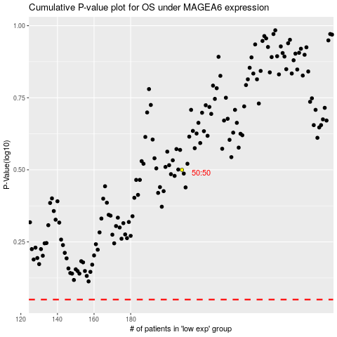

 |  |  |  |  |  | cases_OS | p_OS | rank | exp
 |  |  |  |  |  |  | cases_RFS | p_RFS | rank | exp

