MAGED1 _multivariate
Reported by Tex Li-Hsing Chi. tex@gate.sinica.edu.tw 2019-08-18

Table 2. The clinicopathological features of HNSCC cohort and MAGED1 expression. (Chi square test)
Cutoff at -0.185 (50.0%)
 |  | MAGED1 expression |  | MAGED1 expression |  | (Optimised)
 | Features | Low | (%) | High | (%) | Case no | P-value | Remark | Matthews
Gender | Female | 154 | 37.1 | 152 | 36.6 | 415 | 0.8463 | 0 | 0
2 | Male | 53 | 12.8 | 56 | 13.5
Age at diagnosis | <=65y | 130 | 31.3 | 144 | 34.7 | 415 | 0.2009 | 0 | 0
4 | >65y | 77 | 18.6 | 64 | 15.4
Clinical T Status | T1+T2 | 71 | 17.1 | 78 | 18.8 | 415 | 0.5638 | 0 | 0
6 | T3+T4 | 136 | 32.8 | 130 | 31.3
Clinical N Status | N0 | 104 | 25.1 | 112 | 27 | 415 | 0.5243 | 0 | 0
8 | N1-3 | 103 | 24.8 | 96 | 23.1
Clinical M Status | M0 | 205 | 49.4 | 207 | 49.9 | 415 | 0.6232 | 0 | 0
10 | M1 | 2 | 0.5 | 1 | 0.2
Clinical Stage | Stage I+II | 51 | 12.3 | 51 | 12.3 | 415 | 1 | 0 | 0
12 | Stage III+IV | 156 | 37.6 | 157 | 37.8
Surgical Margin status | Negative | 161 | 38.8 | 157 | 37.8 | 415 | 0.6429 | 0 | 0
14 | Positive | 46 | 11.1 | 51 | 12.3
Tobacco Exposure | Low | 93 | 22.4 | 68 | 16.4 | 415 | 0.0118 | 1 | 0
16 | High | 114 | 27.5 | 140 | 33.7

Table 3. Univariate/Multivariate Cox's proportional hazards regression analyses on OS time of MAGED1 gene expression in HNSCC

 |  | Univariate |  |  |  | Multivariate
 | Features | HR | CI95%(L) | CI95%(H) | P-value | HR | CI95%(L) | CI95%(H) | P-value
1 | Female | 1 |  |  |  | 1
Gender | Male | 1.157 | 0.843 | 1.587 | 0.367 | 1.207 | 0.864 | 1.688 | 0.27
11 | <=65y | 1 |  |  |  | 1
Age at diagnosis | >65y | 1.329 | 0.99 | 1.784 | 0.058 | 1.383 | 1.016 | 1.882 | 0.039
12 | T1+T2 | 1 |  |  |  | 1
Clinical T Status | T3+T4 | 1.409 | 1.028 | 1.931 | 0.033 | 2.185 | 1.155 | 4.133 | 0.016
13 | N0 | 1 |  |  |  | 1
Clinical N Status | N1-3 | 1.185 | 0.89 | 1.577 | 0.246 | 1.229 | 0.86 | 1.756 | 0.258
14 | M0 | 1 |  |  |  | 1
Clinical M Status | M1 | 4.097 | 1.009 | 16.644 | 0.049 | 9.339 | 2.037 | 42.823 | 0.004
15 | Stage I+II | 1 |  |  |  | 1
Clinical Stage | Stage III+IV | 1.245 | 0.882 | 1.759 | 0.213 | 0.51 | 0.237 | 1.095 | 0.084
16 | Negative | 1 |  |  |  | 1
Surgical Margin status | Positive | 1.591 | 1.155 | 2.191 | 0.004 | 1.676 | 1.213 | 2.316 | 0.002
17 | Low | 1 |  |  |  | 1
Tobacco Exposure | High | 1.364 | 1.008 | 1.844 | 0.044 | 1.476 | 1.066 | 2.044 | 0.019
18 | Low | 1 |  |  |  | 1
RNAseq(z-score) | High | 0.936 | 0.703 | 1.247 | 0.652 | 0.92 | 0.686 | 1.235 | 0.58

Table 4. Univariate/Multivariate Cox's proportional hazards regression analyses on RFS time of MAGED1 gene expression in HNSCC

 |  | Univariate |  |  |  | Multivariate
 | Features | HR | CI95%(L) | CI95%(H) | P-value | HR | CI95%(L) | CI95%(H) | P-value
1 | Female | 1 |  |  |  | 1
Gender | Male | 1.157 | 0.843 | 1.587 | 0.367 | 1.207 | 0.864 | 1.688 | 0.27
11 | <=65y | 1 |  |  |  | 1
Age at diagnosis | >65y | 1.329 | 0.99 | 1.784 | 0.058 | 1.383 | 1.016 | 1.882 | 0.039
12 | T1+T2 | 1 |  |  |  | 1
Clinical T Status | T3+T4 | 1.409 | 1.028 | 1.931 | 0.033 | 2.185 | 1.155 | 4.133 | 0.016
13 | N0 | 1 |  |  |  | 1
Clinical N Status | N1-3 | 1.185 | 0.89 | 1.577 | 0.246 | 1.229 | 0.86 | 1.756 | 0.258
14 | M0 | 1 |  |  |  | 1
Clinical M Status | M1 | 4.097 | 1.009 | 16.644 | 0.049 | 9.339 | 2.037 | 42.823 | 0.004
15 | Stage I+II | 1 |  |  |  | 1
Clinical Stage | Stage III+IV | 1.245 | 0.882 | 1.759 | 0.213 | 0.51 | 0.237 | 1.095 | 0.084
16 | Negative | 1 |  |  |  | 1
Surgical Margin status | Positive | 1.591 | 1.155 | 2.191 | 0.004 | 1.676 | 1.213 | 2.316 | 0.002
17 | Low | 1 |  |  |  | 1
Tobacco Exposure | High | 1.364 | 1.008 | 1.844 | 0.044 | 1.476 | 1.066 | 2.044 | 0.019
18 | Low | 1 |  |  |  | 1
RNAseq(z-score) | High | 0.936 | 0.703 | 1.247 | 0.652 | 0.92 | 0.686 | 1.235 | 0.58

Kaplan-Meier survival estimate: Cutoff at -0.185 (50.0%)



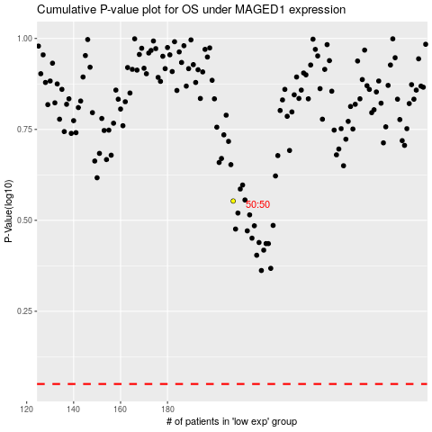

 |  |  |  |  |  | cases_OS | p_OS | rank | exp
 |  |  |  |  |  |  | cases_RFS | p_RFS | rank | exp

