MAGED2 _multivariate
Reported by Tex Li-Hsing Chi. tex@gate.sinica.edu.tw 2019-08-18

Table 2. The clinicopathological features of HNSCC cohort and MAGED2 expression. (Chi square test)
Cutoff at -0.238 (49.8%)
 |  | MAGED2 expression |  | MAGED2 expression |  | (Optimised)
 | Features | Low | (%) | High | (%) | Case no | P-value | Remark | Matthews
Gender | Female | 154 | 37.1 | 152 | 36.6 | 415 | 0.8463 | 0 | 0
2 | Male | 53 | 12.8 | 56 | 13.5
Age at diagnosis | <=65y | 131 | 31.6 | 143 | 34.5 | 415 | 0.2839 | 0 | 0
4 | >65y | 76 | 18.3 | 65 | 15.7
Clinical T Status | T1+T2 | 67 | 16.1 | 82 | 19.8 | 415 | 0.1628 | 0 | 0
6 | T3+T4 | 140 | 33.7 | 126 | 30.4
Clinical N Status | N0 | 112 | 27 | 104 | 25.1 | 415 | 0.4599 | 0 | 0
8 | N1-3 | 95 | 22.9 | 104 | 25.1
Clinical M Status | M0 | 205 | 49.4 | 207 | 49.9 | 415 | 0.6232 | 0 | 0
10 | M1 | 2 | 0.5 | 1 | 0.2
Clinical Stage | Stage I+II | 48 | 11.6 | 54 | 13 | 415 | 0.5878 | 0 | 0
12 | Stage III+IV | 159 | 38.3 | 154 | 37.1
Surgical Margin status | Negative | 157 | 37.8 | 161 | 38.8 | 415 | 0.729 | 0 | 0
14 | Positive | 50 | 12 | 47 | 11.3
Tobacco Exposure | Low | 75 | 18.1 | 86 | 20.7 | 415 | 0.3141 | 0 | 0
16 | High | 132 | 31.8 | 122 | 29.4

Table 3. Univariate/Multivariate Cox's proportional hazards regression analyses on OS time of MAGED2 gene expression in HNSCC

 |  | Univariate |  |  |  | Multivariate
 | Features | HR | CI95%(L) | CI95%(H) | P-value | HR | CI95%(L) | CI95%(H) | P-value
1 | Female | 1 |  |  |  | 1
Gender | Male | 1.157 | 0.843 | 1.587 | 0.367 | 1.202 | 0.86 | 1.679 | 0.282
11 | <=65y | 1 |  |  |  | 1
Age at diagnosis | >65y | 1.329 | 0.99 | 1.784 | 0.058 | 1.388 | 1.02 | 1.89 | 0.037
12 | T1+T2 | 1 |  |  |  | 1
Clinical T Status | T3+T4 | 1.409 | 1.028 | 1.931 | 0.033 | 2.204 | 1.166 | 4.168 | 0.015
13 | N0 | 1 |  |  |  | 1
Clinical N Status | N1-3 | 1.185 | 0.89 | 1.577 | 0.246 | 1.244 | 0.871 | 1.776 | 0.231
14 | M0 | 1 |  |  |  | 1
Clinical M Status | M1 | 4.097 | 1.009 | 16.644 | 0.049 | 9.388 | 2.048 | 43.044 | 0.004
15 | Stage I+II | 1 |  |  |  | 1
Clinical Stage | Stage III+IV | 1.245 | 0.882 | 1.759 | 0.213 | 0.503 | 0.234 | 1.081 | 0.078
16 | Negative | 1 |  |  |  | 1
Surgical Margin status | Positive | 1.591 | 1.155 | 2.191 | 0.004 | 1.671 | 1.21 | 2.309 | 0.002
17 | Low | 1 |  |  |  | 1
Tobacco Exposure | High | 1.364 | 1.008 | 1.844 | 0.044 | 1.453 | 1.055 | 2.003 | 0.022
18 | Low | 1 |  |  |  | 1
RNAseq(z-score) | High | 0.935 | 0.702 | 1.246 | 0.647 | 0.976 | 0.73 | 1.305 | 0.87

Table 4. Univariate/Multivariate Cox's proportional hazards regression analyses on RFS time of MAGED2 gene expression in HNSCC

 |  | Univariate |  |  |  | Multivariate
 | Features | HR | CI95%(L) | CI95%(H) | P-value | HR | CI95%(L) | CI95%(H) | P-value
1 | Female | 1 |  |  |  | 1
Gender | Male | 1.157 | 0.843 | 1.587 | 0.367 | 1.202 | 0.86 | 1.679 | 0.282
11 | <=65y | 1 |  |  |  | 1
Age at diagnosis | >65y | 1.329 | 0.99 | 1.784 | 0.058 | 1.388 | 1.02 | 1.89 | 0.037
12 | T1+T2 | 1 |  |  |  | 1
Clinical T Status | T3+T4 | 1.409 | 1.028 | 1.931 | 0.033 | 2.204 | 1.166 | 4.168 | 0.015
13 | N0 | 1 |  |  |  | 1
Clinical N Status | N1-3 | 1.185 | 0.89 | 1.577 | 0.246 | 1.244 | 0.871 | 1.776 | 0.231
14 | M0 | 1 |  |  |  | 1
Clinical M Status | M1 | 4.097 | 1.009 | 16.644 | 0.049 | 9.388 | 2.048 | 43.044 | 0.004
15 | Stage I+II | 1 |  |  |  | 1
Clinical Stage | Stage III+IV | 1.245 | 0.882 | 1.759 | 0.213 | 0.503 | 0.234 | 1.081 | 0.078
16 | Negative | 1 |  |  |  | 1
Surgical Margin status | Positive | 1.591 | 1.155 | 2.191 | 0.004 | 1.671 | 1.21 | 2.309 | 0.002
17 | Low | 1 |  |  |  | 1
Tobacco Exposure | High | 1.364 | 1.008 | 1.844 | 0.044 | 1.453 | 1.055 | 2.003 | 0.022
18 | Low | 1 |  |  |  | 1
RNAseq(z-score) | High | 0.935 | 0.702 | 1.246 | 0.647 | 0.976 | 0.73 | 1.305 | 0.87

Kaplan-Meier survival estimate: Cutoff at -0.238 (49.8%)



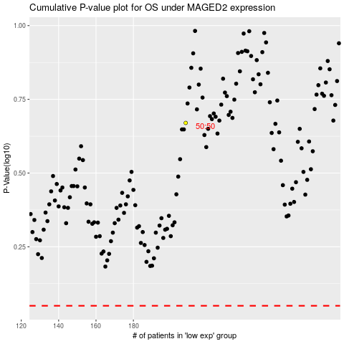

 |  |  |  |  |  | cases_OS | p_OS | rank | exp
 |  |  |  |  |  |  | cases_RFS | p_RFS | rank | exp

