MAGED4 _multivariate
Reported by Tex Li-Hsing Chi. tex@gate.sinica.edu.tw 2019-08-18

Table 2. The clinicopathological features of HNSCC cohort and MAGED4 expression. (Chi square test)
Cutoff at -0.203 (49.8%)
 |  | MAGED4 expression |  | MAGED4 expression |  | (Optimised)
 | Features | Low | (%) | High | (%) | Case no | P-value | Remark | Matthews
Gender | Female | 139 | 33.5 | 167 | 40.2 | 415 | 0.0034 | 1 | 0
2 | Male | 68 | 16.4 | 41 | 9.9
Age at diagnosis | <=65y | 137 | 33 | 137 | 33 | 415 | 1 | 0 | 0
4 | >65y | 70 | 16.9 | 71 | 17.1
Clinical T Status | T1+T2 | 86 | 20.7 | 63 | 15.2 | 415 | 0.0221 | 1 | 0
6 | T3+T4 | 121 | 29.2 | 145 | 34.9
Clinical N Status | N0 | 113 | 27.2 | 103 | 24.8 | 415 | 0.3495 | 1 | 0
8 | N1-3 | 94 | 22.7 | 105 | 25.3
Clinical M Status | M0 | 205 | 49.4 | 207 | 49.9 | 415 | 0.6232 | 0 | 0
10 | M1 | 2 | 0.5 | 1 | 0.2
Clinical Stage | Stage I+II | 59 | 14.2 | 43 | 10.4 | 415 | 0.0822 | 0 | 0
12 | Stage III+IV | 148 | 35.7 | 165 | 39.8
Surgical Margin status | Negative | 169 | 40.7 | 149 | 35.9 | 415 | 0.0201 | 1 | 0
14 | Positive | 38 | 9.2 | 59 | 14.2
Tobacco Exposure | Low | 99 | 23.9 | 62 | 14.9 | 415 | 2e-04 | 1 | 0
16 | High | 108 | 26 | 146 | 35.2

Table 3. Univariate/Multivariate Cox's proportional hazards regression analyses on OS time of MAGED4 gene expression in HNSCC

 |  | Univariate |  |  |  | Multivariate
 | Features | HR | CI95%(L) | CI95%(H) | P-value | HR | CI95%(L) | CI95%(H) | P-value
1 | Female | 1 |  |  |  | 1
Gender | Male | 1.157 | 0.843 | 1.587 | 0.367 | 1.187 | 0.849 | 1.658 | 0.316
11 | <=65y | 1 |  |  |  | 1
Age at diagnosis | >65y | 1.329 | 0.99 | 1.784 | 0.058 | 1.39 | 1.022 | 1.89 | 0.036
12 | T1+T2 | 1 |  |  |  | 1
Clinical T Status | T3+T4 | 1.409 | 1.028 | 1.931 | 0.033 | 2.254 | 1.191 | 4.267 | 0.013
13 | N0 | 1 |  |  |  | 1
Clinical N Status | N1-3 | 1.185 | 0.89 | 1.577 | 0.246 | 1.242 | 0.871 | 1.772 | 0.232
14 | M0 | 1 |  |  |  | 1
Clinical M Status | M1 | 4.097 | 1.009 | 16.644 | 0.049 | 9.108 | 1.984 | 41.803 | 0.004
15 | Stage I+II | 1 |  |  |  | 1
Clinical Stage | Stage III+IV | 1.245 | 0.882 | 1.759 | 0.213 | 0.501 | 0.234 | 1.076 | 0.077
16 | Negative | 1 |  |  |  | 1
Surgical Margin status | Positive | 1.591 | 1.155 | 2.191 | 0.004 | 1.71 | 1.234 | 2.37 | 0.001
17 | Low | 1 |  |  |  | 1
Tobacco Exposure | High | 1.364 | 1.008 | 1.844 | 0.044 | 1.519 | 1.09 | 2.117 | 0.013
18 | Low | 1 |  |  |  | 1
RNAseq(z-score) | High | 0.98 | 0.735 | 1.307 | 0.892 | 0.847 | 0.624 | 1.149 | 0.286

Table 4. Univariate/Multivariate Cox's proportional hazards regression analyses on RFS time of MAGED4 gene expression in HNSCC

 |  | Univariate |  |  |  | Multivariate
 | Features | HR | CI95%(L) | CI95%(H) | P-value | HR | CI95%(L) | CI95%(H) | P-value
1 | Female | 1 |  |  |  | 1
Gender | Male | 1.157 | 0.843 | 1.587 | 0.367 | 1.187 | 0.849 | 1.658 | 0.316
11 | <=65y | 1 |  |  |  | 1
Age at diagnosis | >65y | 1.329 | 0.99 | 1.784 | 0.058 | 1.39 | 1.022 | 1.89 | 0.036
12 | T1+T2 | 1 |  |  |  | 1
Clinical T Status | T3+T4 | 1.409 | 1.028 | 1.931 | 0.033 | 2.254 | 1.191 | 4.267 | 0.013
13 | N0 | 1 |  |  |  | 1
Clinical N Status | N1-3 | 1.185 | 0.89 | 1.577 | 0.246 | 1.242 | 0.871 | 1.772 | 0.232
14 | M0 | 1 |  |  |  | 1
Clinical M Status | M1 | 4.097 | 1.009 | 16.644 | 0.049 | 9.108 | 1.984 | 41.803 | 0.004
15 | Stage I+II | 1 |  |  |  | 1
Clinical Stage | Stage III+IV | 1.245 | 0.882 | 1.759 | 0.213 | 0.501 | 0.234 | 1.076 | 0.077
16 | Negative | 1 |  |  |  | 1
Surgical Margin status | Positive | 1.591 | 1.155 | 2.191 | 0.004 | 1.71 | 1.234 | 2.37 | 0.001
17 | Low | 1 |  |  |  | 1
Tobacco Exposure | High | 1.364 | 1.008 | 1.844 | 0.044 | 1.519 | 1.09 | 2.117 | 0.013
18 | Low | 1 |  |  |  | 1
RNAseq(z-score) | High | 0.98 | 0.735 | 1.307 | 0.892 | 0.847 | 0.624 | 1.149 | 0.286

Kaplan-Meier survival estimate: Cutoff at -0.203 (49.8%)

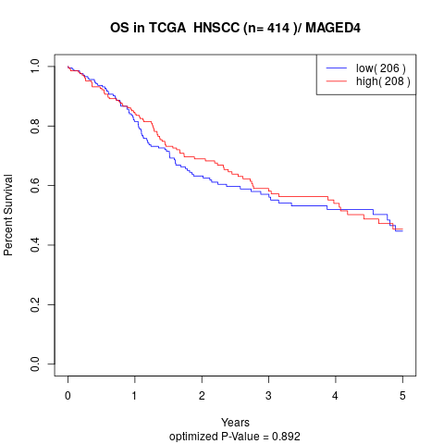

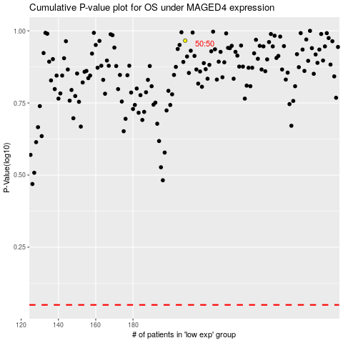

 |  |  |  |  |  | cases_OS | p_OS | rank | exp
 |  |  |  |  |  |  | cases_RFS | p_RFS | rank | exp

