MAGEE1 _multivariate
Reported by Tex Li-Hsing Chi. tex@gate.sinica.edu.tw 2019-08-18

Table 2. The clinicopathological features of HNSCC cohort and MAGEE1 expression. (Chi square test)
Cutoff at -0.2 (49.8%)
 |  | MAGEE1 expression |  | MAGEE1 expression |  | (Optimised)
 | Features | Low | (%) | High | (%) | Case no | P-value | Remark | Matthews
Gender | Female | 159 | 38.3 | 147 | 35.4 | 415 | 0.1905 | 0 | 0
2 | Male | 48 | 11.6 | 61 | 14.7
Age at diagnosis | <=65y | 129 | 31.1 | 145 | 34.9 | 415 | 0.1372 | 0 | 0
4 | >65y | 78 | 18.8 | 63 | 15.2
Clinical T Status | T1+T2 | 72 | 17.3 | 77 | 18.6 | 415 | 0.7095 | 0 | 0
6 | T3+T4 | 135 | 32.5 | 131 | 31.6
Clinical N Status | N0 | 107 | 25.8 | 109 | 26.3 | 415 | 0.9624 | 0 | 0
8 | N1-3 | 100 | 24.1 | 99 | 23.9
Clinical M Status | M0 | 204 | 49.2 | 208 | 50.1 | 415 | 0.1232 | 0 | 0
10 | M1 | 3 | 0.7 | 0 | 0
Clinical Stage | Stage I+II | 46 | 11.1 | 56 | 13.5 | 415 | 0.3182 | 0 | 0
12 | Stage III+IV | 161 | 38.8 | 152 | 36.6
Surgical Margin status | Negative | 161 | 38.8 | 157 | 37.8 | 415 | 0.6429 | 0 | 0
14 | Positive | 46 | 11.1 | 51 | 12.3
Tobacco Exposure | Low | 87 | 21 | 74 | 17.8 | 415 | 0.1911 | 0 | 0
16 | High | 120 | 28.9 | 134 | 32.3

Table 3. Univariate/Multivariate Cox's proportional hazards regression analyses on OS time of MAGEE1 gene expression in HNSCC

 |  | Univariate |  |  |  | Multivariate
 | Features | HR | CI95%(L) | CI95%(H) | P-value | HR | CI95%(L) | CI95%(H) | P-value
1 | Female | 1 |  |  |  | 1
Gender | Male | 1.157 | 0.843 | 1.587 | 0.367 | 1.211 | 0.866 | 1.694 | 0.264
11 | <=65y | 1 |  |  |  | 1
Age at diagnosis | >65y | 1.329 | 0.99 | 1.784 | 0.058 | 1.377 | 1.01 | 1.877 | 0.043
12 | T1+T2 | 1 |  |  |  | 1
Clinical T Status | T3+T4 | 1.409 | 1.028 | 1.931 | 0.033 | 2.204 | 1.166 | 4.166 | 0.015
13 | N0 | 1 |  |  |  | 1
Clinical N Status | N1-3 | 1.185 | 0.89 | 1.577 | 0.246 | 1.242 | 0.87 | 1.772 | 0.232
14 | M0 | 1 |  |  |  | 1
Clinical M Status | M1 | 4.097 | 1.009 | 16.644 | 0.049 | 9.053 | 1.964 | 41.739 | 0.005
15 | Stage I+II | 1 |  |  |  | 1
Clinical Stage | Stage III+IV | 1.245 | 0.882 | 1.759 | 0.213 | 0.501 | 0.233 | 1.076 | 0.076
16 | Negative | 1 |  |  |  | 1
Surgical Margin status | Positive | 1.591 | 1.155 | 2.191 | 0.004 | 1.679 | 1.215 | 2.321 | 0.002
17 | Low | 1 |  |  |  | 1
Tobacco Exposure | High | 1.364 | 1.008 | 1.844 | 0.044 | 1.469 | 1.063 | 2.03 | 0.02
18 | Low | 1 |  |  |  | 1
RNAseq(z-score) | High | 0.921 | 0.691 | 1.228 | 0.575 | 0.92 | 0.685 | 1.236 | 0.581

Table 4. Univariate/Multivariate Cox's proportional hazards regression analyses on RFS time of MAGEE1 gene expression in HNSCC

 |  | Univariate |  |  |  | Multivariate
 | Features | HR | CI95%(L) | CI95%(H) | P-value | HR | CI95%(L) | CI95%(H) | P-value
1 | Female | 1 |  |  |  | 1
Gender | Male | 1.157 | 0.843 | 1.587 | 0.367 | 1.211 | 0.866 | 1.694 | 0.264
11 | <=65y | 1 |  |  |  | 1
Age at diagnosis | >65y | 1.329 | 0.99 | 1.784 | 0.058 | 1.377 | 1.01 | 1.877 | 0.043
12 | T1+T2 | 1 |  |  |  | 1
Clinical T Status | T3+T4 | 1.409 | 1.028 | 1.931 | 0.033 | 2.204 | 1.166 | 4.166 | 0.015
13 | N0 | 1 |  |  |  | 1
Clinical N Status | N1-3 | 1.185 | 0.89 | 1.577 | 0.246 | 1.242 | 0.87 | 1.772 | 0.232
14 | M0 | 1 |  |  |  | 1
Clinical M Status | M1 | 4.097 | 1.009 | 16.644 | 0.049 | 9.053 | 1.964 | 41.739 | 0.005
15 | Stage I+II | 1 |  |  |  | 1
Clinical Stage | Stage III+IV | 1.245 | 0.882 | 1.759 | 0.213 | 0.501 | 0.233 | 1.076 | 0.076
16 | Negative | 1 |  |  |  | 1
Surgical Margin status | Positive | 1.591 | 1.155 | 2.191 | 0.004 | 1.679 | 1.215 | 2.321 | 0.002
17 | Low | 1 |  |  |  | 1
Tobacco Exposure | High | 1.364 | 1.008 | 1.844 | 0.044 | 1.469 | 1.063 | 2.03 | 0.02
18 | Low | 1 |  |  |  | 1
RNAseq(z-score) | High | 0.921 | 0.691 | 1.228 | 0.575 | 0.92 | 0.685 | 1.236 | 0.581

Kaplan-Meier survival estimate: Cutoff at -0.2 (49.8%)

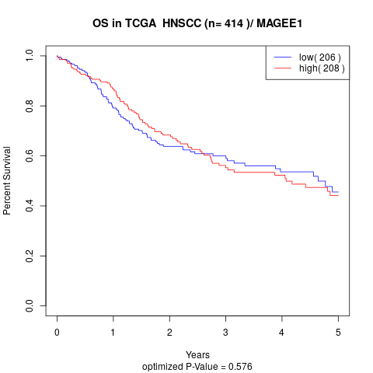

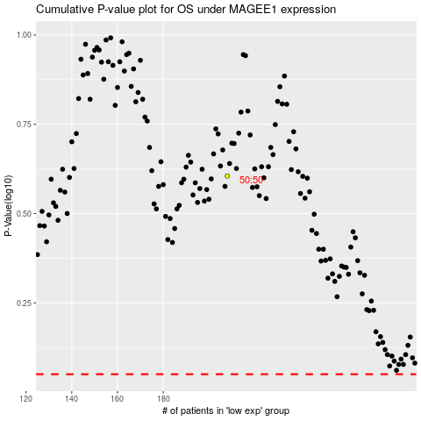

 |  |  |  |  |  | cases_OS | p_OS | rank | exp
 |  |  |  |  |  |  | cases_RFS | p_RFS | rank | exp

