MAGEH1 _multivariate
Reported by Tex Li-Hsing Chi. tex@gate.sinica.edu.tw 2019-08-18

Table 2. The clinicopathological features of HNSCC cohort and MAGEH1 expression. (Chi square test)
Cutoff at -0.245 (49.8%)
 |  | MAGEH1 expression |  | MAGEH1 expression |  | (Optimised)
 | Features | Low | (%) | High | (%) | Case no | P-value | Remark | Matthews
Gender | Female | 149 | 35.9 | 157 | 37.8 | 415 | 0.4848 | 0 | 0
2 | Male | 58 | 14 | 51 | 12.3
Age at diagnosis | <=65y | 141 | 34 | 133 | 32 | 415 | 0.4272 | 0 | 0
4 | >65y | 66 | 15.9 | 75 | 18.1
Clinical T Status | T1+T2 | 72 | 17.3 | 77 | 18.6 | 415 | 0.7095 | 0 | 0
6 | T3+T4 | 135 | 32.5 | 131 | 31.6
Clinical N Status | N0 | 105 | 25.3 | 111 | 26.7 | 415 | 0.6598 | 0 | 0
8 | N1-3 | 102 | 24.6 | 97 | 23.4
Clinical M Status | M0 | 204 | 49.2 | 208 | 50.1 | 415 | 0.1232 | 0 | 0
10 | M1 | 3 | 0.7 | 0 | 0
Clinical Stage | Stage I+II | 44 | 10.6 | 58 | 14 | 415 | 0.1459 | 0 | 0
12 | Stage III+IV | 163 | 39.3 | 150 | 36.1
Surgical Margin status | Negative | 161 | 38.8 | 157 | 37.8 | 415 | 0.6429 | 0 | 0
14 | Positive | 46 | 11.1 | 51 | 12.3
Tobacco Exposure | Low | 88 | 21.2 | 73 | 17.6 | 415 | 0.1314 | 0 | 0
16 | High | 119 | 28.7 | 135 | 32.5

Table 3. Univariate/Multivariate Cox's proportional hazards regression analyses on OS time of MAGEH1 gene expression in HNSCC

 |  | Univariate |  |  |  | Multivariate
 | Features | HR | CI95%(L) | CI95%(H) | P-value | HR | CI95%(L) | CI95%(H) | P-value
1 | Female | 1 |  |  |  | 1
Gender | Male | 1.157 | 0.843 | 1.587 | 0.367 | 1.2 | 0.859 | 1.675 | 0.285
11 | <=65y | 1 |  |  |  | 1
Age at diagnosis | >65y | 1.329 | 0.99 | 1.784 | 0.058 | 1.388 | 1.021 | 1.887 | 0.036
12 | T1+T2 | 1 |  |  |  | 1
Clinical T Status | T3+T4 | 1.409 | 1.028 | 1.931 | 0.033 | 2.172 | 1.148 | 4.11 | 0.017
13 | N0 | 1 |  |  |  | 1
Clinical N Status | N1-3 | 1.185 | 0.89 | 1.577 | 0.246 | 1.239 | 0.869 | 1.768 | 0.237
14 | M0 | 1 |  |  |  | 1
Clinical M Status | M1 | 4.097 | 1.009 | 16.644 | 0.049 | 9.743 | 2.118 | 44.814 | 0.003
15 | Stage I+II | 1 |  |  |  | 1
Clinical Stage | Stage III+IV | 1.245 | 0.882 | 1.759 | 0.213 | 0.519 | 0.241 | 1.118 | 0.094
16 | Negative | 1 |  |  |  | 1
Surgical Margin status | Positive | 1.591 | 1.155 | 2.191 | 0.004 | 1.658 | 1.199 | 2.293 | 0.002
17 | Low | 1 |  |  |  | 1
Tobacco Exposure | High | 1.364 | 1.008 | 1.844 | 0.044 | 1.439 | 1.044 | 1.984 | 0.026
18 | Low | 1 |  |  |  | 1
RNAseq(z-score) | High | 1.134 | 0.851 | 1.511 | 0.389 | 1.106 | 0.826 | 1.483 | 0.498

Table 4. Univariate/Multivariate Cox's proportional hazards regression analyses on RFS time of MAGEH1 gene expression in HNSCC

 |  | Univariate |  |  |  | Multivariate
 | Features | HR | CI95%(L) | CI95%(H) | P-value | HR | CI95%(L) | CI95%(H) | P-value
1 | Female | 1 |  |  |  | 1
Gender | Male | 1.157 | 0.843 | 1.587 | 0.367 | 1.2 | 0.859 | 1.675 | 0.285
11 | <=65y | 1 |  |  |  | 1
Age at diagnosis | >65y | 1.329 | 0.99 | 1.784 | 0.058 | 1.388 | 1.021 | 1.887 | 0.036
12 | T1+T2 | 1 |  |  |  | 1
Clinical T Status | T3+T4 | 1.409 | 1.028 | 1.931 | 0.033 | 2.172 | 1.148 | 4.11 | 0.017
13 | N0 | 1 |  |  |  | 1
Clinical N Status | N1-3 | 1.185 | 0.89 | 1.577 | 0.246 | 1.239 | 0.869 | 1.768 | 0.237
14 | M0 | 1 |  |  |  | 1
Clinical M Status | M1 | 4.097 | 1.009 | 16.644 | 0.049 | 9.743 | 2.118 | 44.814 | 0.003
15 | Stage I+II | 1 |  |  |  | 1
Clinical Stage | Stage III+IV | 1.245 | 0.882 | 1.759 | 0.213 | 0.519 | 0.241 | 1.118 | 0.094
16 | Negative | 1 |  |  |  | 1
Surgical Margin status | Positive | 1.591 | 1.155 | 2.191 | 0.004 | 1.658 | 1.199 | 2.293 | 0.002
17 | Low | 1 |  |  |  | 1
Tobacco Exposure | High | 1.364 | 1.008 | 1.844 | 0.044 | 1.439 | 1.044 | 1.984 | 0.026
18 | Low | 1 |  |  |  | 1
RNAseq(z-score) | High | 1.134 | 0.851 | 1.511 | 0.389 | 1.106 | 0.826 | 1.483 | 0.498

Kaplan-Meier survival estimate: Cutoff at -0.245 (49.8%)



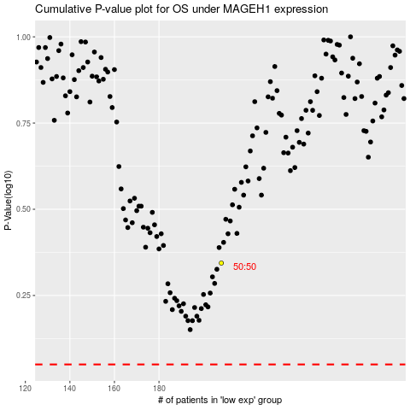

 |  |  |  |  |  | cases_OS | p_OS | rank | exp
 |  |  |  |  |  |  | cases_RFS | p_RFS | rank | exp

