MAGI2 _multivariate
Reported by Tex Li-Hsing Chi. tex@gate.sinica.edu.tw 2019-08-18

Table 2. The clinicopathological features of HNSCC cohort and MAGI2 expression. (Chi square test)
Cutoff at -0.289 (49.8%)
 |  | MAGI2 expression |  | MAGI2 expression |  | (Optimised)
 | Features | Low | (%) | High | (%) | Case no | P-value | Remark | Matthews
Gender | Female | 146 | 35.2 | 160 | 38.6 | 415 | 0.1714 | 0 | 0
2 | Male | 61 | 14.7 | 48 | 11.6
Age at diagnosis | <=65y | 136 | 32.8 | 138 | 33.3 | 415 | 0.9719 | 0 | 0
4 | >65y | 71 | 17.1 | 70 | 16.9
Clinical T Status | T1+T2 | 81 | 19.5 | 68 | 16.4 | 415 | 0.206 | 0 | 0
6 | T3+T4 | 126 | 30.4 | 140 | 33.7
Clinical N Status | N0 | 103 | 24.8 | 113 | 27.2 | 415 | 0.4047 | 0 | 0
8 | N1-3 | 104 | 25.1 | 95 | 22.9
Clinical M Status | M0 | 205 | 49.4 | 207 | 49.9 | 415 | 0.6232 | 0 | 0
10 | M1 | 2 | 0.5 | 1 | 0.2
Clinical Stage | Stage I+II | 58 | 14 | 44 | 10.6 | 415 | 0.131 | 0 | 0
12 | Stage III+IV | 149 | 35.9 | 164 | 39.5
Surgical Margin status | Negative | 160 | 38.6 | 158 | 38.1 | 415 | 0.8167 | 0 | 0
14 | Positive | 47 | 11.3 | 50 | 12
Tobacco Exposure | Low | 94 | 22.7 | 67 | 16.1 | 415 | 0.0065 | 1 | 0
16 | High | 113 | 27.2 | 141 | 34

Table 3. Univariate/Multivariate Cox's proportional hazards regression analyses on OS time of MAGI2 gene expression in HNSCC

 |  | Univariate |  |  |  | Multivariate
 | Features | HR | CI95%(L) | CI95%(H) | P-value | HR | CI95%(L) | CI95%(H) | P-value
1 | Female | 1 |  |  |  | 1
Gender | Male | 1.157 | 0.843 | 1.587 | 0.367 | 1.192 | 0.852 | 1.668 | 0.305
11 | <=65y | 1 |  |  |  | 1
Age at diagnosis | >65y | 1.329 | 0.99 | 1.784 | 0.058 | 1.39 | 1.022 | 1.89 | 0.036
12 | T1+T2 | 1 |  |  |  | 1
Clinical T Status | T3+T4 | 1.409 | 1.028 | 1.931 | 0.033 | 2.192 | 1.159 | 4.145 | 0.016
13 | N0 | 1 |  |  |  | 1
Clinical N Status | N1-3 | 1.185 | 0.89 | 1.577 | 0.246 | 1.231 | 0.862 | 1.757 | 0.253
14 | M0 | 1 |  |  |  | 1
Clinical M Status | M1 | 4.097 | 1.009 | 16.644 | 0.049 | 9.078 | 1.974 | 41.754 | 0.005
15 | Stage I+II | 1 |  |  |  | 1
Clinical Stage | Stage III+IV | 1.245 | 0.882 | 1.759 | 0.213 | 0.514 | 0.239 | 1.107 | 0.089
16 | Negative | 1 |  |  |  | 1
Surgical Margin status | Positive | 1.591 | 1.155 | 2.191 | 0.004 | 1.673 | 1.211 | 2.311 | 0.002
17 | Low | 1 |  |  |  | 1
Tobacco Exposure | High | 1.364 | 1.008 | 1.844 | 0.044 | 1.473 | 1.066 | 2.037 | 0.019
18 | Low | 1 |  |  |  | 1
RNAseq(z-score) | High | 0.914 | 0.686 | 1.217 | 0.537 | 0.904 | 0.674 | 1.212 | 0.499

Table 4. Univariate/Multivariate Cox's proportional hazards regression analyses on RFS time of MAGI2 gene expression in HNSCC

 |  | Univariate |  |  |  | Multivariate
 | Features | HR | CI95%(L) | CI95%(H) | P-value | HR | CI95%(L) | CI95%(H) | P-value
1 | Female | 1 |  |  |  | 1
Gender | Male | 1.157 | 0.843 | 1.587 | 0.367 | 1.192 | 0.852 | 1.668 | 0.305
11 | <=65y | 1 |  |  |  | 1
Age at diagnosis | >65y | 1.329 | 0.99 | 1.784 | 0.058 | 1.39 | 1.022 | 1.89 | 0.036
12 | T1+T2 | 1 |  |  |  | 1
Clinical T Status | T3+T4 | 1.409 | 1.028 | 1.931 | 0.033 | 2.192 | 1.159 | 4.145 | 0.016
13 | N0 | 1 |  |  |  | 1
Clinical N Status | N1-3 | 1.185 | 0.89 | 1.577 | 0.246 | 1.231 | 0.862 | 1.757 | 0.253
14 | M0 | 1 |  |  |  | 1
Clinical M Status | M1 | 4.097 | 1.009 | 16.644 | 0.049 | 9.078 | 1.974 | 41.754 | 0.005
15 | Stage I+II | 1 |  |  |  | 1
Clinical Stage | Stage III+IV | 1.245 | 0.882 | 1.759 | 0.213 | 0.514 | 0.239 | 1.107 | 0.089
16 | Negative | 1 |  |  |  | 1
Surgical Margin status | Positive | 1.591 | 1.155 | 2.191 | 0.004 | 1.673 | 1.211 | 2.311 | 0.002
17 | Low | 1 |  |  |  | 1
Tobacco Exposure | High | 1.364 | 1.008 | 1.844 | 0.044 | 1.473 | 1.066 | 2.037 | 0.019
18 | Low | 1 |  |  |  | 1
RNAseq(z-score) | High | 0.914 | 0.686 | 1.217 | 0.537 | 0.904 | 0.674 | 1.212 | 0.499

Kaplan-Meier survival estimate: Cutoff at -0.289 (49.8%)



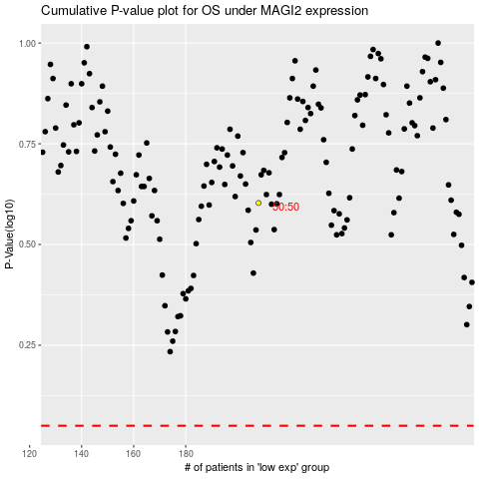

 |  |  |  |  |  | cases_OS | p_OS | rank | exp
 |  |  |  |  |  |  | cases_RFS | p_RFS | rank | exp

