MAGOH _multivariate
Reported by Tex Li-Hsing Chi. tex@gate.sinica.edu.tw 2019-08-18

Table 2. The clinicopathological features of HNSCC cohort and MAGOH expression. (Chi square test)
Cutoff at -0.184 (50.0%)
 |  | MAGOH expression |  | MAGOH expression |  | (Optimised)
 | Features | Low | (%) | High | (%) | Case no | P-value | Remark | Matthews
Gender | Female | 148 | 35.7 | 158 | 38.1 | 415 | 0.3567 | 0 | 0
2 | Male | 59 | 14.2 | 50 | 12
Age at diagnosis | <=65y | 130 | 31.3 | 144 | 34.7 | 415 | 0.2009 | 0 | 0
4 | >65y | 77 | 18.6 | 64 | 15.4
Clinical T Status | T1+T2 | 74 | 17.8 | 75 | 18.1 | 415 | 1 | 0 | 0
6 | T3+T4 | 133 | 32 | 133 | 32
Clinical N Status | N0 | 120 | 28.9 | 96 | 23.1 | 415 | 0.0208 | 1 | 0
8 | N1-3 | 87 | 21 | 112 | 27
Clinical M Status | M0 | 207 | 49.9 | 205 | 49.4 | 415 | 0.2482 | 0 | 0
10 | M1 | 0 | 0 | 3 | 0.7
Clinical Stage | Stage I+II | 56 | 13.5 | 46 | 11.1 | 415 | 0.2918 | 0 | 0
12 | Stage III+IV | 151 | 36.4 | 162 | 39
Surgical Margin status | Negative | 169 | 40.7 | 149 | 35.9 | 415 | 0.0201 | 1 | 0
14 | Positive | 38 | 9.2 | 59 | 14.2
Tobacco Exposure | Low | 88 | 21.2 | 73 | 17.6 | 415 | 0.1314 | 0 | 0
16 | High | 119 | 28.7 | 135 | 32.5

Table 3. Univariate/Multivariate Cox's proportional hazards regression analyses on OS time of MAGOH gene expression in HNSCC

 |  | Univariate |  |  |  | Multivariate
 | Features | HR | CI95%(L) | CI95%(H) | P-value | HR | CI95%(L) | CI95%(H) | P-value
1 | Female | 1 |  |  |  | 1
Gender | Male | 1.157 | 0.843 | 1.587 | 0.367 | 1.205 | 0.862 | 1.684 | 0.275
11 | <=65y | 1 |  |  |  | 1
Age at diagnosis | >65y | 1.329 | 0.99 | 1.784 | 0.058 | 1.386 | 1.019 | 1.886 | 0.038
12 | T1+T2 | 1 |  |  |  | 1
Clinical T Status | T3+T4 | 1.409 | 1.028 | 1.931 | 0.033 | 2.2 | 1.164 | 4.16 | 0.015
13 | N0 | 1 |  |  |  | 1
Clinical N Status | N1-3 | 1.185 | 0.89 | 1.577 | 0.246 | 1.251 | 0.874 | 1.79 | 0.22
14 | M0 | 1 |  |  |  | 1
Clinical M Status | M1 | 4.097 | 1.009 | 16.644 | 0.049 | 9.65 | 2.092 | 44.523 | 0.004
15 | Stage I+II | 1 |  |  |  | 1
Clinical Stage | Stage III+IV | 1.245 | 0.882 | 1.759 | 0.213 | 0.503 | 0.235 | 1.081 | 0.078
16 | Negative | 1 |  |  |  | 1
Surgical Margin status | Positive | 1.591 | 1.155 | 2.191 | 0.004 | 1.686 | 1.216 | 2.338 | 0.002
17 | Low | 1 |  |  |  | 1
Tobacco Exposure | High | 1.364 | 1.008 | 1.844 | 0.044 | 1.467 | 1.06 | 2.03 | 0.021
18 | Low | 1 |  |  |  | 1
RNAseq(z-score) | High | 1.062 | 0.796 | 1.416 | 0.682 | 0.946 | 0.7 | 1.278 | 0.717

Table 4. Univariate/Multivariate Cox's proportional hazards regression analyses on RFS time of MAGOH gene expression in HNSCC

 |  | Univariate |  |  |  | Multivariate
 | Features | HR | CI95%(L) | CI95%(H) | P-value | HR | CI95%(L) | CI95%(H) | P-value
1 | Female | 1 |  |  |  | 1
Gender | Male | 1.157 | 0.843 | 1.587 | 0.367 | 1.205 | 0.862 | 1.684 | 0.275
11 | <=65y | 1 |  |  |  | 1
Age at diagnosis | >65y | 1.329 | 0.99 | 1.784 | 0.058 | 1.386 | 1.019 | 1.886 | 0.038
12 | T1+T2 | 1 |  |  |  | 1
Clinical T Status | T3+T4 | 1.409 | 1.028 | 1.931 | 0.033 | 2.2 | 1.164 | 4.16 | 0.015
13 | N0 | 1 |  |  |  | 1
Clinical N Status | N1-3 | 1.185 | 0.89 | 1.577 | 0.246 | 1.251 | 0.874 | 1.79 | 0.22
14 | M0 | 1 |  |  |  | 1
Clinical M Status | M1 | 4.097 | 1.009 | 16.644 | 0.049 | 9.65 | 2.092 | 44.523 | 0.004
15 | Stage I+II | 1 |  |  |  | 1
Clinical Stage | Stage III+IV | 1.245 | 0.882 | 1.759 | 0.213 | 0.503 | 0.235 | 1.081 | 0.078
16 | Negative | 1 |  |  |  | 1
Surgical Margin status | Positive | 1.591 | 1.155 | 2.191 | 0.004 | 1.686 | 1.216 | 2.338 | 0.002
17 | Low | 1 |  |  |  | 1
Tobacco Exposure | High | 1.364 | 1.008 | 1.844 | 0.044 | 1.467 | 1.06 | 2.03 | 0.021
18 | Low | 1 |  |  |  | 1
RNAseq(z-score) | High | 1.062 | 0.796 | 1.416 | 0.682 | 0.946 | 0.7 | 1.278 | 0.717

Kaplan-Meier survival estimate: Cutoff at -0.184 (50.0%)



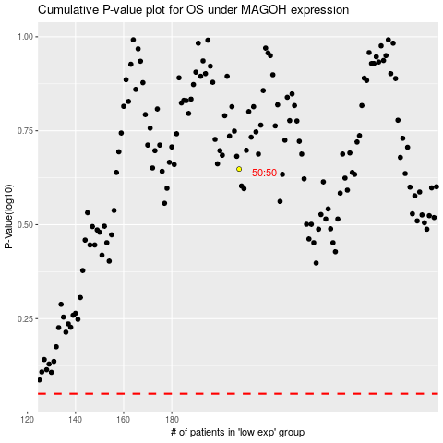

 |  |  |  |  |  | cases_OS | p_OS | rank | exp
 |  |  |  |  |  |  | cases_RFS | p_RFS | rank | exp

