MAGOHB _multivariate
Reported by Tex Li-Hsing Chi. tex@gate.sinica.edu.tw 2019-08-18

Table 2. The clinicopathological features of HNSCC cohort and MAGOHB expression. (Chi square test)
Cutoff at -0.193 (49.8%)
 |  | MAGOHB expression |  | MAGOHB expression |  | (Optimised)
 | Features | Low | (%) | High | (%) | Case no | P-value | Remark | Matthews
Gender | Female | 143 | 34.5 | 163 | 39.3 | 415 | 0.0416 | 1 | 0
2 | Male | 64 | 15.4 | 45 | 10.8
Age at diagnosis | <=65y | 130 | 31.3 | 144 | 34.7 | 415 | 0.2009 | 0 | 0
4 | >65y | 77 | 18.6 | 64 | 15.4
Clinical T Status | T1+T2 | 71 | 17.1 | 78 | 18.8 | 415 | 0.5638 | 0 | 0
6 | T3+T4 | 136 | 32.8 | 130 | 31.3
Clinical N Status | N0 | 110 | 26.5 | 106 | 25.5 | 415 | 0.7294 | 0 | 0
8 | N1-3 | 97 | 23.4 | 102 | 24.6
Clinical M Status | M0 | 206 | 49.6 | 206 | 49.6 | 415 | 1 | 0 | 0
10 | M1 | 1 | 0.2 | 2 | 0.5
Clinical Stage | Stage I+II | 50 | 12 | 52 | 12.5 | 415 | 0.9315 | 0 | 0
12 | Stage III+IV | 157 | 37.8 | 156 | 37.6
Surgical Margin status | Negative | 170 | 41 | 148 | 35.7 | 415 | 0.0105 | 1 | 0
14 | Positive | 37 | 8.9 | 60 | 14.5
Tobacco Exposure | Low | 85 | 20.5 | 76 | 18.3 | 415 | 0.3655 | 0 | 0
16 | High | 122 | 29.4 | 132 | 31.8

Table 3. Univariate/Multivariate Cox's proportional hazards regression analyses on OS time of MAGOHB gene expression in HNSCC

 |  | Univariate |  |  |  | Multivariate
 | Features | HR | CI95%(L) | CI95%(H) | P-value | HR | CI95%(L) | CI95%(H) | P-value
1 | Female | 1 |  |  |  | 1
Gender | Male | 1.157 | 0.843 | 1.587 | 0.367 | 1.19 | 0.85 | 1.666 | 0.311
11 | <=65y | 1 |  |  |  | 1
Age at diagnosis | >65y | 1.329 | 0.99 | 1.784 | 0.058 | 1.384 | 1.017 | 1.883 | 0.039
12 | T1+T2 | 1 |  |  |  | 1
Clinical T Status | T3+T4 | 1.409 | 1.028 | 1.931 | 0.033 | 2.194 | 1.16 | 4.15 | 0.016
13 | N0 | 1 |  |  |  | 1
Clinical N Status | N1-3 | 1.185 | 0.89 | 1.577 | 0.246 | 1.246 | 0.873 | 1.779 | 0.225
14 | M0 | 1 |  |  |  | 1
Clinical M Status | M1 | 4.097 | 1.009 | 16.644 | 0.049 | 9.442 | 2.06 | 43.281 | 0.004
15 | Stage I+II | 1 |  |  |  | 1
Clinical Stage | Stage III+IV | 1.245 | 0.882 | 1.759 | 0.213 | 0.502 | 0.234 | 1.077 | 0.077
16 | Negative | 1 |  |  |  | 1
Surgical Margin status | Positive | 1.591 | 1.155 | 2.191 | 0.004 | 1.707 | 1.224 | 2.38 | 0.002
17 | Low | 1 |  |  |  | 1
Tobacco Exposure | High | 1.364 | 1.008 | 1.844 | 0.044 | 1.459 | 1.058 | 2.011 | 0.021
18 | Low | 1 |  |  |  | 1
RNAseq(z-score) | High | 0.994 | 0.745 | 1.325 | 0.965 | 0.923 | 0.683 | 1.246 | 0.6

Table 4. Univariate/Multivariate Cox's proportional hazards regression analyses on RFS time of MAGOHB gene expression in HNSCC

 |  | Univariate |  |  |  | Multivariate
 | Features | HR | CI95%(L) | CI95%(H) | P-value | HR | CI95%(L) | CI95%(H) | P-value
1 | Female | 1 |  |  |  | 1
Gender | Male | 1.157 | 0.843 | 1.587 | 0.367 | 1.19 | 0.85 | 1.666 | 0.311
11 | <=65y | 1 |  |  |  | 1
Age at diagnosis | >65y | 1.329 | 0.99 | 1.784 | 0.058 | 1.384 | 1.017 | 1.883 | 0.039
12 | T1+T2 | 1 |  |  |  | 1
Clinical T Status | T3+T4 | 1.409 | 1.028 | 1.931 | 0.033 | 2.194 | 1.16 | 4.15 | 0.016
13 | N0 | 1 |  |  |  | 1
Clinical N Status | N1-3 | 1.185 | 0.89 | 1.577 | 0.246 | 1.246 | 0.873 | 1.779 | 0.225
14 | M0 | 1 |  |  |  | 1
Clinical M Status | M1 | 4.097 | 1.009 | 16.644 | 0.049 | 9.442 | 2.06 | 43.281 | 0.004
15 | Stage I+II | 1 |  |  |  | 1
Clinical Stage | Stage III+IV | 1.245 | 0.882 | 1.759 | 0.213 | 0.502 | 0.234 | 1.077 | 0.077
16 | Negative | 1 |  |  |  | 1
Surgical Margin status | Positive | 1.591 | 1.155 | 2.191 | 0.004 | 1.707 | 1.224 | 2.38 | 0.002
17 | Low | 1 |  |  |  | 1
Tobacco Exposure | High | 1.364 | 1.008 | 1.844 | 0.044 | 1.459 | 1.058 | 2.011 | 0.021
18 | Low | 1 |  |  |  | 1
RNAseq(z-score) | High | 0.994 | 0.745 | 1.325 | 0.965 | 0.923 | 0.683 | 1.246 | 0.6

Kaplan-Meier survival estimate: Cutoff at -0.193 (49.8%)



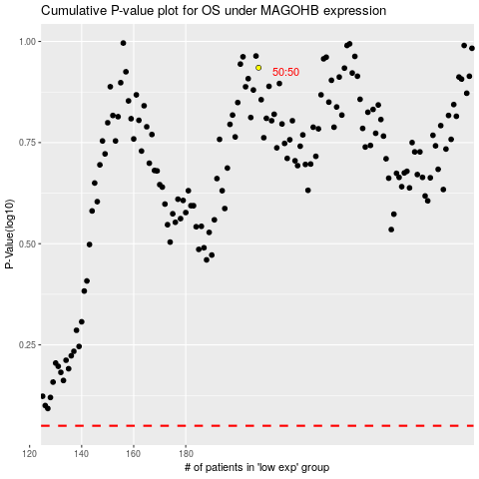

 |  |  |  |  |  | cases_OS | p_OS | rank | exp
 |  |  |  |  |  |  | cases_RFS | p_RFS | rank | exp

