MAGT1 _multivariate
Reported by Tex Li-Hsing Chi. tex@gate.sinica.edu.tw 2019-08-18

Table 2. The clinicopathological features of HNSCC cohort and MAGT1 expression. (Chi square test)
Cutoff at -0.182 (47.6%)
 |  | MAGT1 expression |  | MAGT1 expression |  | (Optimised)
 | Features | Low | (%) | High | (%) | Case no | P-value | Remark | Matthews
Gender | Female | 142 | 34.2 | 164 | 39.5 | 415 | 0.4351 | 0 | 0
2 | Male | 56 | 13.5 | 53 | 12.8
Age at diagnosis | <=65y | 134 | 32.3 | 140 | 33.7 | 415 | 0.5651 | 0 | 0
4 | >65y | 64 | 15.4 | 77 | 18.6
Clinical T Status | T1+T2 | 72 | 17.3 | 77 | 18.6 | 415 | 0.9329 | 0 | 0
6 | T3+T4 | 126 | 30.4 | 140 | 33.7
Clinical N Status | N0 | 100 | 24.1 | 116 | 28 | 415 | 0.6152 | 0 | 0
8 | N1-3 | 98 | 23.6 | 101 | 24.3
Clinical M Status | M0 | 196 | 47.2 | 216 | 52 | 415 | 0.6076 | 0 | 0
10 | M1 | 2 | 0.5 | 1 | 0.2
Clinical Stage | Stage I+II | 50 | 12 | 52 | 12.5 | 415 | 0.8488 | 0 | 0
12 | Stage III+IV | 148 | 35.7 | 165 | 39.8
Surgical Margin status | Negative | 151 | 36.4 | 167 | 40.2 | 415 | 0.9078 | 0 | 0
14 | Positive | 47 | 11.3 | 50 | 12
Tobacco Exposure | Low | 85 | 20.5 | 76 | 18.3 | 415 | 0.1072 | 0 | 0
16 | High | 113 | 27.2 | 141 | 34

Table 3. Univariate/Multivariate Cox's proportional hazards regression analyses on OS time of MAGT1 gene expression in HNSCC

 |  | Univariate |  |  |  | Multivariate
 | Features | HR | CI95%(L) | CI95%(H) | P-value | HR | CI95%(L) | CI95%(H) | P-value
1 | Female | 1 |  |  |  | 1
Gender | Male | 1.157 | 0.843 | 1.587 | 0.367 | 1.217 | 0.872 | 1.697 | 0.248
11 | <=65y | 1 |  |  |  | 1
Age at diagnosis | >65y | 1.329 | 0.99 | 1.784 | 0.058 | 1.375 | 1.011 | 1.868 | 0.042
12 | T1+T2 | 1 |  |  |  | 1
Clinical T Status | T3+T4 | 1.409 | 1.028 | 1.931 | 0.033 | 2.256 | 1.192 | 4.269 | 0.012
13 | N0 | 1 |  |  |  | 1
Clinical N Status | N1-3 | 1.185 | 0.89 | 1.577 | 0.246 | 1.311 | 0.915 | 1.878 | 0.14
14 | M0 | 1 |  |  |  | 1
Clinical M Status | M1 | 4.097 | 1.009 | 16.644 | 0.049 | 9.772 | 2.13 | 44.834 | 0.003
15 | Stage I+II | 1 |  |  |  | 1
Clinical Stage | Stage III+IV | 1.245 | 0.882 | 1.759 | 0.213 | 0.465 | 0.216 | 1.001 | 0.05
16 | Negative | 1 |  |  |  | 1
Surgical Margin status | Positive | 1.591 | 1.155 | 2.191 | 0.004 | 1.667 | 1.206 | 2.305 | 0.002
17 | Low | 1 |  |  |  | 1
Tobacco Exposure | High | 1.364 | 1.008 | 1.844 | 0.044 | 1.438 | 1.044 | 1.98 | 0.026
18 | Low | 1 |  |  |  | 1
RNAseq(z-score) | High | 1.388 | 1.036 | 1.86 | 0.028 | 1.379 | 1.025 | 1.856 | 0.034

Table 4. Univariate/Multivariate Cox's proportional hazards regression analyses on RFS time of MAGT1 gene expression in HNSCC

 |  | Univariate |  |  |  | Multivariate
 | Features | HR | CI95%(L) | CI95%(H) | P-value | HR | CI95%(L) | CI95%(H) | P-value
1 | Female | 1 |  |  |  | 1
Gender | Male | 1.157 | 0.843 | 1.587 | 0.367 | 1.217 | 0.872 | 1.697 | 0.248
11 | <=65y | 1 |  |  |  | 1
Age at diagnosis | >65y | 1.329 | 0.99 | 1.784 | 0.058 | 1.375 | 1.011 | 1.868 | 0.042
12 | T1+T2 | 1 |  |  |  | 1
Clinical T Status | T3+T4 | 1.409 | 1.028 | 1.931 | 0.033 | 2.256 | 1.192 | 4.269 | 0.012
13 | N0 | 1 |  |  |  | 1
Clinical N Status | N1-3 | 1.185 | 0.89 | 1.577 | 0.246 | 1.311 | 0.915 | 1.878 | 0.14
14 | M0 | 1 |  |  |  | 1
Clinical M Status | M1 | 4.097 | 1.009 | 16.644 | 0.049 | 9.772 | 2.13 | 44.834 | 0.003
15 | Stage I+II | 1 |  |  |  | 1
Clinical Stage | Stage III+IV | 1.245 | 0.882 | 1.759 | 0.213 | 0.465 | 0.216 | 1.001 | 0.05
16 | Negative | 1 |  |  |  | 1
Surgical Margin status | Positive | 1.591 | 1.155 | 2.191 | 0.004 | 1.667 | 1.206 | 2.305 | 0.002
17 | Low | 1 |  |  |  | 1
Tobacco Exposure | High | 1.364 | 1.008 | 1.844 | 0.044 | 1.438 | 1.044 | 1.98 | 0.026
18 | Low | 1 |  |  |  | 1
RNAseq(z-score) | High | 1.388 | 1.036 | 1.86 | 0.028 | 1.379 | 1.025 | 1.856 | 0.034

Kaplan-Meier survival estimate: Cutoff at -0.182 (47.6%)

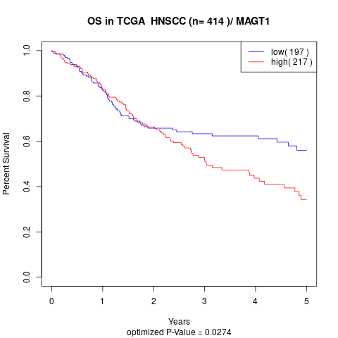

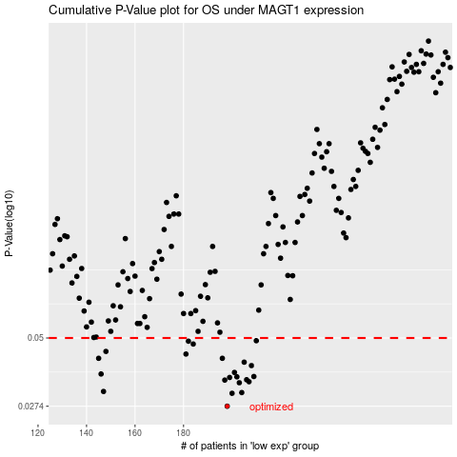

 |  |  |  |  |  | cases_OS | p_OS | rank | exp
 |  |  |  |  |  | 198 | 0.0274 | 92 | -0.18175737178
 |  |  |  |  |  | 200 | 0.0307 | 267 | -0.17386761809
 |  |  |  |  |  | 204 | 0.0309 | 253 | -0.16373309502
 |  |  |  |  |  | 147 | 0.0312 | 85 | -0.37617448731
 |  |  |  |  |  | 203 | 0.0337 | 395 | -0.16395914628
 |  |  |  |  |  | 207 | 0.034 | 142 | -0.14526974462
 |  |  |  |  |  | 197 | 0.0345 | 112 | -0.18358879959
 |  |  |  |  |  | 206 | 0.0346 | 13 | -0.16153338387
 |  |  |  |  |  | 199 | 0.0353 | 36 | -0.17704319319
 |  |  |  |  |  | 202 | 0.0355 | 246 | -0.16528624743
 |  |  |  |  |  | 209 | 0.0356 | 64 | -0.12884194134
 |  |  |  |  |  | 146 | 0.0364 | 33 | -0.3771372138
 |  |  |  |  |  | 201 | 0.0369 | 94 | -0.17359455425
 |  |  |  |  |  | 208 | 0.0392 | 332 | -0.13140276992
 |  |  |  |  |  | 205 | 0.0404 | 311 | -0.16202218444
 |  |  |  |  |  | 196 | 0.0418 | 350 | -0.18541664446
 |  |  |  |  |  | 145 | 0.0418 | 378 | -0.37780841885
 |  |  |  |  |  | 181 | 0.0434 | 226 | -0.24622378291
 |  |  |  |  |  | 148 | 0.0444 | 326 | -0.37576071144
 |  |  |  |  |  | 184 | 0.0474 | 196 | -0.22336915329
 |  |  |  |  |  | 182 | 0.0486 | 361 | -0.23299174951
 |  |  |  |  |  | 210 | 0.0488 | 69 | -0.12836367246
 |  |  |  |  |  |  | cases_RFS | p_RFS | rank | exp
 |  |  |  |  |  |  | 197 | 0.0274 | 112 | -0.18358879959
 |  |  |  |  |  |  | 199 | 0.0307 | 36 | -0.17704319319
 |  |  |  |  |  |  | 203 | 0.0309 | 395 | -0.16395914628
 |  |  |  |  |  |  | 146 | 0.0312 | 33 | -0.3771372138
 |  |  |  |  |  |  | 202 | 0.0337 | 246 | -0.16528624743
 |  |  |  |  |  |  | 206 | 0.034 | 13 | -0.16153338387
 |  |  |  |  |  |  | 196 | 0.0345 | 350 | -0.18541664446
 |  |  |  |  |  |  | 205 | 0.0346 | 311 | -0.16202218444
 |  |  |  |  |  |  | 198 | 0.0353 | 92 | -0.18175737178
 |  |  |  |  |  |  | 201 | 0.0355 | 94 | -0.17359455425
 |  |  |  |  |  |  | 208 | 0.0356 | 332 | -0.13140276992
 |  |  |  |  |  |  | 145 | 0.0364 | 378 | -0.37780841885
 |  |  |  |  |  |  | 200 | 0.0369 | 267 | -0.17386761809
 |  |  |  |  |  |  | 207 | 0.0392 | 142 | -0.14526974462
 |  |  |  |  |  |  | 204 | 0.0404 | 253 | -0.16373309502
 |  |  |  |  |  |  | 195 | 0.0418 | 105 | -0.1869311445
 |  |  |  |  |  |  | 144 | 0.0418 | 286 | -0.37942769289
 |  |  |  |  |  |  | 180 | 0.0434 | 272 | -0.25182826906
 |  |  |  |  |  |  | 147 | 0.0444 | 85 | -0.37617448731
 |  |  |  |  |  |  | 183 | 0.0474 | 255 | -0.22653843109
 |  |  |  |  |  |  | 181 | 0.0486 | 226 | -0.24622378291
 |  |  |  |  |  |  | 209 | 0.0488 | 64 | -0.12884194134

