MALL _multivariate
Reported by Tex Li-Hsing Chi. tex@gate.sinica.edu.tw 2019-08-18

Table 2. The clinicopathological features of HNSCC cohort and MALL expression. (Chi square test)
Cutoff at -0.265 (50.0%)
 |  | MALL expression |  | MALL expression |  | (Optimised)
 | Features | Low | (%) | High | (%) | Case no | P-value | Remark | Matthews
Gender | Female | 157 | 37.8 | 149 | 35.9 | 415 | 0.3881 | 0 | 0
2 | Male | 50 | 12 | 59 | 14.2
Age at diagnosis | <=65y | 138 | 33.3 | 136 | 32.8 | 415 | 0.8634 | 0 | 0
4 | >65y | 69 | 16.6 | 72 | 17.3
Clinical T Status | T1+T2 | 86 | 20.7 | 63 | 15.2 | 415 | 0.0221 | 1 | 0
6 | T3+T4 | 121 | 29.2 | 145 | 34.9
Clinical N Status | N0 | 104 | 25.1 | 112 | 27 | 415 | 0.5243 | 0 | 0
8 | N1-3 | 103 | 24.8 | 96 | 23.1
Clinical M Status | M0 | 205 | 49.4 | 207 | 49.9 | 415 | 0.6232 | 0 | 0
10 | M1 | 2 | 0.5 | 1 | 0.2
Clinical Stage | Stage I+II | 58 | 14 | 44 | 10.6 | 415 | 0.131 | 0 | 0
12 | Stage III+IV | 149 | 35.9 | 164 | 39.5
Surgical Margin status | Negative | 151 | 36.4 | 167 | 40.2 | 415 | 0.0828 | 0 | 0
14 | Positive | 56 | 13.5 | 41 | 9.9
Tobacco Exposure | Low | 79 | 19 | 82 | 19.8 | 415 | 0.8405 | 0 | 0
16 | High | 128 | 30.8 | 126 | 30.4

Table 3. Univariate/Multivariate Cox's proportional hazards regression analyses on OS time of MALL gene expression in HNSCC

 |  | Univariate |  |  |  | Multivariate
 | Features | HR | CI95%(L) | CI95%(H) | P-value | HR | CI95%(L) | CI95%(H) | P-value
1 | Female | 1 |  |  |  | 1
Gender | Male | 1.157 | 0.843 | 1.587 | 0.367 | 1.212 | 0.865 | 1.697 | 0.264
11 | <=65y | 1 |  |  |  | 1
Age at diagnosis | >65y | 1.329 | 0.99 | 1.784 | 0.058 | 1.394 | 1.025 | 1.895 | 0.034
12 | T1+T2 | 1 |  |  |  | 1
Clinical T Status | T3+T4 | 1.409 | 1.028 | 1.931 | 0.033 | 2.209 | 1.168 | 4.178 | 0.015
13 | N0 | 1 |  |  |  | 1
Clinical N Status | N1-3 | 1.185 | 0.89 | 1.577 | 0.246 | 1.23 | 0.859 | 1.761 | 0.258
14 | M0 | 1 |  |  |  | 1
Clinical M Status | M1 | 4.097 | 1.009 | 16.644 | 0.049 | 9.321 | 2.032 | 42.768 | 0.004
15 | Stage I+II | 1 |  |  |  | 1
Clinical Stage | Stage III+IV | 1.245 | 0.882 | 1.759 | 0.213 | 0.509 | 0.237 | 1.093 | 0.083
16 | Negative | 1 |  |  |  | 1
Surgical Margin status | Positive | 1.591 | 1.155 | 2.191 | 0.004 | 1.67 | 1.208 | 2.307 | 0.002
17 | Low | 1 |  |  |  | 1
Tobacco Exposure | High | 1.364 | 1.008 | 1.844 | 0.044 | 1.456 | 1.057 | 2.007 | 0.022
18 | Low | 1 |  |  |  | 1
RNAseq(z-score) | High | 0.973 | 0.73 | 1.295 | 0.849 | 0.947 | 0.706 | 1.271 | 0.717

Table 4. Univariate/Multivariate Cox's proportional hazards regression analyses on RFS time of MALL gene expression in HNSCC

 |  | Univariate |  |  |  | Multivariate
 | Features | HR | CI95%(L) | CI95%(H) | P-value | HR | CI95%(L) | CI95%(H) | P-value
1 | Female | 1 |  |  |  | 1
Gender | Male | 1.157 | 0.843 | 1.587 | 0.367 | 1.212 | 0.865 | 1.697 | 0.264
11 | <=65y | 1 |  |  |  | 1
Age at diagnosis | >65y | 1.329 | 0.99 | 1.784 | 0.058 | 1.394 | 1.025 | 1.895 | 0.034
12 | T1+T2 | 1 |  |  |  | 1
Clinical T Status | T3+T4 | 1.409 | 1.028 | 1.931 | 0.033 | 2.209 | 1.168 | 4.178 | 0.015
13 | N0 | 1 |  |  |  | 1
Clinical N Status | N1-3 | 1.185 | 0.89 | 1.577 | 0.246 | 1.23 | 0.859 | 1.761 | 0.258
14 | M0 | 1 |  |  |  | 1
Clinical M Status | M1 | 4.097 | 1.009 | 16.644 | 0.049 | 9.321 | 2.032 | 42.768 | 0.004
15 | Stage I+II | 1 |  |  |  | 1
Clinical Stage | Stage III+IV | 1.245 | 0.882 | 1.759 | 0.213 | 0.509 | 0.237 | 1.093 | 0.083
16 | Negative | 1 |  |  |  | 1
Surgical Margin status | Positive | 1.591 | 1.155 | 2.191 | 0.004 | 1.67 | 1.208 | 2.307 | 0.002
17 | Low | 1 |  |  |  | 1
Tobacco Exposure | High | 1.364 | 1.008 | 1.844 | 0.044 | 1.456 | 1.057 | 2.007 | 0.022
18 | Low | 1 |  |  |  | 1
RNAseq(z-score) | High | 0.973 | 0.73 | 1.295 | 0.849 | 0.947 | 0.706 | 1.271 | 0.717

Kaplan-Meier survival estimate: Cutoff at -0.265 (50.0%)



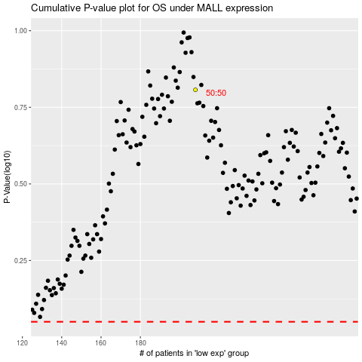

 |  |  |  |  |  | cases_OS | p_OS | rank | exp
 |  |  |  |  |  |  | cases_RFS | p_RFS | rank | exp

