MAN1A1 _multivariate
Reported by Tex Li-Hsing Chi. tex@gate.sinica.edu.tw 2019-08-18

Table 2. The clinicopathological features of HNSCC cohort and MAN1A1 expression. (Chi square test)
Cutoff at -0.227 (50.0%)
 |  | MAN1A1 expression |  | MAN1A1 expression |  | (Optimised)
 | Features | Low | (%) | High | (%) | Case no | P-value | Remark | Matthews
Gender | Female | 160 | 38.6 | 146 | 35.2 | 415 | 0.1254 | 0 | 0
2 | Male | 47 | 11.3 | 62 | 14.9
Age at diagnosis | <=65y | 136 | 32.8 | 138 | 33.3 | 415 | 0.9719 | 0 | 0
4 | >65y | 71 | 17.1 | 70 | 16.9
Clinical T Status | T1+T2 | 68 | 16.4 | 81 | 19.5 | 415 | 0.2336 | 0 | 0
6 | T3+T4 | 139 | 33.5 | 127 | 30.6
Clinical N Status | N0 | 114 | 27.5 | 102 | 24.6 | 415 | 0.2576 | 1 | 0
8 | N1-3 | 93 | 22.4 | 106 | 25.5
Clinical M Status | M0 | 204 | 49.2 | 208 | 50.1 | 415 | 0.1232 | 0 | 0
10 | M1 | 3 | 0.7 | 0 | 0
Clinical Stage | Stage I+II | 42 | 10.1 | 60 | 14.5 | 415 | 0.0561 | 0 | 0
12 | Stage III+IV | 165 | 39.8 | 148 | 35.7
Surgical Margin status | Negative | 158 | 38.1 | 160 | 38.6 | 415 | 0.9081 | 0 | 0
14 | Positive | 49 | 11.8 | 48 | 11.6
Tobacco Exposure | Low | 74 | 17.8 | 87 | 21 | 415 | 0.227 | 0 | 0
16 | High | 133 | 32 | 121 | 29.2

Table 3. Univariate/Multivariate Cox's proportional hazards regression analyses on OS time of MAN1A1 gene expression in HNSCC

 |  | Univariate |  |  |  | Multivariate
 | Features | HR | CI95%(L) | CI95%(H) | P-value | HR | CI95%(L) | CI95%(H) | P-value
1 | Female | 1 |  |  |  | 1
Gender | Male | 1.157 | 0.843 | 1.587 | 0.367 | 1.203 | 0.861 | 1.68 | 0.28
11 | <=65y | 1 |  |  |  | 1
Age at diagnosis | >65y | 1.329 | 0.99 | 1.784 | 0.058 | 1.394 | 1.025 | 1.895 | 0.034
12 | T1+T2 | 1 |  |  |  | 1
Clinical T Status | T3+T4 | 1.409 | 1.028 | 1.931 | 0.033 | 2.222 | 1.174 | 4.207 | 0.014
13 | N0 | 1 |  |  |  | 1
Clinical N Status | N1-3 | 1.185 | 0.89 | 1.577 | 0.246 | 1.254 | 0.876 | 1.794 | 0.217
14 | M0 | 1 |  |  |  | 1
Clinical M Status | M1 | 4.097 | 1.009 | 16.644 | 0.049 | 9.165 | 1.99 | 42.216 | 0.004
15 | Stage I+II | 1 |  |  |  | 1
Clinical Stage | Stage III+IV | 1.245 | 0.882 | 1.759 | 0.213 | 0.496 | 0.23 | 1.068 | 0.073
16 | Negative | 1 |  |  |  | 1
Surgical Margin status | Positive | 1.591 | 1.155 | 2.191 | 0.004 | 1.666 | 1.205 | 2.302 | 0.002
17 | Low | 1 |  |  |  | 1
Tobacco Exposure | High | 1.364 | 1.008 | 1.844 | 0.044 | 1.449 | 1.051 | 1.997 | 0.024
18 | Low | 1 |  |  |  | 1
RNAseq(z-score) | High | 0.924 | 0.694 | 1.23 | 0.586 | 0.94 | 0.702 | 1.259 | 0.677

Table 4. Univariate/Multivariate Cox's proportional hazards regression analyses on RFS time of MAN1A1 gene expression in HNSCC

 |  | Univariate |  |  |  | Multivariate
 | Features | HR | CI95%(L) | CI95%(H) | P-value | HR | CI95%(L) | CI95%(H) | P-value
1 | Female | 1 |  |  |  | 1
Gender | Male | 1.157 | 0.843 | 1.587 | 0.367 | 1.203 | 0.861 | 1.68 | 0.28
11 | <=65y | 1 |  |  |  | 1
Age at diagnosis | >65y | 1.329 | 0.99 | 1.784 | 0.058 | 1.394 | 1.025 | 1.895 | 0.034
12 | T1+T2 | 1 |  |  |  | 1
Clinical T Status | T3+T4 | 1.409 | 1.028 | 1.931 | 0.033 | 2.222 | 1.174 | 4.207 | 0.014
13 | N0 | 1 |  |  |  | 1
Clinical N Status | N1-3 | 1.185 | 0.89 | 1.577 | 0.246 | 1.254 | 0.876 | 1.794 | 0.217
14 | M0 | 1 |  |  |  | 1
Clinical M Status | M1 | 4.097 | 1.009 | 16.644 | 0.049 | 9.165 | 1.99 | 42.216 | 0.004
15 | Stage I+II | 1 |  |  |  | 1
Clinical Stage | Stage III+IV | 1.245 | 0.882 | 1.759 | 0.213 | 0.496 | 0.23 | 1.068 | 0.073
16 | Negative | 1 |  |  |  | 1
Surgical Margin status | Positive | 1.591 | 1.155 | 2.191 | 0.004 | 1.666 | 1.205 | 2.302 | 0.002
17 | Low | 1 |  |  |  | 1
Tobacco Exposure | High | 1.364 | 1.008 | 1.844 | 0.044 | 1.449 | 1.051 | 1.997 | 0.024
18 | Low | 1 |  |  |  | 1
RNAseq(z-score) | High | 0.924 | 0.694 | 1.23 | 0.586 | 0.94 | 0.702 | 1.259 | 0.677

Kaplan-Meier survival estimate: Cutoff at -0.227 (50.0%)



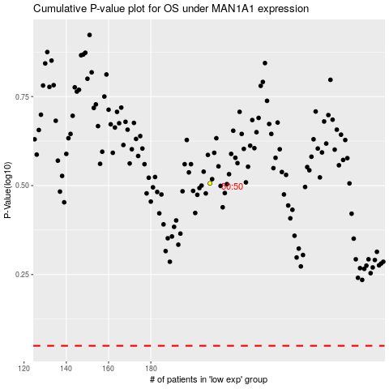

 |  |  |  |  |  | cases_OS | p_OS | rank | exp
 |  |  |  |  |  |  | cases_RFS | p_RFS | rank | exp

