MAN1A2 _multivariate
Reported by Tex Li-Hsing Chi. tex@gate.sinica.edu.tw 2019-08-18

Table 2. The clinicopathological features of HNSCC cohort and MAN1A2 expression. (Chi square test)
Cutoff at -0.109 (49.8%)
 |  | MAN1A2 expression |  | MAN1A2 expression |  | (Optimised)
 | Features | Low | (%) | High | (%) | Case no | P-value | Remark | Matthews
Gender | Female | 156 | 37.6 | 150 | 36.1 | 415 | 0.5222 | 0 | 0
2 | Male | 51 | 12.3 | 58 | 14
Age at diagnosis | <=65y | 139 | 33.5 | 135 | 32.5 | 415 | 0.7044 | 0 | 0
4 | >65y | 68 | 16.4 | 73 | 17.6
Clinical T Status | T1+T2 | 71 | 17.1 | 78 | 18.8 | 415 | 0.5638 | 0 | 0
6 | T3+T4 | 136 | 32.8 | 130 | 31.3
Clinical N Status | N0 | 105 | 25.3 | 111 | 26.7 | 415 | 0.6598 | 0 | 0
8 | N1-3 | 102 | 24.6 | 97 | 23.4
Clinical M Status | M0 | 204 | 49.2 | 208 | 50.1 | 415 | 0.1232 | 0 | 0
10 | M1 | 3 | 0.7 | 0 | 0
Clinical Stage | Stage I+II | 47 | 11.3 | 55 | 13.3 | 415 | 0.4413 | 0 | 0
12 | Stage III+IV | 160 | 38.6 | 153 | 36.9
Surgical Margin status | Negative | 151 | 36.4 | 167 | 40.2 | 415 | 0.0828 | 0 | 0
14 | Positive | 56 | 13.5 | 41 | 9.9
Tobacco Exposure | Low | 85 | 20.5 | 76 | 18.3 | 415 | 0.3655 | 0 | 0
16 | High | 122 | 29.4 | 132 | 31.8

Table 3. Univariate/Multivariate Cox's proportional hazards regression analyses on OS time of MAN1A2 gene expression in HNSCC

 |  | Univariate |  |  |  | Multivariate
 | Features | HR | CI95%(L) | CI95%(H) | P-value | HR | CI95%(L) | CI95%(H) | P-value
1 | Female | 1 |  |  |  | 1
Gender | Male | 1.157 | 0.843 | 1.587 | 0.367 | 1.202 | 0.861 | 1.679 | 0.28
11 | <=65y | 1 |  |  |  | 1
Age at diagnosis | >65y | 1.329 | 0.99 | 1.784 | 0.058 | 1.385 | 1.018 | 1.885 | 0.038
12 | T1+T2 | 1 |  |  |  | 1
Clinical T Status | T3+T4 | 1.409 | 1.028 | 1.931 | 0.033 | 2.209 | 1.168 | 4.176 | 0.015
13 | N0 | 1 |  |  |  | 1
Clinical N Status | N1-3 | 1.185 | 0.89 | 1.577 | 0.246 | 1.242 | 0.87 | 1.772 | 0.233
14 | M0 | 1 |  |  |  | 1
Clinical M Status | M1 | 4.097 | 1.009 | 16.644 | 0.049 | 9.725 | 2.104 | 44.953 | 0.004
15 | Stage I+II | 1 |  |  |  | 1
Clinical Stage | Stage III+IV | 1.245 | 0.882 | 1.759 | 0.213 | 0.504 | 0.235 | 1.081 | 0.078
16 | Negative | 1 |  |  |  | 1
Surgical Margin status | Positive | 1.591 | 1.155 | 2.191 | 0.004 | 1.681 | 1.215 | 2.326 | 0.002
17 | Low | 1 |  |  |  | 1
Tobacco Exposure | High | 1.364 | 1.008 | 1.844 | 0.044 | 1.455 | 1.056 | 2.004 | 0.022
18 | Low | 1 |  |  |  | 1
RNAseq(z-score) | High | 0.999 | 0.75 | 1.331 | 0.996 | 1.063 | 0.794 | 1.423 | 0.681

Table 4. Univariate/Multivariate Cox's proportional hazards regression analyses on RFS time of MAN1A2 gene expression in HNSCC

 |  | Univariate |  |  |  | Multivariate
 | Features | HR | CI95%(L) | CI95%(H) | P-value | HR | CI95%(L) | CI95%(H) | P-value
1 | Female | 1 |  |  |  | 1
Gender | Male | 1.157 | 0.843 | 1.587 | 0.367 | 1.202 | 0.861 | 1.679 | 0.28
11 | <=65y | 1 |  |  |  | 1
Age at diagnosis | >65y | 1.329 | 0.99 | 1.784 | 0.058 | 1.385 | 1.018 | 1.885 | 0.038
12 | T1+T2 | 1 |  |  |  | 1
Clinical T Status | T3+T4 | 1.409 | 1.028 | 1.931 | 0.033 | 2.209 | 1.168 | 4.176 | 0.015
13 | N0 | 1 |  |  |  | 1
Clinical N Status | N1-3 | 1.185 | 0.89 | 1.577 | 0.246 | 1.242 | 0.87 | 1.772 | 0.233
14 | M0 | 1 |  |  |  | 1
Clinical M Status | M1 | 4.097 | 1.009 | 16.644 | 0.049 | 9.725 | 2.104 | 44.953 | 0.004
15 | Stage I+II | 1 |  |  |  | 1
Clinical Stage | Stage III+IV | 1.245 | 0.882 | 1.759 | 0.213 | 0.504 | 0.235 | 1.081 | 0.078
16 | Negative | 1 |  |  |  | 1
Surgical Margin status | Positive | 1.591 | 1.155 | 2.191 | 0.004 | 1.681 | 1.215 | 2.326 | 0.002
17 | Low | 1 |  |  |  | 1
Tobacco Exposure | High | 1.364 | 1.008 | 1.844 | 0.044 | 1.455 | 1.056 | 2.004 | 0.022
18 | Low | 1 |  |  |  | 1
RNAseq(z-score) | High | 0.999 | 0.75 | 1.331 | 0.996 | 1.063 | 0.794 | 1.423 | 0.681

Kaplan-Meier survival estimate: Cutoff at -0.109 (49.8%)

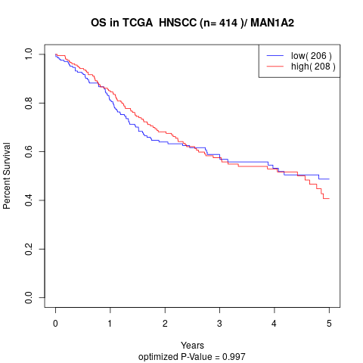

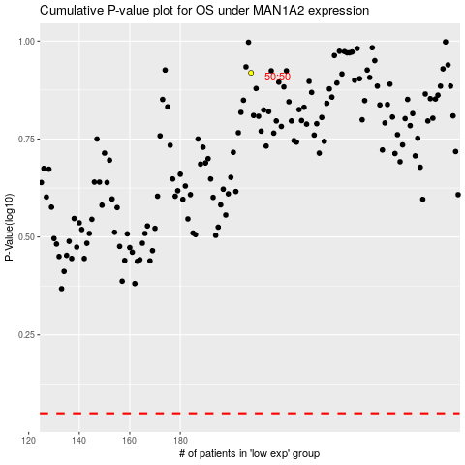

 |  |  |  |  |  | cases_OS | p_OS | rank | exp
 |  |  |  |  |  |  | cases_RFS | p_RFS | rank | exp

