MAN2A1 _multivariate
Reported by Tex Li-Hsing Chi. tex@gate.sinica.edu.tw 2019-08-18

Table 2. The clinicopathological features of HNSCC cohort and MAN2A1 expression. (Chi square test)
Cutoff at -0.099 (49.8%)
 |  | MAN2A1 expression |  | MAN2A1 expression |  | (Optimised)
 | Features | Low | (%) | High | (%) | Case no | P-value | Remark | Matthews
Gender | Female | 154 | 37.1 | 152 | 36.6 | 415 | 0.8463 | 0 | 0
2 | Male | 53 | 12.8 | 56 | 13.5
Age at diagnosis | <=65y | 137 | 33 | 137 | 33 | 415 | 1 | 0 | 0
4 | >65y | 70 | 16.9 | 71 | 17.1
Clinical T Status | T1+T2 | 70 | 16.9 | 79 | 19 | 415 | 0.4343 | 0 | 0
6 | T3+T4 | 137 | 33 | 129 | 31.1
Clinical N Status | N0 | 105 | 25.3 | 111 | 26.7 | 415 | 0.6598 | 0 | 0
8 | N1-3 | 102 | 24.6 | 97 | 23.4
Clinical M Status | M0 | 204 | 49.2 | 208 | 50.1 | 415 | 0.1232 | 0 | 0
10 | M1 | 3 | 0.7 | 0 | 0
Clinical Stage | Stage I+II | 48 | 11.6 | 54 | 13 | 415 | 0.5878 | 0 | 0
12 | Stage III+IV | 159 | 38.3 | 154 | 37.1
Surgical Margin status | Negative | 150 | 36.1 | 168 | 40.5 | 415 | 0.0492 | 1 | 0
14 | Positive | 57 | 13.7 | 40 | 9.6
Tobacco Exposure | Low | 75 | 18.1 | 86 | 20.7 | 415 | 0.3141 | 0 | 0
16 | High | 132 | 31.8 | 122 | 29.4

Table 3. Univariate/Multivariate Cox's proportional hazards regression analyses on OS time of MAN2A1 gene expression in HNSCC

 |  | Univariate |  |  |  | Multivariate
 | Features | HR | CI95%(L) | CI95%(H) | P-value | HR | CI95%(L) | CI95%(H) | P-value
1 | Female | 1 |  |  |  | 1
Gender | Male | 1.157 | 0.843 | 1.587 | 0.367 | 1.202 | 0.861 | 1.678 | 0.28
11 | <=65y | 1 |  |  |  | 1
Age at diagnosis | >65y | 1.329 | 0.99 | 1.784 | 0.058 | 1.398 | 1.028 | 1.901 | 0.033
12 | T1+T2 | 1 |  |  |  | 1
Clinical T Status | T3+T4 | 1.409 | 1.028 | 1.931 | 0.033 | 2.238 | 1.182 | 4.236 | 0.013
13 | N0 | 1 |  |  |  | 1
Clinical N Status | N1-3 | 1.185 | 0.89 | 1.577 | 0.246 | 1.248 | 0.874 | 1.78 | 0.222
14 | M0 | 1 |  |  |  | 1
Clinical M Status | M1 | 4.097 | 1.009 | 16.644 | 0.049 | 10.098 | 2.177 | 46.832 | 0.003
15 | Stage I+II | 1 |  |  |  | 1
Clinical Stage | Stage III+IV | 1.245 | 0.882 | 1.759 | 0.213 | 0.498 | 0.232 | 1.07 | 0.074
16 | Negative | 1 |  |  |  | 1
Surgical Margin status | Positive | 1.591 | 1.155 | 2.191 | 0.004 | 1.698 | 1.226 | 2.353 | 0.001
17 | Low | 1 |  |  |  | 1
Tobacco Exposure | High | 1.364 | 1.008 | 1.844 | 0.044 | 1.47 | 1.065 | 2.029 | 0.019
18 | Low | 1 |  |  |  | 1
RNAseq(z-score) | High | 0.967 | 0.725 | 1.289 | 0.82 | 1.119 | 0.833 | 1.503 | 0.455

Table 4. Univariate/Multivariate Cox's proportional hazards regression analyses on RFS time of MAN2A1 gene expression in HNSCC

 |  | Univariate |  |  |  | Multivariate
 | Features | HR | CI95%(L) | CI95%(H) | P-value | HR | CI95%(L) | CI95%(H) | P-value
1 | Female | 1 |  |  |  | 1
Gender | Male | 1.157 | 0.843 | 1.587 | 0.367 | 1.202 | 0.861 | 1.678 | 0.28
11 | <=65y | 1 |  |  |  | 1
Age at diagnosis | >65y | 1.329 | 0.99 | 1.784 | 0.058 | 1.398 | 1.028 | 1.901 | 0.033
12 | T1+T2 | 1 |  |  |  | 1
Clinical T Status | T3+T4 | 1.409 | 1.028 | 1.931 | 0.033 | 2.238 | 1.182 | 4.236 | 0.013
13 | N0 | 1 |  |  |  | 1
Clinical N Status | N1-3 | 1.185 | 0.89 | 1.577 | 0.246 | 1.248 | 0.874 | 1.78 | 0.222
14 | M0 | 1 |  |  |  | 1
Clinical M Status | M1 | 4.097 | 1.009 | 16.644 | 0.049 | 10.098 | 2.177 | 46.832 | 0.003
15 | Stage I+II | 1 |  |  |  | 1
Clinical Stage | Stage III+IV | 1.245 | 0.882 | 1.759 | 0.213 | 0.498 | 0.232 | 1.07 | 0.074
16 | Negative | 1 |  |  |  | 1
Surgical Margin status | Positive | 1.591 | 1.155 | 2.191 | 0.004 | 1.698 | 1.226 | 2.353 | 0.001
17 | Low | 1 |  |  |  | 1
Tobacco Exposure | High | 1.364 | 1.008 | 1.844 | 0.044 | 1.47 | 1.065 | 2.029 | 0.019
18 | Low | 1 |  |  |  | 1
RNAseq(z-score) | High | 0.967 | 0.725 | 1.289 | 0.82 | 1.119 | 0.833 | 1.503 | 0.455

Kaplan-Meier survival estimate: Cutoff at -0.099 (49.8%)



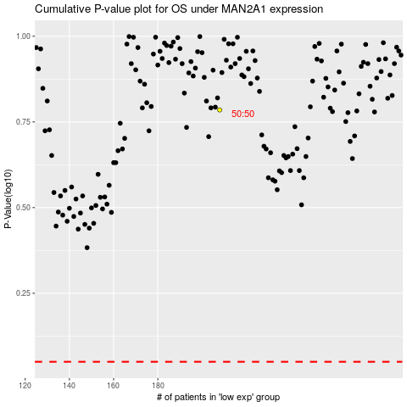

 |  |  |  |  |  | cases_OS | p_OS | rank | exp
 |  |  |  |  |  |  | cases_RFS | p_RFS | rank | exp

