MAN2B2 _multivariate
Reported by Tex Li-Hsing Chi. tex@gate.sinica.edu.tw 2019-08-18

Table 2. The clinicopathological features of HNSCC cohort and MAN2B2 expression. (Chi square test)
Cutoff at -0.198 (50.0%)
 |  | MAN2B2 expression |  | MAN2B2 expression |  | (Optimised)
 | Features | Low | (%) | High | (%) | Case no | P-value | Remark | Matthews
Gender | Female | 162 | 39 | 144 | 34.7 | 415 | 0.0479 | 1 | 0
2 | Male | 45 | 10.8 | 64 | 15.4
Age at diagnosis | <=65y | 137 | 33 | 137 | 33 | 415 | 1 | 0 | 0
4 | >65y | 70 | 16.9 | 71 | 17.1
Clinical T Status | T1+T2 | 70 | 16.9 | 79 | 19 | 415 | 0.4343 | 0 | 0
6 | T3+T4 | 137 | 33 | 129 | 31.1
Clinical N Status | N0 | 103 | 24.8 | 113 | 27.2 | 415 | 0.4047 | 0 | 0
8 | N1-3 | 104 | 25.1 | 95 | 22.9
Clinical M Status | M0 | 206 | 49.6 | 206 | 49.6 | 415 | 1 | 0 | 0
10 | M1 | 1 | 0.2 | 2 | 0.5
Clinical Stage | Stage I+II | 43 | 10.4 | 59 | 14.2 | 415 | 0.0925 | 0 | 0
12 | Stage III+IV | 164 | 39.5 | 149 | 35.9
Surgical Margin status | Negative | 149 | 35.9 | 169 | 40.7 | 415 | 0.0278 | 1 | 0
14 | Positive | 58 | 14 | 39 | 9.4
Tobacco Exposure | Low | 69 | 16.6 | 92 | 22.2 | 415 | 0.0266 | 1 | 0
16 | High | 138 | 33.3 | 116 | 28

Table 3. Univariate/Multivariate Cox's proportional hazards regression analyses on OS time of MAN2B2 gene expression in HNSCC

 |  | Univariate |  |  |  | Multivariate
 | Features | HR | CI95%(L) | CI95%(H) | P-value | HR | CI95%(L) | CI95%(H) | P-value
1 | Female | 1 |  |  |  | 1
Gender | Male | 1.157 | 0.843 | 1.587 | 0.367 | 1.182 | 0.846 | 1.65 | 0.327
11 | <=65y | 1 |  |  |  | 1
Age at diagnosis | >65y | 1.329 | 0.99 | 1.784 | 0.058 | 1.399 | 1.029 | 1.903 | 0.032
12 | T1+T2 | 1 |  |  |  | 1
Clinical T Status | T3+T4 | 1.409 | 1.028 | 1.931 | 0.033 | 2.154 | 1.138 | 4.078 | 0.018
13 | N0 | 1 |  |  |  | 1
Clinical N Status | N1-3 | 1.185 | 0.89 | 1.577 | 0.246 | 1.245 | 0.873 | 1.775 | 0.227
14 | M0 | 1 |  |  |  | 1
Clinical M Status | M1 | 4.097 | 1.009 | 16.644 | 0.049 | 8.654 | 1.879 | 39.867 | 0.006
15 | Stage I+II | 1 |  |  |  | 1
Clinical Stage | Stage III+IV | 1.245 | 0.882 | 1.759 | 0.213 | 0.523 | 0.243 | 1.124 | 0.097
16 | Negative | 1 |  |  |  | 1
Surgical Margin status | Positive | 1.591 | 1.155 | 2.191 | 0.004 | 1.706 | 1.233 | 2.36 | 0.001
17 | Low | 1 |  |  |  | 1
Tobacco Exposure | High | 1.364 | 1.008 | 1.844 | 0.044 | 1.472 | 1.069 | 2.028 | 0.018
18 | Low | 1 |  |  |  | 1
RNAseq(z-score) | High | 1.162 | 0.872 | 1.549 | 0.306 | 1.214 | 0.906 | 1.628 | 0.194

Table 4. Univariate/Multivariate Cox's proportional hazards regression analyses on RFS time of MAN2B2 gene expression in HNSCC

 |  | Univariate |  |  |  | Multivariate
 | Features | HR | CI95%(L) | CI95%(H) | P-value | HR | CI95%(L) | CI95%(H) | P-value
1 | Female | 1 |  |  |  | 1
Gender | Male | 1.157 | 0.843 | 1.587 | 0.367 | 1.182 | 0.846 | 1.65 | 0.327
11 | <=65y | 1 |  |  |  | 1
Age at diagnosis | >65y | 1.329 | 0.99 | 1.784 | 0.058 | 1.399 | 1.029 | 1.903 | 0.032
12 | T1+T2 | 1 |  |  |  | 1
Clinical T Status | T3+T4 | 1.409 | 1.028 | 1.931 | 0.033 | 2.154 | 1.138 | 4.078 | 0.018
13 | N0 | 1 |  |  |  | 1
Clinical N Status | N1-3 | 1.185 | 0.89 | 1.577 | 0.246 | 1.245 | 0.873 | 1.775 | 0.227
14 | M0 | 1 |  |  |  | 1
Clinical M Status | M1 | 4.097 | 1.009 | 16.644 | 0.049 | 8.654 | 1.879 | 39.867 | 0.006
15 | Stage I+II | 1 |  |  |  | 1
Clinical Stage | Stage III+IV | 1.245 | 0.882 | 1.759 | 0.213 | 0.523 | 0.243 | 1.124 | 0.097
16 | Negative | 1 |  |  |  | 1
Surgical Margin status | Positive | 1.591 | 1.155 | 2.191 | 0.004 | 1.706 | 1.233 | 2.36 | 0.001
17 | Low | 1 |  |  |  | 1
Tobacco Exposure | High | 1.364 | 1.008 | 1.844 | 0.044 | 1.472 | 1.069 | 2.028 | 0.018
18 | Low | 1 |  |  |  | 1
RNAseq(z-score) | High | 1.162 | 0.872 | 1.549 | 0.306 | 1.214 | 0.906 | 1.628 | 0.194

Kaplan-Meier survival estimate: Cutoff at -0.198 (50.0%)



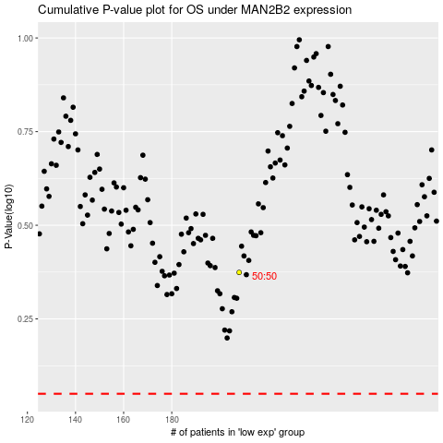

 |  |  |  |  |  | cases_OS | p_OS | rank | exp
 |  |  |  |  |  |  | cases_RFS | p_RFS | rank | exp

