MANBA _multivariate
Reported by Tex Li-Hsing Chi. tex@gate.sinica.edu.tw 2019-08-18

Table 2. The clinicopathological features of HNSCC cohort and MANBA expression. (Chi square test)
Cutoff at -0.166 (50.0%)
 |  | MANBA expression |  | MANBA expression |  | (Optimised)
 | Features | Low | (%) | High | (%) | Case no | P-value | Remark | Matthews
Gender | Female | 155 | 37.3 | 151 | 36.4 | 415 | 0.6768 | 0 | 0
2 | Male | 52 | 12.5 | 57 | 13.7
Age at diagnosis | <=65y | 134 | 32.3 | 140 | 33.7 | 415 | 0.6529 | 0 | 0
4 | >65y | 73 | 17.6 | 68 | 16.4
Clinical T Status | T1+T2 | 75 | 18.1 | 74 | 17.8 | 415 | 0.9707 | 0 | 0
6 | T3+T4 | 132 | 31.8 | 134 | 32.3
Clinical N Status | N0 | 110 | 26.5 | 106 | 25.5 | 415 | 0.7294 | 0 | 0
8 | N1-3 | 97 | 23.4 | 102 | 24.6
Clinical M Status | M0 | 205 | 49.4 | 207 | 49.9 | 415 | 0.6232 | 0 | 0
10 | M1 | 2 | 0.5 | 1 | 0.2
Clinical Stage | Stage I+II | 53 | 12.8 | 49 | 11.8 | 415 | 0.7113 | 0 | 0
12 | Stage III+IV | 154 | 37.1 | 159 | 38.3
Surgical Margin status | Negative | 155 | 37.3 | 163 | 39.3 | 415 | 0.4187 | 0 | 0
14 | Positive | 52 | 12.5 | 45 | 10.8
Tobacco Exposure | Low | 81 | 19.5 | 80 | 19.3 | 415 | 0.9199 | 0 | 0
16 | High | 126 | 30.4 | 128 | 30.8

Table 3. Univariate/Multivariate Cox's proportional hazards regression analyses on OS time of MANBA gene expression in HNSCC

 |  | Univariate |  |  |  | Multivariate
 | Features | HR | CI95%(L) | CI95%(H) | P-value | HR | CI95%(L) | CI95%(H) | P-value
1 | Female | 1 |  |  |  | 1
Gender | Male | 1.157 | 0.843 | 1.587 | 0.367 | 1.198 | 0.858 | 1.672 | 0.288
11 | <=65y | 1 |  |  |  | 1
Age at diagnosis | >65y | 1.329 | 0.99 | 1.784 | 0.058 | 1.388 | 1.021 | 1.886 | 0.036
12 | T1+T2 | 1 |  |  |  | 1
Clinical T Status | T3+T4 | 1.409 | 1.028 | 1.931 | 0.033 | 2.211 | 1.17 | 4.181 | 0.015
13 | N0 | 1 |  |  |  | 1
Clinical N Status | N1-3 | 1.185 | 0.89 | 1.577 | 0.246 | 1.246 | 0.873 | 1.777 | 0.225
14 | M0 | 1 |  |  |  | 1
Clinical M Status | M1 | 4.097 | 1.009 | 16.644 | 0.049 | 9.479 | 2.067 | 43.457 | 0.004
15 | Stage I+II | 1 |  |  |  | 1
Clinical Stage | Stage III+IV | 1.245 | 0.882 | 1.759 | 0.213 | 0.504 | 0.235 | 1.08 | 0.078
16 | Negative | 1 |  |  |  | 1
Surgical Margin status | Positive | 1.591 | 1.155 | 2.191 | 0.004 | 1.673 | 1.211 | 2.312 | 0.002
17 | Low | 1 |  |  |  | 1
Tobacco Exposure | High | 1.364 | 1.008 | 1.844 | 0.044 | 1.444 | 1.047 | 1.989 | 0.025
18 | Low | 1 |  |  |  | 1
RNAseq(z-score) | High | 1.089 | 0.814 | 1.455 | 0.566 | 1.106 | 0.825 | 1.482 | 0.501

Table 4. Univariate/Multivariate Cox's proportional hazards regression analyses on RFS time of MANBA gene expression in HNSCC

 |  | Univariate |  |  |  | Multivariate
 | Features | HR | CI95%(L) | CI95%(H) | P-value | HR | CI95%(L) | CI95%(H) | P-value
1 | Female | 1 |  |  |  | 1
Gender | Male | 1.157 | 0.843 | 1.587 | 0.367 | 1.198 | 0.858 | 1.672 | 0.288
11 | <=65y | 1 |  |  |  | 1
Age at diagnosis | >65y | 1.329 | 0.99 | 1.784 | 0.058 | 1.388 | 1.021 | 1.886 | 0.036
12 | T1+T2 | 1 |  |  |  | 1
Clinical T Status | T3+T4 | 1.409 | 1.028 | 1.931 | 0.033 | 2.211 | 1.17 | 4.181 | 0.015
13 | N0 | 1 |  |  |  | 1
Clinical N Status | N1-3 | 1.185 | 0.89 | 1.577 | 0.246 | 1.246 | 0.873 | 1.777 | 0.225
14 | M0 | 1 |  |  |  | 1
Clinical M Status | M1 | 4.097 | 1.009 | 16.644 | 0.049 | 9.479 | 2.067 | 43.457 | 0.004
15 | Stage I+II | 1 |  |  |  | 1
Clinical Stage | Stage III+IV | 1.245 | 0.882 | 1.759 | 0.213 | 0.504 | 0.235 | 1.08 | 0.078
16 | Negative | 1 |  |  |  | 1
Surgical Margin status | Positive | 1.591 | 1.155 | 2.191 | 0.004 | 1.673 | 1.211 | 2.312 | 0.002
17 | Low | 1 |  |  |  | 1
Tobacco Exposure | High | 1.364 | 1.008 | 1.844 | 0.044 | 1.444 | 1.047 | 1.989 | 0.025
18 | Low | 1 |  |  |  | 1
RNAseq(z-score) | High | 1.089 | 0.814 | 1.455 | 0.566 | 1.106 | 0.825 | 1.482 | 0.501

Kaplan-Meier survival estimate: Cutoff at -0.166 (50.0%)

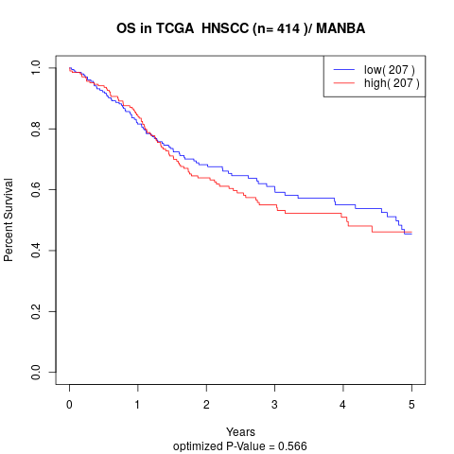

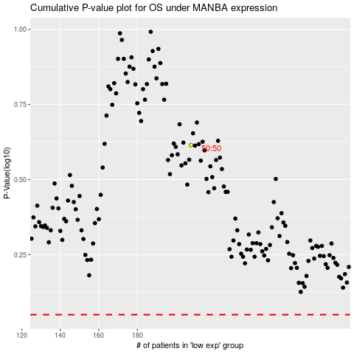

 |  |  |  |  |  | cases_OS | p_OS | rank | exp
 |  |  |  |  |  |  | cases_RFS | p_RFS | rank | exp

