MANEA _multivariate
Reported by Tex Li-Hsing Chi. tex@gate.sinica.edu.tw 2019-08-18

Table 2. The clinicopathological features of HNSCC cohort and MANEA expression. (Chi square test)
Cutoff at -0.092 (49.8%)
 |  | MANEA expression |  | MANEA expression |  | (Optimised)
 | Features | Low | (%) | High | (%) | Case no | P-value | Remark | Matthews
Gender | Female | 152 | 36.6 | 154 | 37.1 | 415 | 0.9766 | 0 | 0
2 | Male | 55 | 13.3 | 54 | 13
Age at diagnosis | <=65y | 140 | 33.7 | 134 | 32.3 | 415 | 0.5574 | 0 | 0
4 | >65y | 67 | 16.1 | 74 | 17.8
Clinical T Status | T1+T2 | 69 | 16.6 | 80 | 19.3 | 415 | 0.3239 | 0 | 0
6 | T3+T4 | 138 | 33.3 | 128 | 30.8
Clinical N Status | N0 | 104 | 25.1 | 112 | 27 | 415 | 0.5243 | 0 | 0
8 | N1-3 | 103 | 24.8 | 96 | 23.1
Clinical M Status | M0 | 204 | 49.2 | 208 | 50.1 | 415 | 0.1232 | 0 | 0
10 | M1 | 3 | 0.7 | 0 | 0
Clinical Stage | Stage I+II | 42 | 10.1 | 60 | 14.5 | 415 | 0.0561 | 0 | 0
12 | Stage III+IV | 165 | 39.8 | 148 | 35.7
Surgical Margin status | Negative | 160 | 38.6 | 158 | 38.1 | 415 | 0.8167 | 0 | 0
14 | Positive | 47 | 11.3 | 50 | 12
Tobacco Exposure | Low | 82 | 19.8 | 79 | 19 | 415 | 0.763 | 0 | 0
16 | High | 125 | 30.1 | 129 | 31.1

Table 3. Univariate/Multivariate Cox's proportional hazards regression analyses on OS time of MANEA gene expression in HNSCC

 |  | Univariate |  |  |  | Multivariate
 | Features | HR | CI95%(L) | CI95%(H) | P-value | HR | CI95%(L) | CI95%(H) | P-value
1 | Female | 1 |  |  |  | 1
Gender | Male | 1.157 | 0.843 | 1.587 | 0.367 | 1.201 | 0.86 | 1.678 | 0.282
11 | <=65y | 1 |  |  |  | 1
Age at diagnosis | >65y | 1.329 | 0.99 | 1.784 | 0.058 | 1.39 | 1.022 | 1.89 | 0.036
12 | T1+T2 | 1 |  |  |  | 1
Clinical T Status | T3+T4 | 1.409 | 1.028 | 1.931 | 0.033 | 2.199 | 1.163 | 4.159 | 0.015
13 | N0 | 1 |  |  |  | 1
Clinical N Status | N1-3 | 1.185 | 0.89 | 1.577 | 0.246 | 1.239 | 0.869 | 1.769 | 0.237
14 | M0 | 1 |  |  |  | 1
Clinical M Status | M1 | 4.097 | 1.009 | 16.644 | 0.049 | 9.614 | 2.084 | 44.353 | 0.004
15 | Stage I+II | 1 |  |  |  | 1
Clinical Stage | Stage III+IV | 1.245 | 0.882 | 1.759 | 0.213 | 0.507 | 0.236 | 1.088 | 0.081
16 | Negative | 1 |  |  |  | 1
Surgical Margin status | Positive | 1.591 | 1.155 | 2.191 | 0.004 | 1.672 | 1.21 | 2.31 | 0.002
17 | Low | 1 |  |  |  | 1
Tobacco Exposure | High | 1.364 | 1.008 | 1.844 | 0.044 | 1.449 | 1.051 | 1.997 | 0.024
18 | Low | 1 |  |  |  | 1
RNAseq(z-score) | High | 1.033 | 0.775 | 1.376 | 0.825 | 1.047 | 0.783 | 1.4 | 0.756

Table 4. Univariate/Multivariate Cox's proportional hazards regression analyses on RFS time of MANEA gene expression in HNSCC

 |  | Univariate |  |  |  | Multivariate
 | Features | HR | CI95%(L) | CI95%(H) | P-value | HR | CI95%(L) | CI95%(H) | P-value
1 | Female | 1 |  |  |  | 1
Gender | Male | 1.157 | 0.843 | 1.587 | 0.367 | 1.201 | 0.86 | 1.678 | 0.282
11 | <=65y | 1 |  |  |  | 1
Age at diagnosis | >65y | 1.329 | 0.99 | 1.784 | 0.058 | 1.39 | 1.022 | 1.89 | 0.036
12 | T1+T2 | 1 |  |  |  | 1
Clinical T Status | T3+T4 | 1.409 | 1.028 | 1.931 | 0.033 | 2.199 | 1.163 | 4.159 | 0.015
13 | N0 | 1 |  |  |  | 1
Clinical N Status | N1-3 | 1.185 | 0.89 | 1.577 | 0.246 | 1.239 | 0.869 | 1.769 | 0.237
14 | M0 | 1 |  |  |  | 1
Clinical M Status | M1 | 4.097 | 1.009 | 16.644 | 0.049 | 9.614 | 2.084 | 44.353 | 0.004
15 | Stage I+II | 1 |  |  |  | 1
Clinical Stage | Stage III+IV | 1.245 | 0.882 | 1.759 | 0.213 | 0.507 | 0.236 | 1.088 | 0.081
16 | Negative | 1 |  |  |  | 1
Surgical Margin status | Positive | 1.591 | 1.155 | 2.191 | 0.004 | 1.672 | 1.21 | 2.31 | 0.002
17 | Low | 1 |  |  |  | 1
Tobacco Exposure | High | 1.364 | 1.008 | 1.844 | 0.044 | 1.449 | 1.051 | 1.997 | 0.024
18 | Low | 1 |  |  |  | 1
RNAseq(z-score) | High | 1.033 | 0.775 | 1.376 | 0.825 | 1.047 | 0.783 | 1.4 | 0.756

Kaplan-Meier survival estimate: Cutoff at -0.092 (49.8%)



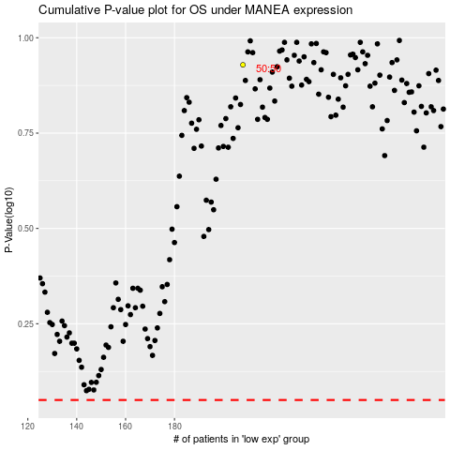

 |  |  |  |  |  | cases_OS | p_OS | rank | exp
 |  |  |  |  |  |  | cases_RFS | p_RFS | rank | exp

