MANSC1 _multivariate
Reported by Tex Li-Hsing Chi. tex@gate.sinica.edu.tw 2019-08-18

Table 2. The clinicopathological features of HNSCC cohort and MANSC1 expression. (Chi square test)
Cutoff at -0.404 (49.8%)
 |  | MANSC1 expression |  | MANSC1 expression |  | (Optimised)
 | Features | Low | (%) | High | (%) | Case no | P-value | Remark | Matthews
Gender | Female | 145 | 34.9 | 161 | 38.8 | 415 | 0.1116 | 0 | 0
2 | Male | 62 | 14.9 | 47 | 11.3
Age at diagnosis | <=65y | 127 | 30.6 | 147 | 35.4 | 415 | 0.0573 | 0 | 0
4 | >65y | 80 | 19.3 | 61 | 14.7
Clinical T Status | T1+T2 | 74 | 17.8 | 75 | 18.1 | 415 | 1 | 0 | 0
6 | T3+T4 | 133 | 32 | 133 | 32
Clinical N Status | N0 | 114 | 27.5 | 102 | 24.6 | 415 | 0.2576 | 1 | 0
8 | N1-3 | 93 | 22.4 | 106 | 25.5
Clinical M Status | M0 | 204 | 49.2 | 208 | 50.1 | 415 | 0.1232 | 0 | 0
10 | M1 | 3 | 0.7 | 0 | 0
Clinical Stage | Stage I+II | 58 | 14 | 44 | 10.6 | 415 | 0.131 | 0 | 0
12 | Stage III+IV | 149 | 35.9 | 164 | 39.5
Surgical Margin status | Negative | 153 | 36.9 | 165 | 39.8 | 415 | 0.2036 | 0 | 0
14 | Positive | 54 | 13 | 43 | 10.4
Tobacco Exposure | Low | 87 | 21 | 74 | 17.8 | 415 | 0.1911 | 0 | 0
16 | High | 120 | 28.9 | 134 | 32.3

Table 3. Univariate/Multivariate Cox's proportional hazards regression analyses on OS time of MANSC1 gene expression in HNSCC

 |  | Univariate |  |  |  | Multivariate
 | Features | HR | CI95%(L) | CI95%(H) | P-value | HR | CI95%(L) | CI95%(H) | P-value
1 | Female | 1 |  |  |  | 1
Gender | Male | 1.157 | 0.843 | 1.587 | 0.367 | 1.2 | 0.859 | 1.677 | 0.286
11 | <=65y | 1 |  |  |  | 1
Age at diagnosis | >65y | 1.329 | 0.99 | 1.784 | 0.058 | 1.385 | 1.017 | 1.884 | 0.038
12 | T1+T2 | 1 |  |  |  | 1
Clinical T Status | T3+T4 | 1.409 | 1.028 | 1.931 | 0.033 | 2.162 | 1.137 | 4.11 | 0.019
13 | N0 | 1 |  |  |  | 1
Clinical N Status | N1-3 | 1.185 | 0.89 | 1.577 | 0.246 | 1.239 | 0.869 | 1.768 | 0.237
14 | M0 | 1 |  |  |  | 1
Clinical M Status | M1 | 4.097 | 1.009 | 16.644 | 0.049 | 8.929 | 1.912 | 41.687 | 0.005
15 | Stage I+II | 1 |  |  |  | 1
Clinical Stage | Stage III+IV | 1.245 | 0.882 | 1.759 | 0.213 | 0.519 | 0.239 | 1.127 | 0.097
16 | Negative | 1 |  |  |  | 1
Surgical Margin status | Positive | 1.591 | 1.155 | 2.191 | 0.004 | 1.654 | 1.192 | 2.293 | 0.003
17 | Low | 1 |  |  |  | 1
Tobacco Exposure | High | 1.364 | 1.008 | 1.844 | 0.044 | 1.464 | 1.06 | 2.022 | 0.021
18 | Low | 1 |  |  |  | 1
RNAseq(z-score) | High | 0.855 | 0.64 | 1.141 | 0.287 | 0.936 | 0.691 | 1.268 | 0.671

Table 4. Univariate/Multivariate Cox's proportional hazards regression analyses on RFS time of MANSC1 gene expression in HNSCC

 |  | Univariate |  |  |  | Multivariate
 | Features | HR | CI95%(L) | CI95%(H) | P-value | HR | CI95%(L) | CI95%(H) | P-value
1 | Female | 1 |  |  |  | 1
Gender | Male | 1.157 | 0.843 | 1.587 | 0.367 | 1.2 | 0.859 | 1.677 | 0.286
11 | <=65y | 1 |  |  |  | 1
Age at diagnosis | >65y | 1.329 | 0.99 | 1.784 | 0.058 | 1.385 | 1.017 | 1.884 | 0.038
12 | T1+T2 | 1 |  |  |  | 1
Clinical T Status | T3+T4 | 1.409 | 1.028 | 1.931 | 0.033 | 2.162 | 1.137 | 4.11 | 0.019
13 | N0 | 1 |  |  |  | 1
Clinical N Status | N1-3 | 1.185 | 0.89 | 1.577 | 0.246 | 1.239 | 0.869 | 1.768 | 0.237
14 | M0 | 1 |  |  |  | 1
Clinical M Status | M1 | 4.097 | 1.009 | 16.644 | 0.049 | 8.929 | 1.912 | 41.687 | 0.005
15 | Stage I+II | 1 |  |  |  | 1
Clinical Stage | Stage III+IV | 1.245 | 0.882 | 1.759 | 0.213 | 0.519 | 0.239 | 1.127 | 0.097
16 | Negative | 1 |  |  |  | 1
Surgical Margin status | Positive | 1.591 | 1.155 | 2.191 | 0.004 | 1.654 | 1.192 | 2.293 | 0.003
17 | Low | 1 |  |  |  | 1
Tobacco Exposure | High | 1.364 | 1.008 | 1.844 | 0.044 | 1.464 | 1.06 | 2.022 | 0.021
18 | Low | 1 |  |  |  | 1
RNAseq(z-score) | High | 0.855 | 0.64 | 1.141 | 0.287 | 0.936 | 0.691 | 1.268 | 0.671

Kaplan-Meier survival estimate: Cutoff at -0.404 (49.8%)



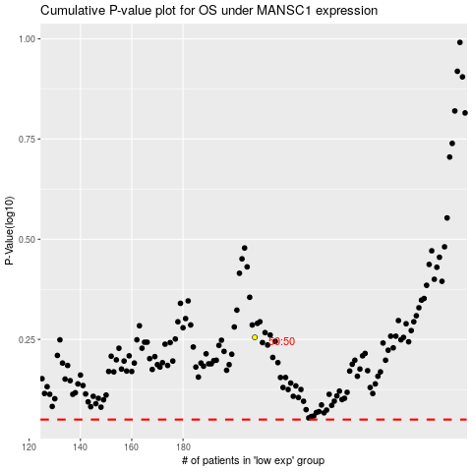

 |  |  |  |  |  | cases_OS | p_OS | rank | exp
 |  |  |  |  |  |  | cases_RFS | p_RFS | rank | exp

