MAOB _multivariate
Reported by Tex Li-Hsing Chi. tex@gate.sinica.edu.tw 2019-08-18

Table 2. The clinicopathological features of HNSCC cohort and MAOB expression. (Chi square test)
Cutoff at -0.377 (45.7%)
 |  | MAOB expression |  | MAOB expression |  | (Optimised)
 | Features | Low | (%) | High | (%) | Case no | P-value | Remark | Matthews
Gender | Female | 148 | 35.7 | 158 | 38.1 | 415 | 0.0974 | 0 | 0
2 | Male | 42 | 10.1 | 67 | 16.1
Age at diagnosis | <=65y | 122 | 29.4 | 152 | 36.6 | 415 | 0.54 | 0 | 0
4 | >65y | 68 | 16.4 | 73 | 17.6
Clinical T Status | T1+T2 | 57 | 13.7 | 92 | 22.2 | 415 | 0.0277 | 1 | 0
6 | T3+T4 | 133 | 32 | 133 | 32
Clinical N Status | N0 | 101 | 24.3 | 115 | 27.7 | 415 | 0.7511 | 0 | 0
8 | N1-3 | 89 | 21.4 | 110 | 26.5
Clinical M Status | M0 | 189 | 45.5 | 223 | 53.7 | 415 | 1 | 0 | 0
10 | M1 | 1 | 0.2 | 2 | 0.5
Clinical Stage | Stage I+II | 45 | 10.8 | 57 | 13.7 | 415 | 0.7838 | 0 | 0
12 | Stage III+IV | 145 | 34.9 | 168 | 40.5
Surgical Margin status | Negative | 141 | 34 | 177 | 42.7 | 415 | 0.2968 | 0 | 0
14 | Positive | 49 | 11.8 | 48 | 11.6
Tobacco Exposure | Low | 77 | 18.6 | 84 | 20.2 | 415 | 0.5445 | 0 | 0
16 | High | 113 | 27.2 | 141 | 34

Table 3. Univariate/Multivariate Cox's proportional hazards regression analyses on OS time of MAOB gene expression in HNSCC

 |  | Univariate |  |  |  | Multivariate
 | Features | HR | CI95%(L) | CI95%(H) | P-value | HR | CI95%(L) | CI95%(H) | P-value
1 | Female | 1 |  |  |  | 1
Gender | Male | 1.157 | 0.843 | 1.587 | 0.367 | 1.246 | 0.888 | 1.748 | 0.203
11 | <=65y | 1 |  |  |  | 1
Age at diagnosis | >65y | 1.329 | 0.99 | 1.784 | 0.058 | 1.378 | 1.014 | 1.873 | 0.041
12 | T1+T2 | 1 |  |  |  | 1
Clinical T Status | T3+T4 | 1.409 | 1.028 | 1.931 | 0.033 | 2.024 | 1.064 | 3.848 | 0.032
13 | N0 | 1 |  |  |  | 1
Clinical N Status | N1-3 | 1.185 | 0.89 | 1.577 | 0.246 | 1.253 | 0.879 | 1.787 | 0.213
14 | M0 | 1 |  |  |  | 1
Clinical M Status | M1 | 4.097 | 1.009 | 16.644 | 0.049 | 9.64 | 2.102 | 44.214 | 0.004
15 | Stage I+II | 1 |  |  |  | 1
Clinical Stage | Stage III+IV | 1.245 | 0.882 | 1.759 | 0.213 | 0.537 | 0.25 | 1.154 | 0.111
16 | Negative | 1 |  |  |  | 1
Surgical Margin status | Positive | 1.591 | 1.155 | 2.191 | 0.004 | 1.652 | 1.195 | 2.285 | 0.002
17 | Low | 1 |  |  |  | 1
Tobacco Exposure | High | 1.364 | 1.008 | 1.844 | 0.044 | 1.515 | 1.094 | 2.097 | 0.012
18 | Low | 1 |  |  |  | 1
RNAseq(z-score) | High | 0.723 | 0.543 | 0.963 | 0.027 | 0.72 | 0.537 | 0.965 | 0.028

Table 4. Univariate/Multivariate Cox's proportional hazards regression analyses on RFS time of MAOB gene expression in HNSCC

 |  | Univariate |  |  |  | Multivariate
 | Features | HR | CI95%(L) | CI95%(H) | P-value | HR | CI95%(L) | CI95%(H) | P-value
1 | Female | 1 |  |  |  | 1
Gender | Male | 1.157 | 0.843 | 1.587 | 0.367 | 1.246 | 0.888 | 1.748 | 0.203
11 | <=65y | 1 |  |  |  | 1
Age at diagnosis | >65y | 1.329 | 0.99 | 1.784 | 0.058 | 1.378 | 1.014 | 1.873 | 0.041
12 | T1+T2 | 1 |  |  |  | 1
Clinical T Status | T3+T4 | 1.409 | 1.028 | 1.931 | 0.033 | 2.024 | 1.064 | 3.848 | 0.032
13 | N0 | 1 |  |  |  | 1
Clinical N Status | N1-3 | 1.185 | 0.89 | 1.577 | 0.246 | 1.253 | 0.879 | 1.787 | 0.213
14 | M0 | 1 |  |  |  | 1
Clinical M Status | M1 | 4.097 | 1.009 | 16.644 | 0.049 | 9.64 | 2.102 | 44.214 | 0.004
15 | Stage I+II | 1 |  |  |  | 1
Clinical Stage | Stage III+IV | 1.245 | 0.882 | 1.759 | 0.213 | 0.537 | 0.25 | 1.154 | 0.111
16 | Negative | 1 |  |  |  | 1
Surgical Margin status | Positive | 1.591 | 1.155 | 2.191 | 0.004 | 1.652 | 1.195 | 2.285 | 0.002
17 | Low | 1 |  |  |  | 1
Tobacco Exposure | High | 1.364 | 1.008 | 1.844 | 0.044 | 1.515 | 1.094 | 2.097 | 0.012
18 | Low | 1 |  |  |  | 1
RNAseq(z-score) | High | 0.723 | 0.543 | 0.963 | 0.027 | 0.72 | 0.537 | 0.965 | 0.028

Kaplan-Meier survival estimate: Cutoff at -0.377 (45.7%)

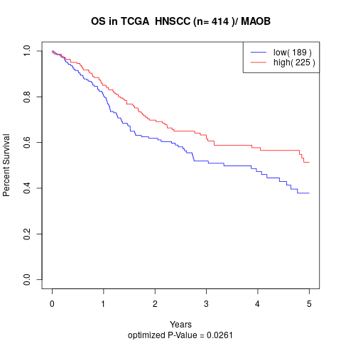

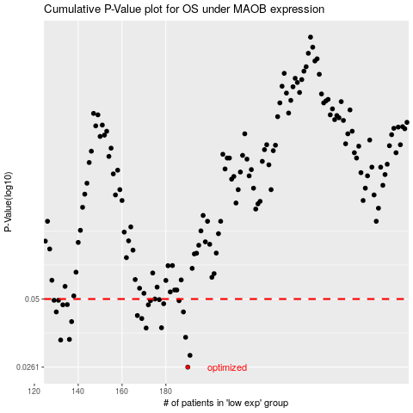

 |  |  |  |  |  | cases_OS | p_OS | rank | exp
 |  |  |  |  |  | 190 | 0.0261 | 307 | -0.37679564083
 |  |  |  |  |  | 191 | 0.0292 | 245 | -0.37666267445
 |  |  |  |  |  | 132 | 0.0338 | 111 | -0.41164633945
 |  |  |  |  |  | 136 | 0.034 | 102 | -0.41070811744
 |  |  |  |  |  | 189 | 0.0347 | 58 | -0.37753420222
 |  |  |  |  |  | 171 | 0.0379 | 169 | -0.38882705778
 |  |  |  |  |  | 178 | 0.038 | 165 | -0.38601196961
 |  |  |  |  |  | 137 | 0.0403 | 60 | -0.41067927288
 |  |  |  |  |  | 169 | 0.0415 | 40 | -0.38912971458
 |  |  |  |  |  | 167 | 0.0427 | 50 | -0.39025240106
 |  |  |  |  |  | 188 | 0.0442 | 92 | -0.37787991481
 |  |  |  |  |  | 130 | 0.0442 | 359 | -0.41445650294
 |  |  |  |  |  | 133 | 0.0473 | 178 | -0.41156374552
 |  |  |  |  |  | 172 | 0.0473 | 356 | -0.38845826955
 |  |  |  |  |  | 135 | 0.0474 | 214 | -0.41108309669
 |  |  |  |  |  | 179 | 0.0478 | 75 | -0.38581484168
 |  |  |  |  |  | 173 | 0.0492 | 51 | -0.38824299065
 |  |  |  |  |  | 186 | 0.0492 | 328 | -0.37883783555
 |  |  |  |  |  | 131 | 0.0494 | 274 | -0.41286048429
 |  |  |  |  |  | 129 | 0.0494 | 278 | -0.41514891304
 |  |  |  |  |  | 177 | 0.0497 | 186 | -0.38665119316
 |  |  |  |  |  | 175 | 0.05 | 386 | -0.38752286164
 |  |  |  |  |  |  | cases_RFS | p_RFS | rank | exp
 |  |  |  |  |  |  | 189 | 0.0261 | 58 | -0.37753420222
 |  |  |  |  |  |  | 190 | 0.0292 | 307 | -0.37679564083
 |  |  |  |  |  |  | 131 | 0.0338 | 274 | -0.41286048429
 |  |  |  |  |  |  | 135 | 0.034 | 214 | -0.41108309669
 |  |  |  |  |  |  | 188 | 0.0347 | 92 | -0.37787991481
 |  |  |  |  |  |  | 170 | 0.0379 | 224 | -0.38905134181
 |  |  |  |  |  |  | 177 | 0.038 | 186 | -0.38665119316
 |  |  |  |  |  |  | 136 | 0.0403 | 102 | -0.41070811744
 |  |  |  |  |  |  | 168 | 0.0415 | 308 | -0.38930292263
 |  |  |  |  |  |  | 166 | 0.0427 | 225 | -0.39229318873
 |  |  |  |  |  |  | 187 | 0.0442 | 222 | -0.37800739368
 |  |  |  |  |  |  | 129 | 0.0442 | 278 | -0.41514891304
 |  |  |  |  |  |  | 132 | 0.0473 | 111 | -0.41164633945
 |  |  |  |  |  |  | 171 | 0.0473 | 169 | -0.38882705778
 |  |  |  |  |  |  | 134 | 0.0474 | 323 | -0.41146736249
 |  |  |  |  |  |  | 178 | 0.0478 | 165 | -0.38601196961
 |  |  |  |  |  |  | 185 | 0.0492 | 226 | -0.37904607918
 |  |  |  |  |  |  | 172 | 0.0492 | 356 | -0.38845826955
 |  |  |  |  |  |  | 128 | 0.0494 | 338 | -0.4172279725
 |  |  |  |  |  |  | 130 | 0.0494 | 359 | -0.41445650294
 |  |  |  |  |  |  | 176 | 0.0497 | 366 | -0.38702603171
 |  |  |  |  |  |  | 174 | 0.05 | 253 | -0.38789179057

