MAP1B _multivariate
Reported by Tex Li-Hsing Chi. tex@gate.sinica.edu.tw 2019-08-18

Table 2. The clinicopathological features of HNSCC cohort and MAP1B expression. (Chi square test)
Cutoff at -0.334 (49.8%)
 |  | MAP1B expression |  | MAP1B expression |  | (Optimised)
 | Features | Low | (%) | High | (%) | Case no | P-value | Remark | Matthews
Gender | Female | 158 | 38.1 | 148 | 35.7 | 415 | 0.2774 | 0 | 0
2 | Male | 49 | 11.8 | 60 | 14.5
Age at diagnosis | <=65y | 139 | 33.5 | 135 | 32.5 | 415 | 0.7044 | 0 | 0
4 | >65y | 68 | 16.4 | 73 | 17.6
Clinical T Status | T1+T2 | 69 | 16.6 | 80 | 19.3 | 415 | 0.3239 | 0 | 0
6 | T3+T4 | 138 | 33.3 | 128 | 30.8
Clinical N Status | N0 | 101 | 24.3 | 115 | 27.7 | 415 | 0.2201 | 0 | 0
8 | N1-3 | 106 | 25.5 | 93 | 22.4
Clinical M Status | M0 | 204 | 49.2 | 208 | 50.1 | 415 | 0.1232 | 0 | 0
10 | M1 | 3 | 0.7 | 0 | 0
Clinical Stage | Stage I+II | 41 | 9.9 | 61 | 14.7 | 415 | 0.0325 | 1 | 0
12 | Stage III+IV | 166 | 40 | 147 | 35.4
Surgical Margin status | Negative | 158 | 38.1 | 160 | 38.6 | 415 | 0.9081 | 0 | 0
14 | Positive | 49 | 11.8 | 48 | 11.6
Tobacco Exposure | Low | 88 | 21.2 | 73 | 17.6 | 415 | 0.1314 | 0 | 0
16 | High | 119 | 28.7 | 135 | 32.5

Table 3. Univariate/Multivariate Cox's proportional hazards regression analyses on OS time of MAP1B gene expression in HNSCC

 |  | Univariate |  |  |  | Multivariate
 | Features | HR | CI95%(L) | CI95%(H) | P-value | HR | CI95%(L) | CI95%(H) | P-value
1 | Female | 1 |  |  |  | 1
Gender | Male | 1.157 | 0.843 | 1.587 | 0.367 | 1.201 | 0.859 | 1.677 | 0.284
11 | <=65y | 1 |  |  |  | 1
Age at diagnosis | >65y | 1.329 | 0.99 | 1.784 | 0.058 | 1.394 | 1.025 | 1.896 | 0.034
12 | T1+T2 | 1 |  |  |  | 1
Clinical T Status | T3+T4 | 1.409 | 1.028 | 1.931 | 0.033 | 2.213 | 1.169 | 4.186 | 0.015
13 | N0 | 1 |  |  |  | 1
Clinical N Status | N1-3 | 1.185 | 0.89 | 1.577 | 0.246 | 1.243 | 0.871 | 1.773 | 0.231
14 | M0 | 1 |  |  |  | 1
Clinical M Status | M1 | 4.097 | 1.009 | 16.644 | 0.049 | 9.227 | 2.004 | 42.483 | 0.004
15 | Stage I+II | 1 |  |  |  | 1
Clinical Stage | Stage III+IV | 1.245 | 0.882 | 1.759 | 0.213 | 0.499 | 0.232 | 1.074 | 0.076
16 | Negative | 1 |  |  |  | 1
Surgical Margin status | Positive | 1.591 | 1.155 | 2.191 | 0.004 | 1.668 | 1.207 | 2.306 | 0.002
17 | Low | 1 |  |  |  | 1
Tobacco Exposure | High | 1.364 | 1.008 | 1.844 | 0.044 | 1.463 | 1.059 | 2.02 | 0.021
18 | Low | 1 |  |  |  | 1
RNAseq(z-score) | High | 0.96 | 0.721 | 1.279 | 0.781 | 0.953 | 0.711 | 1.278 | 0.748

Table 4. Univariate/Multivariate Cox's proportional hazards regression analyses on RFS time of MAP1B gene expression in HNSCC

 |  | Univariate |  |  |  | Multivariate
 | Features | HR | CI95%(L) | CI95%(H) | P-value | HR | CI95%(L) | CI95%(H) | P-value
1 | Female | 1 |  |  |  | 1
Gender | Male | 1.157 | 0.843 | 1.587 | 0.367 | 1.201 | 0.859 | 1.677 | 0.284
11 | <=65y | 1 |  |  |  | 1
Age at diagnosis | >65y | 1.329 | 0.99 | 1.784 | 0.058 | 1.394 | 1.025 | 1.896 | 0.034
12 | T1+T2 | 1 |  |  |  | 1
Clinical T Status | T3+T4 | 1.409 | 1.028 | 1.931 | 0.033 | 2.213 | 1.169 | 4.186 | 0.015
13 | N0 | 1 |  |  |  | 1
Clinical N Status | N1-3 | 1.185 | 0.89 | 1.577 | 0.246 | 1.243 | 0.871 | 1.773 | 0.231
14 | M0 | 1 |  |  |  | 1
Clinical M Status | M1 | 4.097 | 1.009 | 16.644 | 0.049 | 9.227 | 2.004 | 42.483 | 0.004
15 | Stage I+II | 1 |  |  |  | 1
Clinical Stage | Stage III+IV | 1.245 | 0.882 | 1.759 | 0.213 | 0.499 | 0.232 | 1.074 | 0.076
16 | Negative | 1 |  |  |  | 1
Surgical Margin status | Positive | 1.591 | 1.155 | 2.191 | 0.004 | 1.668 | 1.207 | 2.306 | 0.002
17 | Low | 1 |  |  |  | 1
Tobacco Exposure | High | 1.364 | 1.008 | 1.844 | 0.044 | 1.463 | 1.059 | 2.02 | 0.021
18 | Low | 1 |  |  |  | 1
RNAseq(z-score) | High | 0.96 | 0.721 | 1.279 | 0.781 | 0.953 | 0.711 | 1.278 | 0.748

Kaplan-Meier survival estimate: Cutoff at -0.334 (49.8%)



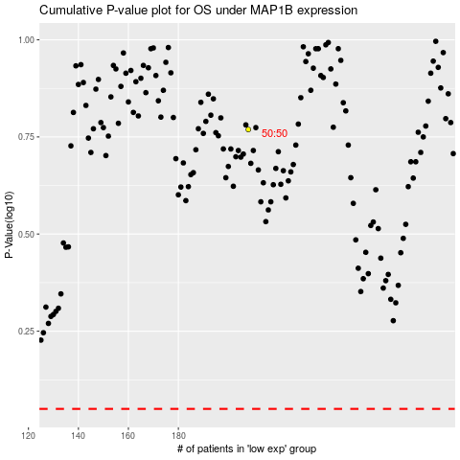

 |  |  |  |  |  | cases_OS | p_OS | rank | exp
 |  |  |  |  |  |  | cases_RFS | p_RFS | rank | exp

