MAP1LC3B2 _multivariate
Reported by Tex Li-Hsing Chi. tex@gate.sinica.edu.tw 2019-08-18

Table 2. The clinicopathological features of HNSCC cohort and MAP1LC3B2 expression. (Chi square test)
Cutoff at -0.154 (50.0%)
 |  | MAP1LC3B2 expression |  | MAP1LC3B2 expression |  | (Optimised)
 | Features | Low | (%) | High | (%) | Case no | P-value | Remark | Matthews
Gender | Female | 158 | 38.1 | 148 | 35.7 | 415 | 0.2774 | 0 | 0
2 | Male | 49 | 11.8 | 60 | 14.5
Age at diagnosis | <=65y | 132 | 31.8 | 142 | 34.2 | 415 | 0.3874 | 0 | 0
4 | >65y | 75 | 18.1 | 66 | 15.9
Clinical T Status | T1+T2 | 84 | 20.2 | 65 | 15.7 | 415 | 0.0603 | 0 | 0
6 | T3+T4 | 123 | 29.6 | 143 | 34.5
Clinical N Status | N0 | 114 | 27.5 | 102 | 24.6 | 415 | 0.2576 | 1 | 0
8 | N1-3 | 93 | 22.4 | 106 | 25.5
Clinical M Status | M0 | 206 | 49.6 | 206 | 49.6 | 415 | 1 | 0 | 0
10 | M1 | 1 | 0.2 | 2 | 0.5
Clinical Stage | Stage I+II | 56 | 13.5 | 46 | 11.1 | 415 | 0.2918 | 0 | 0
12 | Stage III+IV | 151 | 36.4 | 162 | 39
Surgical Margin status | Negative | 157 | 37.8 | 161 | 38.8 | 415 | 0.729 | 0 | 0
14 | Positive | 50 | 12 | 47 | 11.3
Tobacco Exposure | Low | 80 | 19.3 | 81 | 19.5 | 415 | 1 | 0 | 0
16 | High | 127 | 30.6 | 127 | 30.6

Table 3. Univariate/Multivariate Cox's proportional hazards regression analyses on OS time of MAP1LC3B2 gene expression in HNSCC

 |  | Univariate |  |  |  | Multivariate
 | Features | HR | CI95%(L) | CI95%(H) | P-value | HR | CI95%(L) | CI95%(H) | P-value
1 | Female | 1 |  |  |  | 1
Gender | Male | 1.157 | 0.843 | 1.587 | 0.367 | 1.191 | 0.852 | 1.665 | 0.307
11 | <=65y | 1 |  |  |  | 1
Age at diagnosis | >65y | 1.329 | 0.99 | 1.784 | 0.058 | 1.406 | 1.032 | 1.915 | 0.031
12 | T1+T2 | 1 |  |  |  | 1
Clinical T Status | T3+T4 | 1.409 | 1.028 | 1.931 | 0.033 | 2.161 | 1.139 | 4.099 | 0.018
13 | N0 | 1 |  |  |  | 1
Clinical N Status | N1-3 | 1.185 | 0.89 | 1.577 | 0.246 | 1.237 | 0.867 | 1.765 | 0.241
14 | M0 | 1 |  |  |  | 1
Clinical M Status | M1 | 4.097 | 1.009 | 16.644 | 0.049 | 9.039 | 1.961 | 41.671 | 0.005
15 | Stage I+II | 1 |  |  |  | 1
Clinical Stage | Stage III+IV | 1.245 | 0.882 | 1.759 | 0.213 | 0.511 | 0.238 | 1.099 | 0.086
16 | Negative | 1 |  |  |  | 1
Surgical Margin status | Positive | 1.591 | 1.155 | 2.191 | 0.004 | 1.676 | 1.212 | 2.316 | 0.002
17 | Low | 1 |  |  |  | 1
Tobacco Exposure | High | 1.364 | 1.008 | 1.844 | 0.044 | 1.459 | 1.058 | 2.011 | 0.021
18 | Low | 1 |  |  |  | 1
RNAseq(z-score) | High | 1.104 | 0.829 | 1.471 | 0.497 | 1.092 | 0.815 | 1.462 | 0.557

Table 4. Univariate/Multivariate Cox's proportional hazards regression analyses on RFS time of MAP1LC3B2 gene expression in HNSCC

 |  | Univariate |  |  |  | Multivariate
 | Features | HR | CI95%(L) | CI95%(H) | P-value | HR | CI95%(L) | CI95%(H) | P-value
1 | Female | 1 |  |  |  | 1
Gender | Male | 1.157 | 0.843 | 1.587 | 0.367 | 1.191 | 0.852 | 1.665 | 0.307
11 | <=65y | 1 |  |  |  | 1
Age at diagnosis | >65y | 1.329 | 0.99 | 1.784 | 0.058 | 1.406 | 1.032 | 1.915 | 0.031
12 | T1+T2 | 1 |  |  |  | 1
Clinical T Status | T3+T4 | 1.409 | 1.028 | 1.931 | 0.033 | 2.161 | 1.139 | 4.099 | 0.018
13 | N0 | 1 |  |  |  | 1
Clinical N Status | N1-3 | 1.185 | 0.89 | 1.577 | 0.246 | 1.237 | 0.867 | 1.765 | 0.241
14 | M0 | 1 |  |  |  | 1
Clinical M Status | M1 | 4.097 | 1.009 | 16.644 | 0.049 | 9.039 | 1.961 | 41.671 | 0.005
15 | Stage I+II | 1 |  |  |  | 1
Clinical Stage | Stage III+IV | 1.245 | 0.882 | 1.759 | 0.213 | 0.511 | 0.238 | 1.099 | 0.086
16 | Negative | 1 |  |  |  | 1
Surgical Margin status | Positive | 1.591 | 1.155 | 2.191 | 0.004 | 1.676 | 1.212 | 2.316 | 0.002
17 | Low | 1 |  |  |  | 1
Tobacco Exposure | High | 1.364 | 1.008 | 1.844 | 0.044 | 1.459 | 1.058 | 2.011 | 0.021
18 | Low | 1 |  |  |  | 1
RNAseq(z-score) | High | 1.104 | 0.829 | 1.471 | 0.497 | 1.092 | 0.815 | 1.462 | 0.557

Kaplan-Meier survival estimate: Cutoff at -0.154 (50.0%)



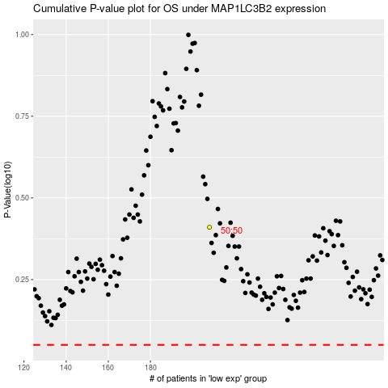

 |  |  |  |  |  | cases_OS | p_OS | rank | exp
 |  |  |  |  |  |  | cases_RFS | p_RFS | rank | exp

