MAP1LC3C _multivariate
Reported by Tex Li-Hsing Chi. tex@gate.sinica.edu.tw 2019-08-18

Table 2. The clinicopathological features of HNSCC cohort and MAP1LC3C expression. (Chi square test)
Cutoff at -0.222 (50.0%)
 |  | MAP1LC3C expression |  | MAP1LC3C expression |  | (Optimised)
 | Features | Low | (%) | High | (%) | Case no | P-value | Remark | Matthews
Gender | Female | 160 | 38.6 | 146 | 35.2 | 415 | 0.1254 | 0 | 0
2 | Male | 47 | 11.3 | 62 | 14.9
Age at diagnosis | <=65y | 137 | 33 | 137 | 33 | 415 | 1 | 0 | 0
4 | >65y | 70 | 16.9 | 71 | 17.1
Clinical T Status | T1+T2 | 65 | 15.7 | 84 | 20.2 | 415 | 0.0711 | 0 | 0
6 | T3+T4 | 142 | 34.2 | 124 | 29.9
Clinical N Status | N0 | 110 | 26.5 | 106 | 25.5 | 415 | 0.7294 | 0 | 0
8 | N1-3 | 97 | 23.4 | 102 | 24.6
Clinical M Status | M0 | 204 | 49.2 | 208 | 50.1 | 415 | 0.1232 | 0 | 0
10 | M1 | 3 | 0.7 | 0 | 0
Clinical Stage | Stage I+II | 48 | 11.6 | 54 | 13 | 415 | 0.5878 | 0 | 0
12 | Stage III+IV | 159 | 38.3 | 154 | 37.1
Surgical Margin status | Negative | 151 | 36.4 | 167 | 40.2 | 415 | 0.0828 | 0 | 0
14 | Positive | 56 | 13.5 | 41 | 9.9
Tobacco Exposure | Low | 82 | 19.8 | 79 | 19 | 415 | 0.763 | 0 | 0
16 | High | 125 | 30.1 | 129 | 31.1

Table 3. Univariate/Multivariate Cox's proportional hazards regression analyses on OS time of MAP1LC3C gene expression in HNSCC

 |  | Univariate |  |  |  | Multivariate
 | Features | HR | CI95%(L) | CI95%(H) | P-value | HR | CI95%(L) | CI95%(H) | P-value
1 | Female | 1 |  |  |  | 1
Gender | Male | 1.157 | 0.843 | 1.587 | 0.367 | 1.217 | 0.87 | 1.703 | 0.252
11 | <=65y | 1 |  |  |  | 1
Age at diagnosis | >65y | 1.329 | 0.99 | 1.784 | 0.058 | 1.388 | 1.021 | 1.887 | 0.037
12 | T1+T2 | 1 |  |  |  | 1
Clinical T Status | T3+T4 | 1.409 | 1.028 | 1.931 | 0.033 | 2.13 | 1.12 | 4.05 | 0.021
13 | N0 | 1 |  |  |  | 1
Clinical N Status | N1-3 | 1.185 | 0.89 | 1.577 | 0.246 | 1.238 | 0.867 | 1.766 | 0.24
14 | M0 | 1 |  |  |  | 1
Clinical M Status | M1 | 4.097 | 1.009 | 16.644 | 0.049 | 8.676 | 1.868 | 40.292 | 0.006
15 | Stage I+II | 1 |  |  |  | 1
Clinical Stage | Stage III+IV | 1.245 | 0.882 | 1.759 | 0.213 | 0.518 | 0.241 | 1.113 | 0.092
16 | Negative | 1 |  |  |  | 1
Surgical Margin status | Positive | 1.591 | 1.155 | 2.191 | 0.004 | 1.662 | 1.202 | 2.297 | 0.002
17 | Low | 1 |  |  |  | 1
Tobacco Exposure | High | 1.364 | 1.008 | 1.844 | 0.044 | 1.456 | 1.057 | 2.007 | 0.022
18 | Low | 1 |  |  |  | 1
RNAseq(z-score) | High | 0.829 | 0.622 | 1.106 | 0.203 | 0.89 | 0.663 | 1.194 | 0.435

Table 4. Univariate/Multivariate Cox's proportional hazards regression analyses on RFS time of MAP1LC3C gene expression in HNSCC

 |  | Univariate |  |  |  | Multivariate
 | Features | HR | CI95%(L) | CI95%(H) | P-value | HR | CI95%(L) | CI95%(H) | P-value
1 | Female | 1 |  |  |  | 1
Gender | Male | 1.157 | 0.843 | 1.587 | 0.367 | 1.217 | 0.87 | 1.703 | 0.252
11 | <=65y | 1 |  |  |  | 1
Age at diagnosis | >65y | 1.329 | 0.99 | 1.784 | 0.058 | 1.388 | 1.021 | 1.887 | 0.037
12 | T1+T2 | 1 |  |  |  | 1
Clinical T Status | T3+T4 | 1.409 | 1.028 | 1.931 | 0.033 | 2.13 | 1.12 | 4.05 | 0.021
13 | N0 | 1 |  |  |  | 1
Clinical N Status | N1-3 | 1.185 | 0.89 | 1.577 | 0.246 | 1.238 | 0.867 | 1.766 | 0.24
14 | M0 | 1 |  |  |  | 1
Clinical M Status | M1 | 4.097 | 1.009 | 16.644 | 0.049 | 8.676 | 1.868 | 40.292 | 0.006
15 | Stage I+II | 1 |  |  |  | 1
Clinical Stage | Stage III+IV | 1.245 | 0.882 | 1.759 | 0.213 | 0.518 | 0.241 | 1.113 | 0.092
16 | Negative | 1 |  |  |  | 1
Surgical Margin status | Positive | 1.591 | 1.155 | 2.191 | 0.004 | 1.662 | 1.202 | 2.297 | 0.002
17 | Low | 1 |  |  |  | 1
Tobacco Exposure | High | 1.364 | 1.008 | 1.844 | 0.044 | 1.456 | 1.057 | 2.007 | 0.022
18 | Low | 1 |  |  |  | 1
RNAseq(z-score) | High | 0.829 | 0.622 | 1.106 | 0.203 | 0.89 | 0.663 | 1.194 | 0.435

Kaplan-Meier survival estimate: Cutoff at -0.222 (50.0%)



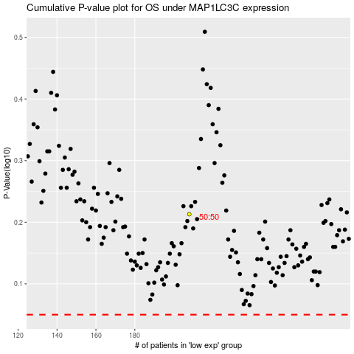

 |  |  |  |  |  | cases_OS | p_OS | rank | exp
 |  |  |  |  |  |  | cases_RFS | p_RFS | rank | exp

