MAP2K4 _multivariate
Reported by Tex Li-Hsing Chi. tex@gate.sinica.edu.tw 2019-08-18

Table 2. The clinicopathological features of HNSCC cohort and MAP2K4 expression. (Chi square test)
Cutoff at -0.086 (50.0%)
 |  | MAP2K4 expression |  | MAP2K4 expression |  | (Optimised)
 | Features | Low | (%) | High | (%) | Case no | P-value | Remark | Matthews
Gender | Female | 158 | 38.1 | 148 | 35.7 | 415 | 0.2774 | 0 | 0
2 | Male | 49 | 11.8 | 60 | 14.5
Age at diagnosis | <=65y | 140 | 33.7 | 134 | 32.3 | 415 | 0.5574 | 0 | 0
4 | >65y | 67 | 16.1 | 74 | 17.8
Clinical T Status | T1+T2 | 83 | 20 | 66 | 15.9 | 415 | 0.0941 | 0 | 0
6 | T3+T4 | 124 | 29.9 | 142 | 34.2
Clinical N Status | N0 | 107 | 25.8 | 109 | 26.3 | 415 | 0.9624 | 0 | 0
8 | N1-3 | 100 | 24.1 | 99 | 23.9
Clinical M Status | M0 | 205 | 49.4 | 207 | 49.9 | 415 | 0.6232 | 0 | 0
10 | M1 | 2 | 0.5 | 1 | 0.2
Clinical Stage | Stage I+II | 53 | 12.8 | 49 | 11.8 | 415 | 0.7113 | 0 | 0
12 | Stage III+IV | 154 | 37.1 | 159 | 38.3
Surgical Margin status | Negative | 149 | 35.9 | 169 | 40.7 | 415 | 0.0278 | 1 | 0
14 | Positive | 58 | 14 | 39 | 9.4
Tobacco Exposure | Low | 77 | 18.6 | 84 | 20.2 | 415 | 0.5459 | 0 | 0
16 | High | 130 | 31.3 | 124 | 29.9

Table 3. Univariate/Multivariate Cox's proportional hazards regression analyses on OS time of MAP2K4 gene expression in HNSCC

 |  | Univariate |  |  |  | Multivariate
 | Features | HR | CI95%(L) | CI95%(H) | P-value | HR | CI95%(L) | CI95%(H) | P-value
1 | Female | 1 |  |  |  | 1
Gender | Male | 1.157 | 0.843 | 1.587 | 0.367 | 1.198 | 0.857 | 1.674 | 0.29
11 | <=65y | 1 |  |  |  | 1
Age at diagnosis | >65y | 1.329 | 0.99 | 1.784 | 0.058 | 1.397 | 1.028 | 1.897 | 0.033
12 | T1+T2 | 1 |  |  |  | 1
Clinical T Status | T3+T4 | 1.409 | 1.028 | 1.931 | 0.033 | 2.175 | 1.15 | 4.116 | 0.017
13 | N0 | 1 |  |  |  | 1
Clinical N Status | N1-3 | 1.185 | 0.89 | 1.577 | 0.246 | 1.251 | 0.877 | 1.784 | 0.217
14 | M0 | 1 |  |  |  | 1
Clinical M Status | M1 | 4.097 | 1.009 | 16.644 | 0.049 | 9.429 | 2.057 | 43.221 | 0.004
15 | Stage I+II | 1 |  |  |  | 1
Clinical Stage | Stage III+IV | 1.245 | 0.882 | 1.759 | 0.213 | 0.513 | 0.239 | 1.103 | 0.088
16 | Negative | 1 |  |  |  | 1
Surgical Margin status | Positive | 1.591 | 1.155 | 2.191 | 0.004 | 1.715 | 1.235 | 2.38 | 0.001
17 | Low | 1 |  |  |  | 1
Tobacco Exposure | High | 1.364 | 1.008 | 1.844 | 0.044 | 1.451 | 1.054 | 1.998 | 0.023
18 | Low | 1 |  |  |  | 1
RNAseq(z-score) | High | 1.071 | 0.804 | 1.428 | 0.639 | 1.149 | 0.857 | 1.54 | 0.355

Table 4. Univariate/Multivariate Cox's proportional hazards regression analyses on RFS time of MAP2K4 gene expression in HNSCC

 |  | Univariate |  |  |  | Multivariate
 | Features | HR | CI95%(L) | CI95%(H) | P-value | HR | CI95%(L) | CI95%(H) | P-value
1 | Female | 1 |  |  |  | 1
Gender | Male | 1.157 | 0.843 | 1.587 | 0.367 | 1.198 | 0.857 | 1.674 | 0.29
11 | <=65y | 1 |  |  |  | 1
Age at diagnosis | >65y | 1.329 | 0.99 | 1.784 | 0.058 | 1.397 | 1.028 | 1.897 | 0.033
12 | T1+T2 | 1 |  |  |  | 1
Clinical T Status | T3+T4 | 1.409 | 1.028 | 1.931 | 0.033 | 2.175 | 1.15 | 4.116 | 0.017
13 | N0 | 1 |  |  |  | 1
Clinical N Status | N1-3 | 1.185 | 0.89 | 1.577 | 0.246 | 1.251 | 0.877 | 1.784 | 0.217
14 | M0 | 1 |  |  |  | 1
Clinical M Status | M1 | 4.097 | 1.009 | 16.644 | 0.049 | 9.429 | 2.057 | 43.221 | 0.004
15 | Stage I+II | 1 |  |  |  | 1
Clinical Stage | Stage III+IV | 1.245 | 0.882 | 1.759 | 0.213 | 0.513 | 0.239 | 1.103 | 0.088
16 | Negative | 1 |  |  |  | 1
Surgical Margin status | Positive | 1.591 | 1.155 | 2.191 | 0.004 | 1.715 | 1.235 | 2.38 | 0.001
17 | Low | 1 |  |  |  | 1
Tobacco Exposure | High | 1.364 | 1.008 | 1.844 | 0.044 | 1.451 | 1.054 | 1.998 | 0.023
18 | Low | 1 |  |  |  | 1
RNAseq(z-score) | High | 1.071 | 0.804 | 1.428 | 0.639 | 1.149 | 0.857 | 1.54 | 0.355

Kaplan-Meier survival estimate: Cutoff at -0.086 (50.0%)

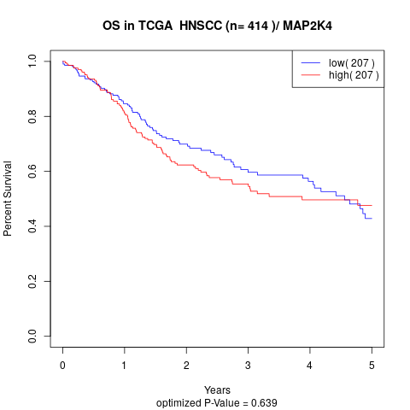

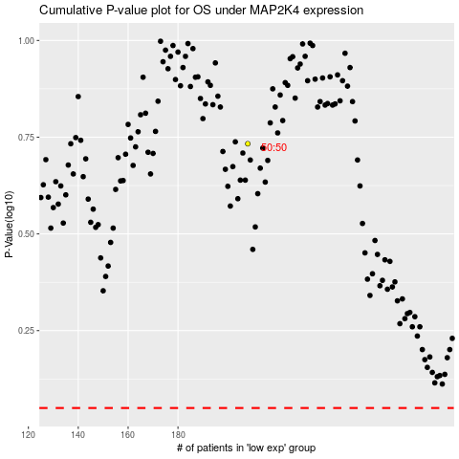

 |  |  |  |  |  | cases_OS | p_OS | rank | exp
 |  |  |  |  |  |  | cases_RFS | p_RFS | rank | exp

