MAP3K1 _multivariate
Reported by Tex Li-Hsing Chi. tex@gate.sinica.edu.tw 2019-08-18

Table 2. The clinicopathological features of HNSCC cohort and MAP3K1 expression. (Chi square test)
Cutoff at -0.257 (50.0%)
 |  | MAP3K1 expression |  | MAP3K1 expression |  | (Optimised)
 | Features | Low | (%) | High | (%) | Case no | P-value | Remark | Matthews
Gender | Female | 164 | 39.5 | 142 | 34.2 | 415 | 0.0153 | 1 | 0
2 | Male | 43 | 10.4 | 66 | 15.9
Age at diagnosis | <=65y | 136 | 32.8 | 138 | 33.3 | 415 | 0.9719 | 0 | 0
4 | >65y | 71 | 17.1 | 70 | 16.9
Clinical T Status | T1+T2 | 64 | 15.4 | 85 | 20.5 | 415 | 0.0445 | 1 | 0
6 | T3+T4 | 143 | 34.5 | 123 | 29.6
Clinical N Status | N0 | 101 | 24.3 | 115 | 27.7 | 415 | 0.2201 | 0 | 0
8 | N1-3 | 106 | 25.5 | 93 | 22.4
Clinical M Status | M0 | 206 | 49.6 | 206 | 49.6 | 415 | 1 | 0 | 0
10 | M1 | 1 | 0.2 | 2 | 0.5
Clinical Stage | Stage I+II | 44 | 10.6 | 58 | 14 | 415 | 0.1459 | 0 | 0
12 | Stage III+IV | 163 | 39.3 | 150 | 36.1
Surgical Margin status | Negative | 152 | 36.6 | 166 | 40 | 415 | 0.1329 | 0 | 0
14 | Positive | 55 | 13.3 | 42 | 10.1
Tobacco Exposure | Low | 76 | 18.3 | 85 | 20.5 | 415 | 0.4207 | 0 | 0
16 | High | 131 | 31.6 | 123 | 29.6

Table 3. Univariate/Multivariate Cox's proportional hazards regression analyses on OS time of MAP3K1 gene expression in HNSCC

 |  | Univariate |  |  |  | Multivariate
 | Features | HR | CI95%(L) | CI95%(H) | P-value | HR | CI95%(L) | CI95%(H) | P-value
1 | Female | 1 |  |  |  | 1
Gender | Male | 1.157 | 0.843 | 1.587 | 0.367 | 1.203 | 0.861 | 1.681 | 0.279
11 | <=65y | 1 |  |  |  | 1
Age at diagnosis | >65y | 1.329 | 0.99 | 1.784 | 0.058 | 1.392 | 1.024 | 1.892 | 0.035
12 | T1+T2 | 1 |  |  |  | 1
Clinical T Status | T3+T4 | 1.409 | 1.028 | 1.931 | 0.033 | 2.191 | 1.156 | 4.154 | 0.016
13 | N0 | 1 |  |  |  | 1
Clinical N Status | N1-3 | 1.185 | 0.89 | 1.577 | 0.246 | 1.239 | 0.868 | 1.768 | 0.238
14 | M0 | 1 |  |  |  | 1
Clinical M Status | M1 | 4.097 | 1.009 | 16.644 | 0.049 | 9.394 | 2.049 | 43.063 | 0.004
15 | Stage I+II | 1 |  |  |  | 1
Clinical Stage | Stage III+IV | 1.245 | 0.882 | 1.759 | 0.213 | 0.506 | 0.236 | 1.088 | 0.081
16 | Negative | 1 |  |  |  | 1
Surgical Margin status | Positive | 1.591 | 1.155 | 2.191 | 0.004 | 1.665 | 1.202 | 2.307 | 0.002
17 | Low | 1 |  |  |  | 1
Tobacco Exposure | High | 1.364 | 1.008 | 1.844 | 0.044 | 1.451 | 1.053 | 2 | 0.023
18 | Low | 1 |  |  |  | 1
RNAseq(z-score) | High | 0.875 | 0.657 | 1.166 | 0.362 | 0.975 | 0.728 | 1.305 | 0.865

Table 4. Univariate/Multivariate Cox's proportional hazards regression analyses on RFS time of MAP3K1 gene expression in HNSCC

 |  | Univariate |  |  |  | Multivariate
 | Features | HR | CI95%(L) | CI95%(H) | P-value | HR | CI95%(L) | CI95%(H) | P-value
1 | Female | 1 |  |  |  | 1
Gender | Male | 1.157 | 0.843 | 1.587 | 0.367 | 1.203 | 0.861 | 1.681 | 0.279
11 | <=65y | 1 |  |  |  | 1
Age at diagnosis | >65y | 1.329 | 0.99 | 1.784 | 0.058 | 1.392 | 1.024 | 1.892 | 0.035
12 | T1+T2 | 1 |  |  |  | 1
Clinical T Status | T3+T4 | 1.409 | 1.028 | 1.931 | 0.033 | 2.191 | 1.156 | 4.154 | 0.016
13 | N0 | 1 |  |  |  | 1
Clinical N Status | N1-3 | 1.185 | 0.89 | 1.577 | 0.246 | 1.239 | 0.868 | 1.768 | 0.238
14 | M0 | 1 |  |  |  | 1
Clinical M Status | M1 | 4.097 | 1.009 | 16.644 | 0.049 | 9.394 | 2.049 | 43.063 | 0.004
15 | Stage I+II | 1 |  |  |  | 1
Clinical Stage | Stage III+IV | 1.245 | 0.882 | 1.759 | 0.213 | 0.506 | 0.236 | 1.088 | 0.081
16 | Negative | 1 |  |  |  | 1
Surgical Margin status | Positive | 1.591 | 1.155 | 2.191 | 0.004 | 1.665 | 1.202 | 2.307 | 0.002
17 | Low | 1 |  |  |  | 1
Tobacco Exposure | High | 1.364 | 1.008 | 1.844 | 0.044 | 1.451 | 1.053 | 2 | 0.023
18 | Low | 1 |  |  |  | 1
RNAseq(z-score) | High | 0.875 | 0.657 | 1.166 | 0.362 | 0.975 | 0.728 | 1.305 | 0.865

Kaplan-Meier survival estimate: Cutoff at -0.257 (50.0%)



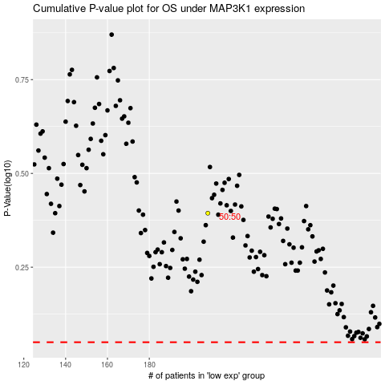

 |  |  |  |  |  | cases_OS | p_OS | rank | exp
 |  |  |  |  |  |  | cases_RFS | p_RFS | rank | exp

