MAP3K11 _multivariate
Reported by Tex Li-Hsing Chi. tex@gate.sinica.edu.tw 2019-08-18

Table 2. The clinicopathological features of HNSCC cohort and MAP3K11 expression. (Chi square test)
Cutoff at -0.112 (49.8%)
 |  | MAP3K11 expression |  | MAP3K11 expression |  | (Optimised)
 | Features | Low | (%) | High | (%) | Case no | P-value | Remark | Matthews
Gender | Female | 155 | 37.3 | 151 | 36.4 | 415 | 0.6768 | 0 | 0
2 | Male | 52 | 12.5 | 57 | 13.7
Age at diagnosis | <=65y | 130 | 31.3 | 144 | 34.7 | 415 | 0.2009 | 0 | 0
4 | >65y | 77 | 18.6 | 64 | 15.4
Clinical T Status | T1+T2 | 80 | 19.3 | 69 | 16.6 | 415 | 0.2891 | 0 | 0
6 | T3+T4 | 127 | 30.6 | 139 | 33.5
Clinical N Status | N0 | 110 | 26.5 | 106 | 25.5 | 415 | 0.7294 | 0 | 0
8 | N1-3 | 97 | 23.4 | 102 | 24.6
Clinical M Status | M0 | 205 | 49.4 | 207 | 49.9 | 415 | 0.6232 | 0 | 0
10 | M1 | 2 | 0.5 | 1 | 0.2
Clinical Stage | Stage I+II | 51 | 12.3 | 51 | 12.3 | 415 | 1 | 0 | 0
12 | Stage III+IV | 156 | 37.6 | 157 | 37.8
Surgical Margin status | Negative | 150 | 36.1 | 168 | 40.5 | 415 | 0.0492 | 1 | 0
14 | Positive | 57 | 13.7 | 40 | 9.6
Tobacco Exposure | Low | 83 | 20 | 78 | 18.8 | 415 | 0.6152 | 0 | 0
16 | High | 124 | 29.9 | 130 | 31.3

Table 3. Univariate/Multivariate Cox's proportional hazards regression analyses on OS time of MAP3K11 gene expression in HNSCC

 |  | Univariate |  |  |  | Multivariate
 | Features | HR | CI95%(L) | CI95%(H) | P-value | HR | CI95%(L) | CI95%(H) | P-value
1 | Female | 1 |  |  |  | 1
Gender | Male | 1.157 | 0.843 | 1.587 | 0.367 | 1.191 | 0.852 | 1.665 | 0.305
11 | <=65y | 1 |  |  |  | 1
Age at diagnosis | >65y | 1.329 | 0.99 | 1.784 | 0.058 | 1.418 | 1.041 | 1.933 | 0.027
12 | T1+T2 | 1 |  |  |  | 1
Clinical T Status | T3+T4 | 1.409 | 1.028 | 1.931 | 0.033 | 2.134 | 1.124 | 4.05 | 0.02
13 | N0 | 1 |  |  |  | 1
Clinical N Status | N1-3 | 1.185 | 0.89 | 1.577 | 0.246 | 1.226 | 0.859 | 1.751 | 0.262
14 | M0 | 1 |  |  |  | 1
Clinical M Status | M1 | 4.097 | 1.009 | 16.644 | 0.049 | 9.323 | 2.033 | 42.749 | 0.004
15 | Stage I+II | 1 |  |  |  | 1
Clinical Stage | Stage III+IV | 1.245 | 0.882 | 1.759 | 0.213 | 0.519 | 0.241 | 1.118 | 0.094
16 | Negative | 1 |  |  |  | 1
Surgical Margin status | Positive | 1.591 | 1.155 | 2.191 | 0.004 | 1.686 | 1.219 | 2.33 | 0.002
17 | Low | 1 |  |  |  | 1
Tobacco Exposure | High | 1.364 | 1.008 | 1.844 | 0.044 | 1.457 | 1.057 | 2.008 | 0.022
18 | Low | 1 |  |  |  | 1
RNAseq(z-score) | High | 1.148 | 0.858 | 1.535 | 0.353 | 1.148 | 0.853 | 1.544 | 0.363

Table 4. Univariate/Multivariate Cox's proportional hazards regression analyses on RFS time of MAP3K11 gene expression in HNSCC

 |  | Univariate |  |  |  | Multivariate
 | Features | HR | CI95%(L) | CI95%(H) | P-value | HR | CI95%(L) | CI95%(H) | P-value
1 | Female | 1 |  |  |  | 1
Gender | Male | 1.157 | 0.843 | 1.587 | 0.367 | 1.191 | 0.852 | 1.665 | 0.305
11 | <=65y | 1 |  |  |  | 1
Age at diagnosis | >65y | 1.329 | 0.99 | 1.784 | 0.058 | 1.418 | 1.041 | 1.933 | 0.027
12 | T1+T2 | 1 |  |  |  | 1
Clinical T Status | T3+T4 | 1.409 | 1.028 | 1.931 | 0.033 | 2.134 | 1.124 | 4.05 | 0.02
13 | N0 | 1 |  |  |  | 1
Clinical N Status | N1-3 | 1.185 | 0.89 | 1.577 | 0.246 | 1.226 | 0.859 | 1.751 | 0.262
14 | M0 | 1 |  |  |  | 1
Clinical M Status | M1 | 4.097 | 1.009 | 16.644 | 0.049 | 9.323 | 2.033 | 42.749 | 0.004
15 | Stage I+II | 1 |  |  |  | 1
Clinical Stage | Stage III+IV | 1.245 | 0.882 | 1.759 | 0.213 | 0.519 | 0.241 | 1.118 | 0.094
16 | Negative | 1 |  |  |  | 1
Surgical Margin status | Positive | 1.591 | 1.155 | 2.191 | 0.004 | 1.686 | 1.219 | 2.33 | 0.002
17 | Low | 1 |  |  |  | 1
Tobacco Exposure | High | 1.364 | 1.008 | 1.844 | 0.044 | 1.457 | 1.057 | 2.008 | 0.022
18 | Low | 1 |  |  |  | 1
RNAseq(z-score) | High | 1.148 | 0.858 | 1.535 | 0.353 | 1.148 | 0.853 | 1.544 | 0.363

Kaplan-Meier survival estimate: Cutoff at -0.112 (49.8%)



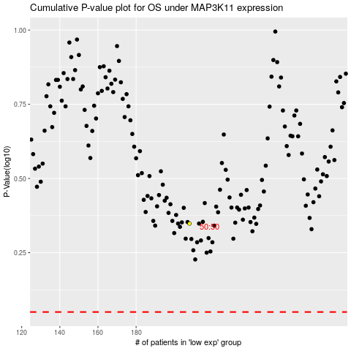

 |  |  |  |  |  | cases_OS | p_OS | rank | exp
 |  |  |  |  |  |  | cases_RFS | p_RFS | rank | exp

