MAP3K4 _multivariate
Reported by Tex Li-Hsing Chi. tex@gate.sinica.edu.tw 2019-08-18

Table 2. The clinicopathological features of HNSCC cohort and MAP3K4 expression. (Chi square test)
Cutoff at -0.168 (50.0%)
 |  | MAP3K4 expression |  | MAP3K4 expression |  | (Optimised)
 | Features | Low | (%) | High | (%) | Case no | P-value | Remark | Matthews
Gender | Female | 153 | 36.9 | 153 | 36.9 | 415 | 1 | 0 | 0
2 | Male | 54 | 13 | 55 | 13.3
Age at diagnosis | <=65y | 126 | 30.4 | 148 | 35.7 | 415 | 0.035 | 1 | 0
4 | >65y | 81 | 19.5 | 60 | 14.5
Clinical T Status | T1+T2 | 75 | 18.1 | 74 | 17.8 | 415 | 0.9707 | 0 | 0
6 | T3+T4 | 132 | 31.8 | 134 | 32.3
Clinical N Status | N0 | 110 | 26.5 | 106 | 25.5 | 415 | 0.7294 | 0 | 0
8 | N1-3 | 97 | 23.4 | 102 | 24.6
Clinical M Status | M0 | 204 | 49.2 | 208 | 50.1 | 415 | 0.1232 | 0 | 0
10 | M1 | 3 | 0.7 | 0 | 0
Clinical Stage | Stage I+II | 51 | 12.3 | 51 | 12.3 | 415 | 1 | 0 | 0
12 | Stage III+IV | 156 | 37.6 | 157 | 37.8
Surgical Margin status | Negative | 160 | 38.6 | 158 | 38.1 | 415 | 0.8167 | 0 | 0
14 | Positive | 47 | 11.3 | 50 | 12
Tobacco Exposure | Low | 79 | 19 | 82 | 19.8 | 415 | 0.8405 | 0 | 0
16 | High | 128 | 30.8 | 126 | 30.4

Table 3. Univariate/Multivariate Cox's proportional hazards regression analyses on OS time of MAP3K4 gene expression in HNSCC

 |  | Univariate |  |  |  | Multivariate
 | Features | HR | CI95%(L) | CI95%(H) | P-value | HR | CI95%(L) | CI95%(H) | P-value
1 | Female | 1 |  |  |  | 1
Gender | Male | 1.157 | 0.843 | 1.587 | 0.367 | 1.2 | 0.86 | 1.676 | 0.284
11 | <=65y | 1 |  |  |  | 1
Age at diagnosis | >65y | 1.329 | 0.99 | 1.784 | 0.058 | 1.421 | 1.042 | 1.938 | 0.026
12 | T1+T2 | 1 |  |  |  | 1
Clinical T Status | T3+T4 | 1.409 | 1.028 | 1.931 | 0.033 | 2.223 | 1.176 | 4.205 | 0.014
13 | N0 | 1 |  |  |  | 1
Clinical N Status | N1-3 | 1.185 | 0.89 | 1.577 | 0.246 | 1.235 | 0.865 | 1.763 | 0.245
14 | M0 | 1 |  |  |  | 1
Clinical M Status | M1 | 4.097 | 1.009 | 16.644 | 0.049 | 10.226 | 2.206 | 47.397 | 0.003
15 | Stage I+II | 1 |  |  |  | 1
Clinical Stage | Stage III+IV | 1.245 | 0.882 | 1.759 | 0.213 | 0.5 | 0.233 | 1.073 | 0.075
16 | Negative | 1 |  |  |  | 1
Surgical Margin status | Positive | 1.591 | 1.155 | 2.191 | 0.004 | 1.68 | 1.216 | 2.323 | 0.002
17 | Low | 1 |  |  |  | 1
Tobacco Exposure | High | 1.364 | 1.008 | 1.844 | 0.044 | 1.447 | 1.05 | 1.994 | 0.024
18 | Low | 1 |  |  |  | 1
RNAseq(z-score) | High | 1.071 | 0.804 | 1.427 | 0.64 | 1.147 | 0.856 | 1.538 | 0.357

Table 4. Univariate/Multivariate Cox's proportional hazards regression analyses on RFS time of MAP3K4 gene expression in HNSCC

 |  | Univariate |  |  |  | Multivariate
 | Features | HR | CI95%(L) | CI95%(H) | P-value | HR | CI95%(L) | CI95%(H) | P-value
1 | Female | 1 |  |  |  | 1
Gender | Male | 1.157 | 0.843 | 1.587 | 0.367 | 1.2 | 0.86 | 1.676 | 0.284
11 | <=65y | 1 |  |  |  | 1
Age at diagnosis | >65y | 1.329 | 0.99 | 1.784 | 0.058 | 1.421 | 1.042 | 1.938 | 0.026
12 | T1+T2 | 1 |  |  |  | 1
Clinical T Status | T3+T4 | 1.409 | 1.028 | 1.931 | 0.033 | 2.223 | 1.176 | 4.205 | 0.014
13 | N0 | 1 |  |  |  | 1
Clinical N Status | N1-3 | 1.185 | 0.89 | 1.577 | 0.246 | 1.235 | 0.865 | 1.763 | 0.245
14 | M0 | 1 |  |  |  | 1
Clinical M Status | M1 | 4.097 | 1.009 | 16.644 | 0.049 | 10.226 | 2.206 | 47.397 | 0.003
15 | Stage I+II | 1 |  |  |  | 1
Clinical Stage | Stage III+IV | 1.245 | 0.882 | 1.759 | 0.213 | 0.5 | 0.233 | 1.073 | 0.075
16 | Negative | 1 |  |  |  | 1
Surgical Margin status | Positive | 1.591 | 1.155 | 2.191 | 0.004 | 1.68 | 1.216 | 2.323 | 0.002
17 | Low | 1 |  |  |  | 1
Tobacco Exposure | High | 1.364 | 1.008 | 1.844 | 0.044 | 1.447 | 1.05 | 1.994 | 0.024
18 | Low | 1 |  |  |  | 1
RNAseq(z-score) | High | 1.071 | 0.804 | 1.427 | 0.64 | 1.147 | 0.856 | 1.538 | 0.357

Kaplan-Meier survival estimate: Cutoff at -0.168 (50.0%)



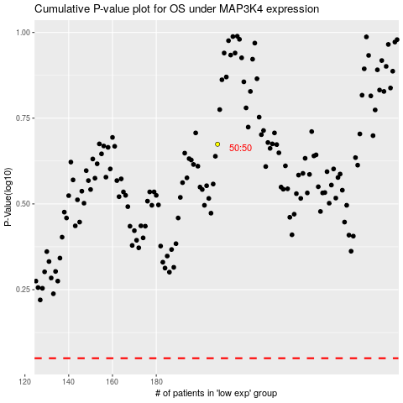

 |  |  |  |  |  | cases_OS | p_OS | rank | exp
 |  |  |  |  |  |  | cases_RFS | p_RFS | rank | exp

