MAP3K7 _multivariate
Reported by Tex Li-Hsing Chi. tex@gate.sinica.edu.tw 2019-08-18

Table 2. The clinicopathological features of HNSCC cohort and MAP3K7 expression. (Chi square test)
Cutoff at 0.011 (49.8%)
 |  | MAP3K7 expression |  | MAP3K7 expression |  | (Optimised)
 | Features | Low | (%) | High | (%) | Case no | P-value | Remark | Matthews
Gender | Female | 151 | 36.4 | 155 | 37.3 | 415 | 0.8007 | 0 | 0
2 | Male | 56 | 13.5 | 53 | 12.8
Age at diagnosis | <=65y | 138 | 33.3 | 136 | 32.8 | 415 | 0.8634 | 0 | 0
4 | >65y | 69 | 16.6 | 72 | 17.3
Clinical T Status | T1+T2 | 79 | 19 | 70 | 16.9 | 415 | 0.3924 | 0 | 0
6 | T3+T4 | 128 | 30.8 | 138 | 33.3
Clinical N Status | N0 | 112 | 27 | 104 | 25.1 | 415 | 0.4599 | 0 | 0
8 | N1-3 | 95 | 22.9 | 104 | 25.1
Clinical M Status | M0 | 204 | 49.2 | 208 | 50.1 | 415 | 0.1232 | 0 | 0
10 | M1 | 3 | 0.7 | 0 | 0
Clinical Stage | Stage I+II | 54 | 13 | 48 | 11.6 | 415 | 0.5498 | 0 | 0
12 | Stage III+IV | 153 | 36.9 | 160 | 38.6
Surgical Margin status | Negative | 163 | 39.3 | 155 | 37.3 | 415 | 0.3537 | 0 | 0
14 | Positive | 44 | 10.6 | 53 | 12.8
Tobacco Exposure | Low | 87 | 21 | 74 | 17.8 | 415 | 0.1911 | 0 | 0
16 | High | 120 | 28.9 | 134 | 32.3

Table 3. Univariate/Multivariate Cox's proportional hazards regression analyses on OS time of MAP3K7 gene expression in HNSCC

 |  | Univariate |  |  |  | Multivariate
 | Features | HR | CI95%(L) | CI95%(H) | P-value | HR | CI95%(L) | CI95%(H) | P-value
1 | Female | 1 |  |  |  | 1
Gender | Male | 1.157 | 0.843 | 1.587 | 0.367 | 1.214 | 0.868 | 1.697 | 0.258
11 | <=65y | 1 |  |  |  | 1
Age at diagnosis | >65y | 1.329 | 0.99 | 1.784 | 0.058 | 1.381 | 1.014 | 1.88 | 0.04
12 | T1+T2 | 1 |  |  |  | 1
Clinical T Status | T3+T4 | 1.409 | 1.028 | 1.931 | 0.033 | 2.215 | 1.171 | 4.189 | 0.014
13 | N0 | 1 |  |  |  | 1
Clinical N Status | N1-3 | 1.185 | 0.89 | 1.577 | 0.246 | 1.241 | 0.869 | 1.77 | 0.235
14 | M0 | 1 |  |  |  | 1
Clinical M Status | M1 | 4.097 | 1.009 | 16.644 | 0.049 | 9.958 | 2.15 | 46.124 | 0.003
15 | Stage I+II | 1 |  |  |  | 1
Clinical Stage | Stage III+IV | 1.245 | 0.882 | 1.759 | 0.213 | 0.502 | 0.234 | 1.077 | 0.077
16 | Negative | 1 |  |  |  | 1
Surgical Margin status | Positive | 1.591 | 1.155 | 2.191 | 0.004 | 1.671 | 1.209 | 2.309 | 0.002
17 | Low | 1 |  |  |  | 1
Tobacco Exposure | High | 1.364 | 1.008 | 1.844 | 0.044 | 1.447 | 1.05 | 1.995 | 0.024
18 | Low | 1 |  |  |  | 1
RNAseq(z-score) | High | 1.093 | 0.821 | 1.455 | 0.544 | 1.1 | 0.822 | 1.472 | 0.52

Table 4. Univariate/Multivariate Cox's proportional hazards regression analyses on RFS time of MAP3K7 gene expression in HNSCC

 |  | Univariate |  |  |  | Multivariate
 | Features | HR | CI95%(L) | CI95%(H) | P-value | HR | CI95%(L) | CI95%(H) | P-value
1 | Female | 1 |  |  |  | 1
Gender | Male | 1.157 | 0.843 | 1.587 | 0.367 | 1.214 | 0.868 | 1.697 | 0.258
11 | <=65y | 1 |  |  |  | 1
Age at diagnosis | >65y | 1.329 | 0.99 | 1.784 | 0.058 | 1.381 | 1.014 | 1.88 | 0.04
12 | T1+T2 | 1 |  |  |  | 1
Clinical T Status | T3+T4 | 1.409 | 1.028 | 1.931 | 0.033 | 2.215 | 1.171 | 4.189 | 0.014
13 | N0 | 1 |  |  |  | 1
Clinical N Status | N1-3 | 1.185 | 0.89 | 1.577 | 0.246 | 1.241 | 0.869 | 1.77 | 0.235
14 | M0 | 1 |  |  |  | 1
Clinical M Status | M1 | 4.097 | 1.009 | 16.644 | 0.049 | 9.958 | 2.15 | 46.124 | 0.003
15 | Stage I+II | 1 |  |  |  | 1
Clinical Stage | Stage III+IV | 1.245 | 0.882 | 1.759 | 0.213 | 0.502 | 0.234 | 1.077 | 0.077
16 | Negative | 1 |  |  |  | 1
Surgical Margin status | Positive | 1.591 | 1.155 | 2.191 | 0.004 | 1.671 | 1.209 | 2.309 | 0.002
17 | Low | 1 |  |  |  | 1
Tobacco Exposure | High | 1.364 | 1.008 | 1.844 | 0.044 | 1.447 | 1.05 | 1.995 | 0.024
18 | Low | 1 |  |  |  | 1
RNAseq(z-score) | High | 1.093 | 0.821 | 1.455 | 0.544 | 1.1 | 0.822 | 1.472 | 0.52

Kaplan-Meier survival estimate: Cutoff at 0.011 (49.8%)



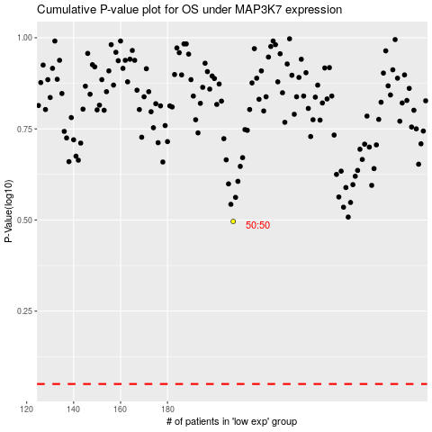

 |  |  |  |  |  | cases_OS | p_OS | rank | exp
 |  |  |  |  |  |  | cases_RFS | p_RFS | rank | exp

